Queries
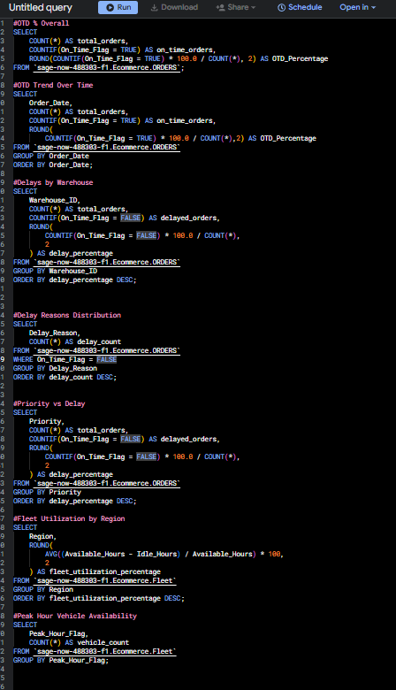
1 | #OTD % Overall
 | SELECT
 | COUNT(*) AS total_orders,
 | COUNTIF(On_Time_Flag = TRUE) AS on_time_orders,
 | ROUND(COUNTIF(On_Time_Flag = TRUE) * 100.0 / COUNT(*), 2) AS OTD_Percentage
 | FROM `sage-now-488303-f1.Ecommerce.ORDERS`;

2 | #OTD Trend Over Time
 | SELECT
 | Order_Date,
 | COUNT(*) AS total_orders,
 | COUNTIF(On_Time_Flag = TRUE) AS on_time_orders,
 | ROUND(
 | COUNTIF(On_Time_Flag = TRUE) * 100.0 / COUNT(*),2) AS OTD_Percentage
 | FROM `sage-now-488303-f1.Ecommerce.ORDERS`
 | GROUP BY Order_Date
 | ORDER BY Order_Date;

3 | #Delays by Warehouse
 | SELECT
 | Warehouse_ID,
 | COUNT(*) AS total_orders,
 | COUNTIF(On_Time_Flag = FALSE) AS delayed_orders,
 | ROUND(
 | COUNTIF(On_Time_Flag = FALSE) * 100.0 / COUNT(*),
 | 2
 | ) AS delay_percentage
 | FROM `sage-now-488303-f1.Ecommerce.ORDERS`
 | GROUP BY Warehouse_ID
 | ORDER BY delay_percentage DESC;

4 | #Delay Reasons Distribution
 | SELECT
 | Delay_Reason,
 | COUNT(*) AS delay_count
 | FROM `sage-now-488303-f1.Ecommerce.ORDERS`
 | WHERE On_Time_Flag = FALSE
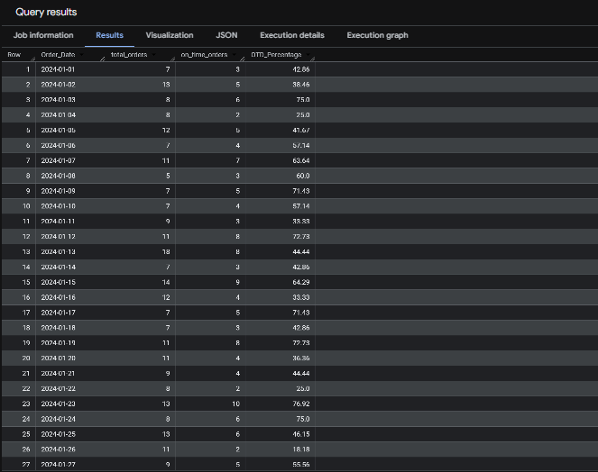
 | GROUP BY Delay_Reason
 | ORDER BY delay_count DESC;

5 | #Priority vs Delay
 | SELECT
 | Priority,
 | COUNT(*) AS total_orders,
 | COUNTIF(On_Time_Flag = FALSE) AS delayed_orders,
 | ROUND(
 | COUNTIF(On_Time_Flag = FALSE) * 100.0 / COUNT(*),
 | 2
 | ) AS delay_percentage
 | FROM `sage-now-488303-f1.Ecommerce.ORDERS`
 | GROUP BY Priority
 | ORDER BY delay_percentage DESC;

6 | #Fleet Utilization by Region
 | SELECT
 | Region,
 | ROUND(
 | AVG((Available_Hours - Idle_Hours) / Available_Hours) * 100,
 | 2
 | ) AS fleet_utilization_percentage
 | FROM `sage-now-488303-f1.Ecommerce.Fleet`
 | GROUP BY Region
 | ORDER BY fleet_utilization_percentage DESC;

7 | #Peak Hour Vehicle Availability
 | SELECT
 | Peak_Hour_Flag,
 | COUNT(*) AS vehicle_count
 | FROM `sage-now-488303-f1.Ecommerce.Fleet`
 | GROUP BY Peak_Hour_Flag;

