Dashboard
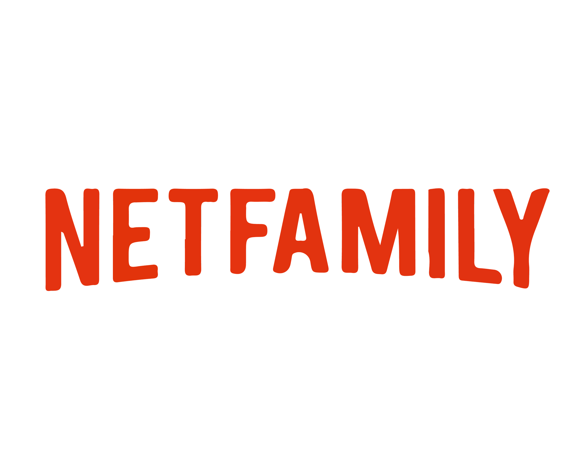

User Analytics

Year-wise Monthly users
Year-wise Monthly Sales

Top 5 Sales Generating Countries |  | Top 5 Popular Genres
Country | Total sales | Genre | User count
Spain | 1204853 | Mystery | 82
United States | 1146908 | Horror | 79
Canada | 775035 | Comedy | 78
Australia | 623134 | Science Fiction | 74
France | 622835 | Drama | 73

Age-wise Users
Plan duration-wise Sales share

