Contract Creation
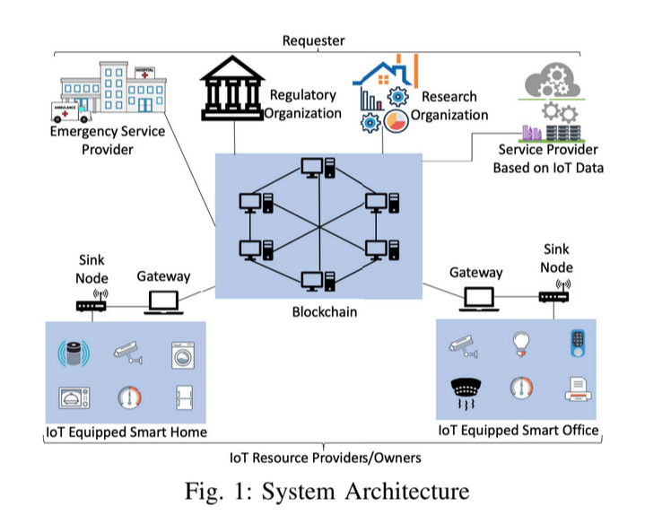
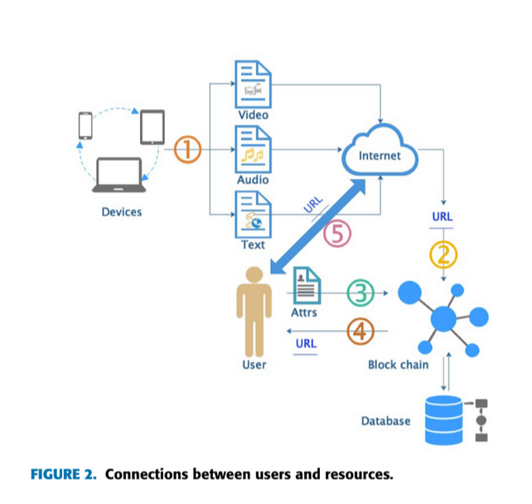
Create Contract All Steps
agreement.route.js
 | /
 |  | auth (middleware)
 |  |  | auth.js (middlewares folder) | auth function
 |  |  |  | just checking and decoding token
 |  | uploadFileToS3 (middleware)
 |  |  | fileUpload.js (utils folder) | uploadFileToS3 function
 |  |  |  | uploading in the form of formdata (standard practise)
 |  |  |  | validations are being done in this function so modify accordingly | agreement.validation.js (validations folder) | createAgreement function
 |  |  |  |  | uploadFile (same file)
 |  |  |  |  | creating hash of the data
 |  | agreementController.createAgreement
 |  |  | agreement.controller.js (controllers folder) | createAgreement function
 |  |  |  |  | agreement.service.js (services folder) | createAgreement function
 |  |  |  |  |  | contract object is very imp
 |  |  |  |  |  | getContractObject function | blockchainUtils.js

