Sheet1
Fundus Image | Mean Angle | Angle Tortuosity | Arc-Length Tortuosity | Fractal Dimension
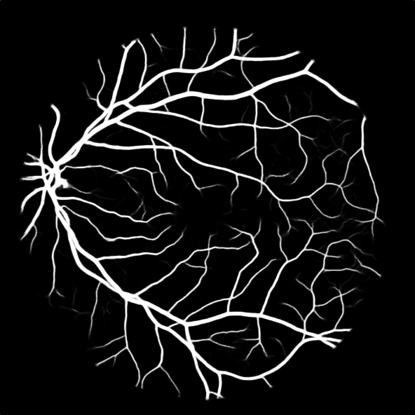 | 145.28677341 | 1.2389290214 | 1.2563490893 | 1.2976384842
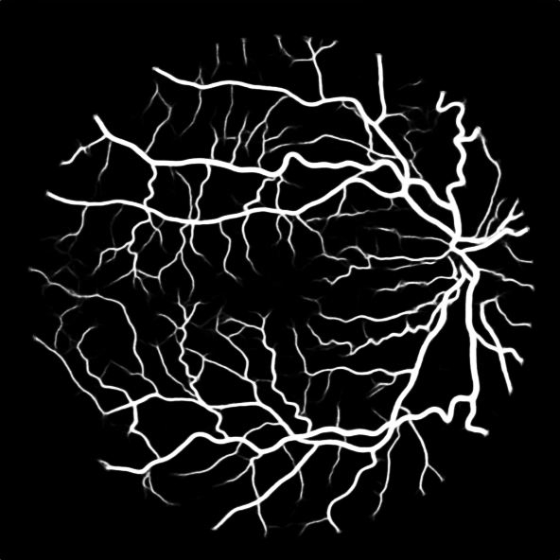 | 137.44175728 | 1.3096456533 | 1.2942412892 | 1.3173087755
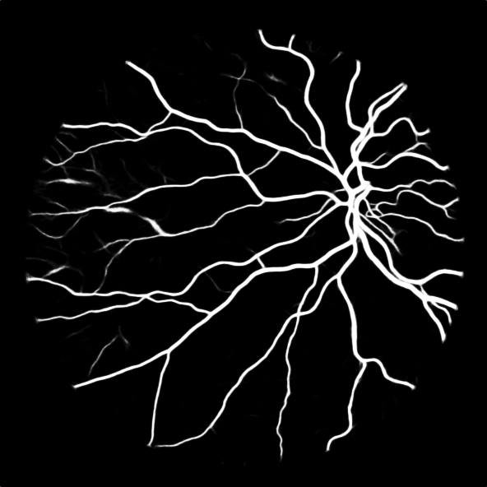 | 146.18065969 | 1.231353042 | 1.3533512948 | 1.2328766108
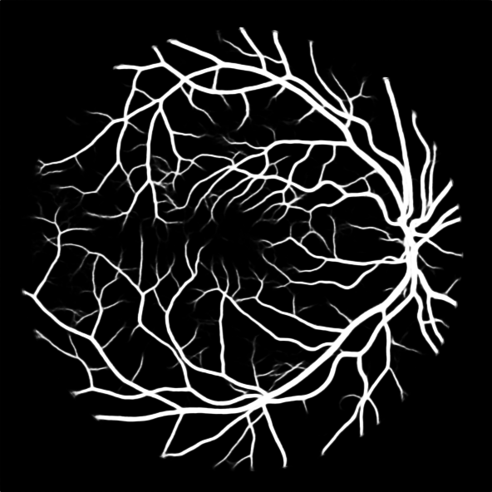 | 141.31136077 | 1.2737829359 | 1.17968887 | 1.3438123466
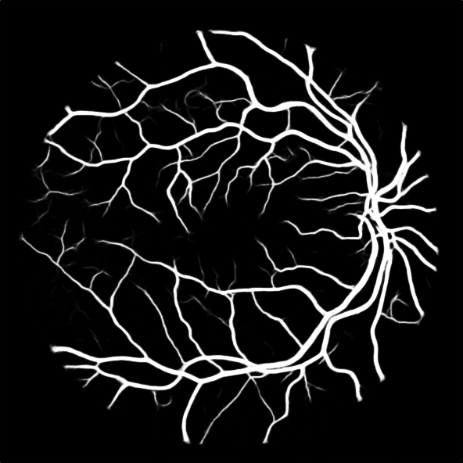 | 144.97550381 | 1.2415890634 | 1.1747345343 | 1.2869081138
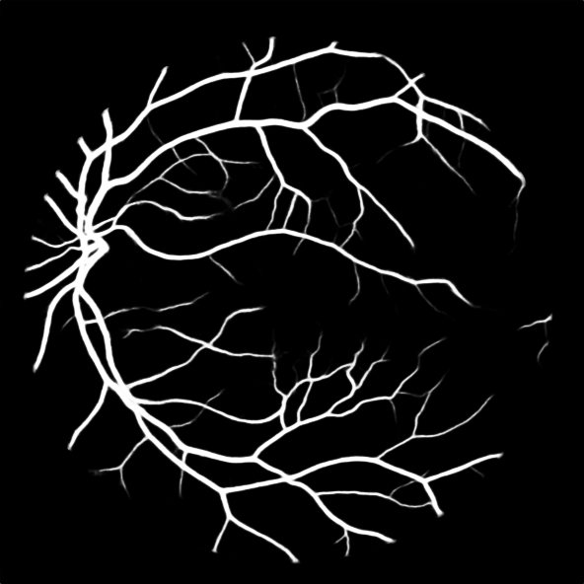 | 145.93895654 | 1.2333924009 | 1.1294280062 | 1.2500158497
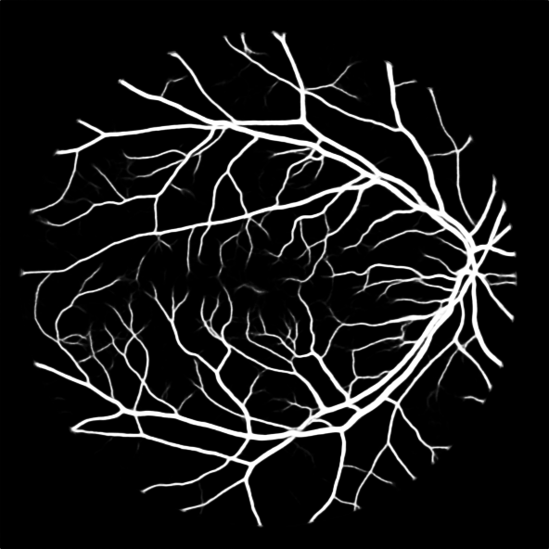 | 142.70563314 | 1.2613377345 | 1.2465994469 | 1.329420114
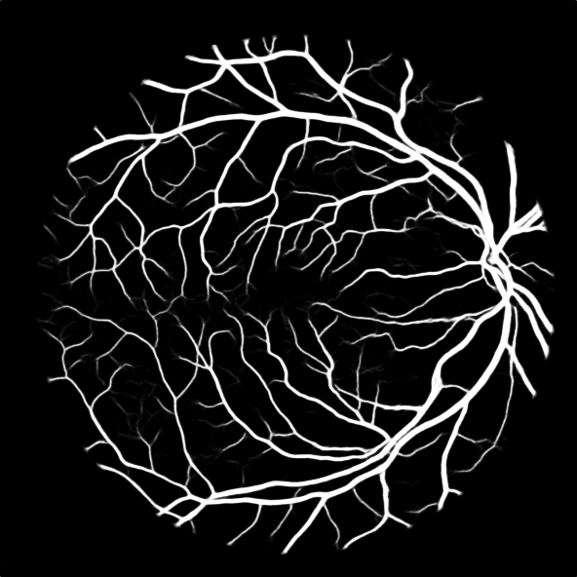 | 140.33071534 | 1.2826842617 | 1.3197874055 | 1.3405424875
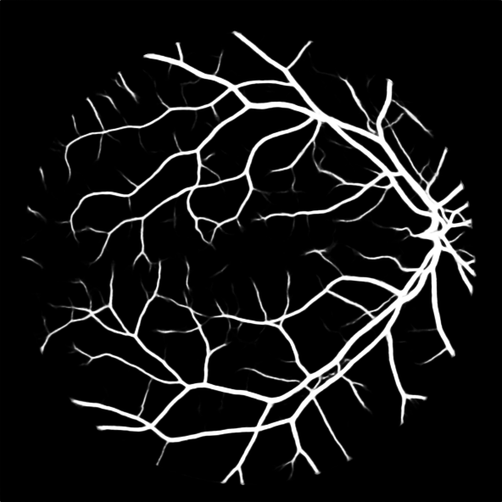 | 145.72514925 | 1.2352020288 | 1.174933718 | 1.2725278276
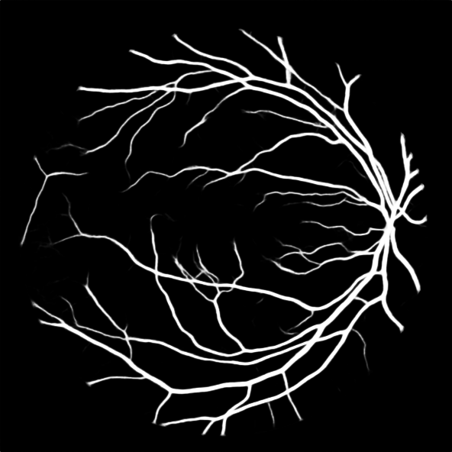 | 146.21104458 | 1.2310971481 | 1.2042753059 | 1.2649587995
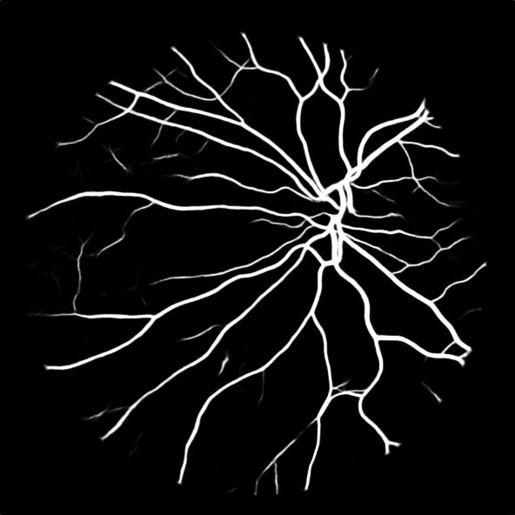 | 151.13890052 | 1.1909574529 | 1.1455882186 | 1.2335511368
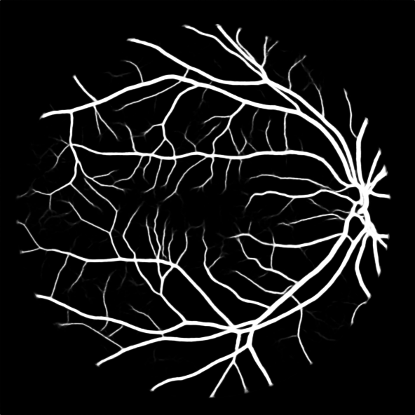 | 146.50960173 | 1.2285884193 | 1.1396873875 | 1.3001166262
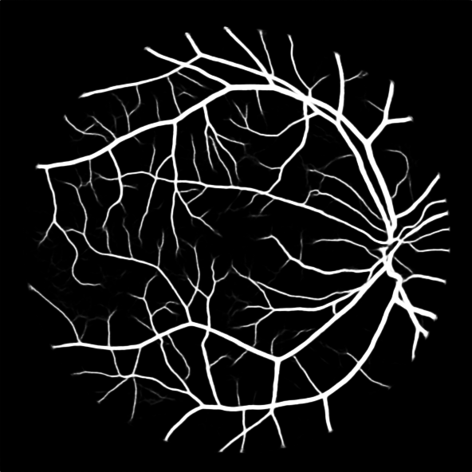 | 145.63205711 | 1.235991605 | 1.1882304086 | 1.3096292991
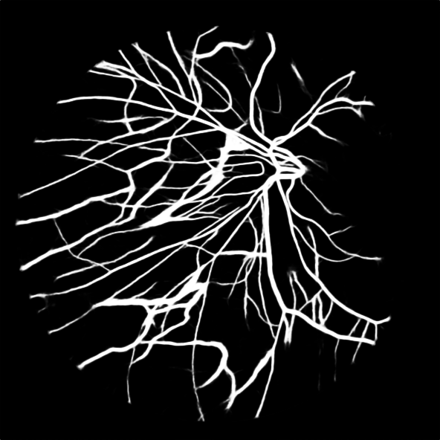 | 142.04770011 | 1.2671799675 | 1.2561010457 | 1.3429424076
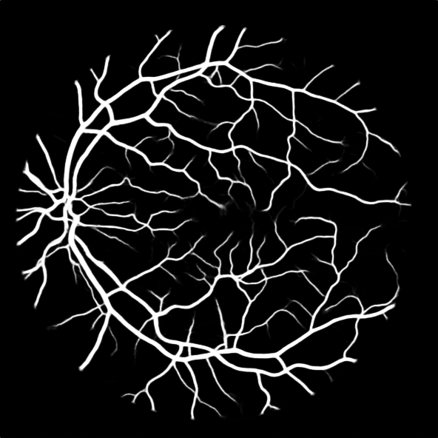 | 143.6073748 | 1.2534175229 | 1.1853421432 | 1.3087062728
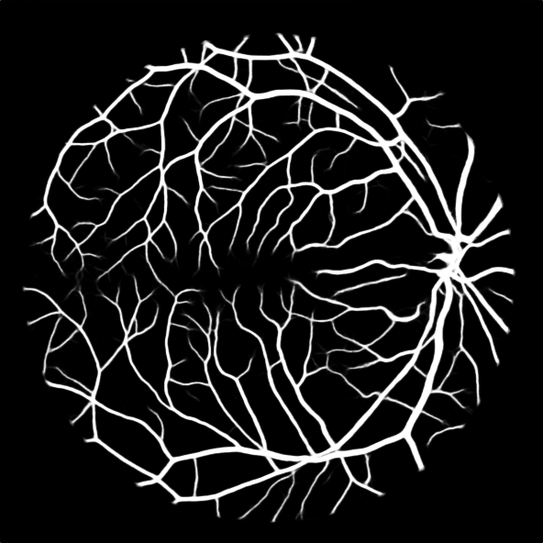 | 143.62585838 | 1.2532562175 | 1.175318321 | 1.3482162381
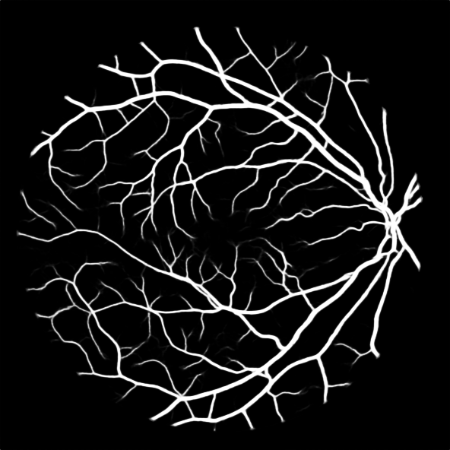 | 143.49649642 | 1.2543860268 | 1.1859309658 | 1.317283296
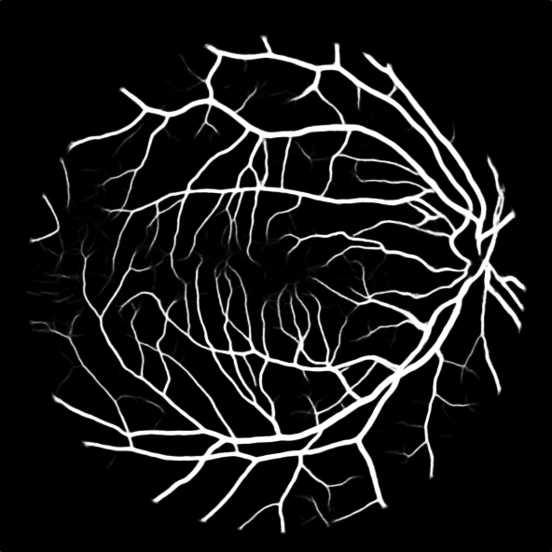 | 143.52846264 | 1.2541066538 | 1.2079597532 | 1.3225352719
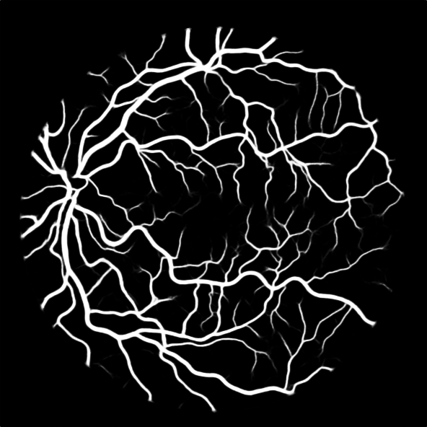 | 143.6290123 | 1.2532286974 | 1.1992832266 | 1.3140893006
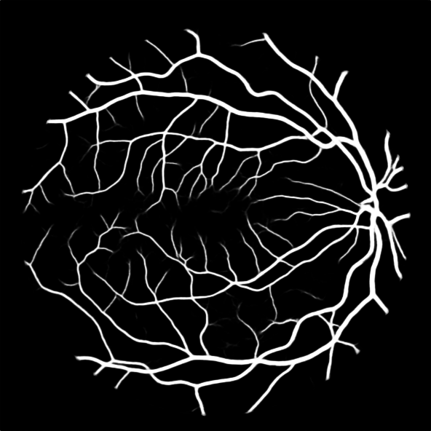 | 143.11256308 | 1.2577512144 | 1.2041038002 | 1.2948143535

