Sheet1
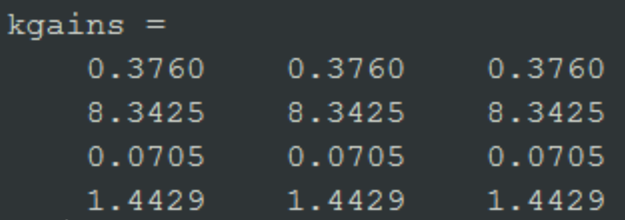
simtenNode_3_NEW | m=2.35

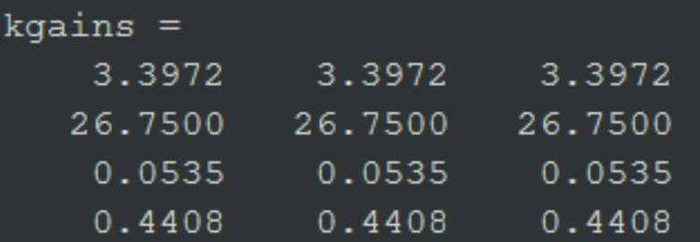
simtenNode_2 | m=10.7

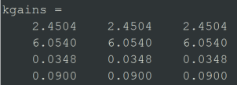
simtenNode_1 | m=2.2

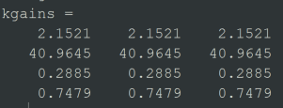
simtenNode_6 | m=6.1

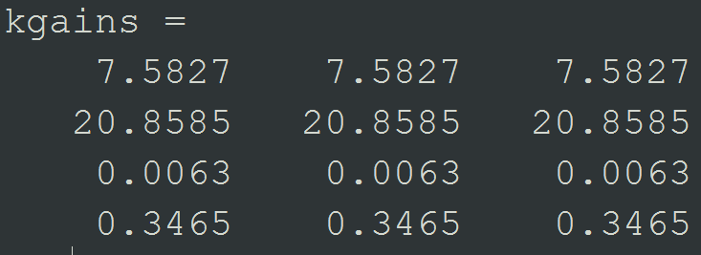
simtenNode_10 | m=4.2

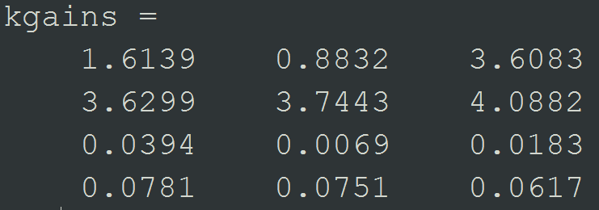
simtenNode_8 | m=3.5

