Hoja de pedidos
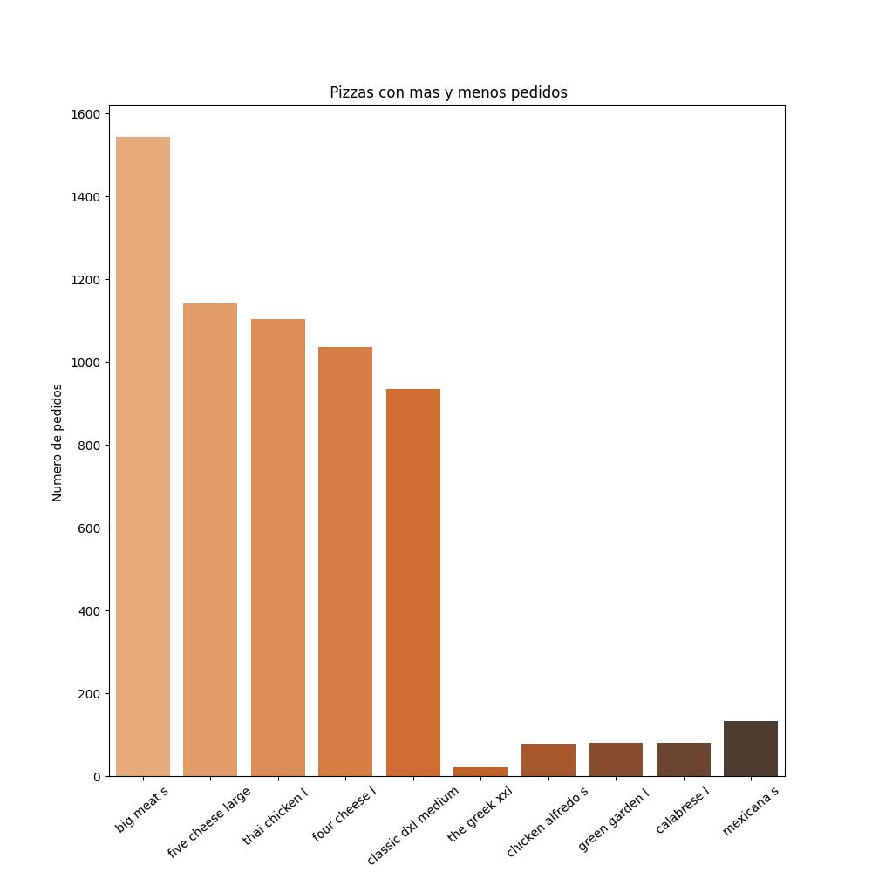

Hojaejecutiva
Pizza | Precio
bbq_ckn_m | 16.75
bbq_ckn_l | 20.75
cali_ckn_s | 12.75
cali_ckn_m | 16.75
cali_ckn_l | 20.75
ckn_alfredo_s | 12.75
ckn_alfredo_m | 16.75
ckn_alfredo_l | 20.75
ckn_pesto_s | 12.75
ckn_pesto_m | 16.75
ckn_pesto_l | 20.75
southw_ckn_s | 12.75
southw_ckn_m | 16.75
southw_ckn_l | 20.75
thai_ckn_s | 12.75
thai_ckn_m | 16.75
thai_ckn_l | 20.75
big_meat_s | 12
big_meat_m | 16
big_meat_l | 20.5
classic_dlx_s | 12
classic_dlx_m | 16
classic_dlx_l | 20.5
hawaiian_s | 10.5
hawaiian_m | 13.25
hawaiian_l | 16.5
ital_cpcllo_s | 12
ital_cpcllo_m | 16
ital_cpcllo_l | 20.5
napolitana_s | 12
napolitana_m | 16
napolitana_l | 20.5
pep_msh_pep_s | 11
pep_msh_pep_m | 14.5
pep_msh_pep_l | 17.5
pepperoni_s | 9.75
pepperoni_m | 12.5
pepperoni_l | 15.25
the_greek_s | 12
the_greek_m | 16
the_greek_l | 20.5
the_greek_xl | 25.5
the_greek_xxl | 35.95
brie_carre_s | 23.65
calabrese_s | 12.25
calabrese_m | 16.25
calabrese_l | 20.25
ital_supr_s | 12.5
ital_supr_m | 16.5
ital_supr_l | 20.75
peppr_salami_s | 12.5
peppr_salami_m | 16.5
peppr_salami_l | 20.75
prsc_argla_s | 12.5
prsc_argla_m | 16.5
prsc_argla_l | 20.75
sicilian_s | 12.25
sicilian_m | 16.25
sicilian_l | 20.25
soppressata_s | 12.5
soppressata_m | 16.5
soppressata_l | 20.75
spicy_ital_s | 12.5
spicy_ital_m | 16.5
spicy_ital_l | 20.75
spinach_supr_s | 12.5
spinach_supr_m | 16.5
spinach_supr_l | 20.75
five_cheese_s | 12.5
five_cheese_m | 15.5
five_cheese_l | 18.5
four_cheese_s | 11.75
four_cheese_m | 14.75
four_cheese_l | 17.95
green_garden_s | 12
green_garden_m | 16
green_garden_l | 20.25
ital_veggie_s | 12.75
ital_veggie_m | 16.75
ital_veggie_l | 21
mediterraneo_s | 12
mediterraneo_m | 16
mediterraneo_l | 20.25
mexicana_s | 12
mexicana_m | 16
mexicana_l | 20.25
spin_pesto_s | 12.5
spin_pesto_m | 16.5
spin_pesto_l | 20.75
spinach_fet_s | 12
spinach_fet_m | 16
spinach_fet_l | 20.25
veggie_veg_s | 12
veggie_veg_m | 16
veggie_veg_l | 20.25

