Report_1
category | All
city | All
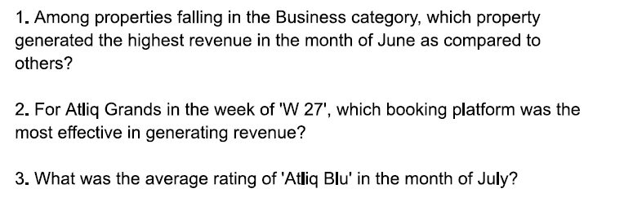
Row Labels | Total_Booking | Total_revenue_generated | Average of ratings
Jun
2022-06-01
Atliq Blu | 85 | INR 856,600.00 | 4.40
Atliq City | 70 | INR 1,207,255.00 | 3.06
Atliq Exotica | 98 | INR 1,570,350.00 | 4.38
Atliq Grands | 36 | INR 472,570.00 | 4.31
Atliq Seasons | 44 | INR 838,950.00 | 2.30
Jul
2022-07-01
Atliq Blu | 132 | INR 1,229,800.00 | 4.58
Atliq City | 96 | INR 1,635,995.00 | 3.01
Atliq Exotica | 109 | INR 1,711,425.00 | 4.23
Atliq Grands | 57 | INR 746,690.00 | 4.14
Atliq Seasons | 38 | INR 702,440.00 | 2.50
Grand Total | 765 | INR 10,972,075.00 | 3.87
 |  |  |  | 1 | Atliq City
 |  |  |  | 2 | direct online
 |  |  |  | 3 | 4.58

