measure table
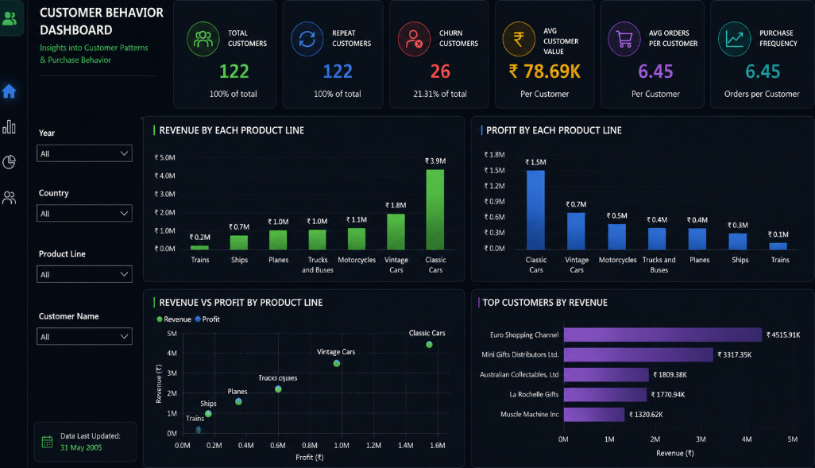
measure table

🌑 Executive Sales Dashboard
TOTAL PROFIT
₹ 3.8M
TOTAL REVENUE
₹ 9.6M
PROFIT MARGIN
39.84%
TOTAL ORDERS
326

revenue trend
 | revenue | profit
Jan | ₹ 0.1M | ₹ 0.0M
Feb | ₹ 0.1M | ₹ 0.1M
Mar | ₹ 0.2M | ₹ 0.1M
Apr | ₹ 0.2M | ₹ 0.1M
May | ₹ 0.2M | ₹ 0.1M
Jun | ₹ 0.2M | ₹ 0.1M
Jul | ₹ 0.2M | ₹ 0.1M
Aug | ₹ 0.2M | ₹ 0.1M
Sep | ₹ 0.2M | ₹ 0.1M
Oct | ₹ 0.5M | ₹ 0.2M
Nov | ₹ 1.0M | ₹ 0.4M
Dec | ₹ 0.3M | ₹ 0.1M
Jan | ₹ 0.3M | ₹ 0.1M
Feb | ₹ 0.3M | ₹ 0.1M
Mar | ₹ 0.2M | ₹ 0.1M
Apr | ₹ 0.2M | ₹ 0.1M
May | ₹ 0.2M | ₹ 0.1M
Jun | ₹ 0.3M | ₹ 0.1M
Jul | ₹ 0.3M | ₹ 0.1M
Aug | ₹ 0.4M | ₹ 0.2M
Sep | ₹ 0.3M | ₹ 0.1M
Oct | ₹ 0.5M | ₹ 0.2M
Nov | ₹ 1.0M | ₹ 0.4M
Dec | ₹ 0.4M | ₹ 0.2M
Jan | ₹ 0.3M | ₹ 0.1M
Feb | ₹ 0.3M | ₹ 0.1M
Mar | ₹ 0.4M | ₹ 0.1M
Apr | ₹ 0.3M | ₹ 0.1M
May | ₹ 0.4M | ₹ 0.2M

product line contribution
 | Total
Classic Cars | ₹ 3.9M
Trucks and Buses | ₹ 1.0M
Motorcycles | ₹ 1.1M
Planes | ₹ 1.0M
Ships | ₹ 0.7M
Trains | ₹ 0.2M
Vintage Cars | ₹ 1.8M
top 10 customers
 | Total
La Rochelle Gifts | 158,573
Muscle Machine Inc | 177,914
Australian Collectors, Co. | 180,585
Mini Gifts Distributors Ltd. | 591,827
Euro+ Shopping Channel | 820,690

👥 Customer Behavior Dashboard
REAPTED CUSTOMER
97
DISCOUNT %
10.09%
TOTAL CUSTOMERS
122
TOTAL REVENUE
₹ 9.6M

TOP 10 CUSTOMER GETTING THE CREDIT LIMIT
 | Total
AV Stores, Co. | ₹ 0.1M
Euro+ Shopping Channel | ₹ 0.2M
Heintze Collectables | ₹ 0.1M
L'ordine Souveniers | ₹ 0.1M
Marta's Replicas Co. | ₹ 0.1M
Mini Gifts Distributors Ltd. | ₹ 0.2M
Vida Sport, Ltd | ₹ 0.1M
Muscle Machine Inc | ₹ 0.1M
Saveley & Henriot, Co. | ₹ 0.1M
Toms Spezialitäten, Ltd | ₹ 0.1M
TOP 5 CUSTOMER BY PROFIT
 | Total
Diego Freyre | 326519.66
Susan Nelson | 236769.39
Jeff Young | 72370.09
Peter Ferguson | 70311.07
Janine Labrune | 60875.30

top customer by revenue
 | Total
La Rochelle Gifts | 158,573
Muscle Machine Inc | 177,914
Australian Collectors, Co. | 180,585
Mini Gifts Distributors Ltd. | 591,827
Euro+ Shopping Channel | 820,690
TOP 10 CITY PROFIT AND REVENUE
 | profit | revenue
Madrid | 394665.35 | 979880.77
San Rafael | 236769.39 | 591827.34
NYC | 198386.26 | 497941.5
Auckland | 151107.40 | 386514.63
Paris | 101796.48 | 240649.68
Singapore | 101782.55 | 263997.78
San Francisco | 83766.71 | 199051.34
New Bedford | 76022.19 | 190500.01
Nantes | 70939.10 | 180887.48
Melbourne | 70311.07 | 180585.07

👨‍💼 Salesperson Performance D
QUANTITY IN STOCK
₹ 0.6M
PROFIT PER ORDER
11,736
TOTAL EMPLOYEE
24
AVERAGE SHIPING DAYS
3.76

EMPLOYEE CONTRIBUTION IN REVENUE
 | Total
Gerard Hernandez | ₹ 1.3M
Leslie Jennings | ₹ 1.1M
Pamela Castillo | ₹ 0.9M
Larry Bott | ₹ 0.7M
Barry Jones | ₹ 0.7M
SALES BY TOP 5 EMPLOYEE
 | Total
Gerard Hernandez | ₹ 1.3M
Leslie Jennings | ₹ 1.1M
Pamela Castillo | ₹ 0.9M
Larry Bott | ₹ 0.7M
Barry Jones | ₹ 0.7M

total orders handel by top 6 employee
 | Total
Barry Jones | 25
George Vanauf | 22
Gerard Hernandez | 43
Larry Bott | 22
Leslie Jennings | 34
Pamela Castillo | 31
DILIVERY STATUS
 | Total
cancelled | 14
early | 303
late dilivery | 1
same day | 8

