Strategy Worksheet
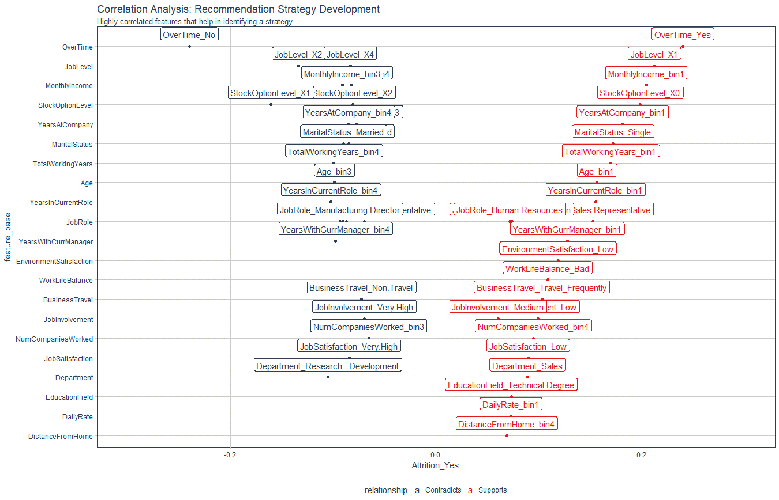
Recommendation Algorithm Strategy

Purpose: | To enable immediate manager to reduce attrition using an automated recommendation system by targetting high risk factors
Strategy Logic: | Uses Correlation Analysis to determine logical strategies that can be adjusted via stakeholder feedback

Feature | Discussion (Hypothesis) | Potential Strategy | Strategy Group
OverTime | Employeees with high OT are leaving | Reduce OT | Work Life
JobLevel | Highter performers in entrly level positions (Level 1) are leaving. Job Level 2 are staying. | Promote faster for high performng employees | Professional Development
MonthlyIncome | Low income Bin 1 is more likely to leave | Skip - include in executive report
StockOptionLevel | Zero stock option - More Likely to leave | Skip - include in executive report
YearsAtCompany (YAC) | YAC - High - Likely to stay / YAC - Low - Likely to leave | Tie promotion if Low to advance faster / Mentor if YAC low | Professional Development / Personal Development
MaritalStatus | Single is more likely to leave | Skip - include in executive report
TotalWorkingYears (TWY) | TWY - High - Likely to stay /TWY - Low - Likely to leave | Tie Low TWY to training & formation/mentorship | Personal Development
Age | See TWY | Skip - Covered by TWY
YearsInCurrentRole (YiCR) | More time in current role related to lower attrition | Incentivize specialization or promote | Professional Development / Personal Development
JobRole | Certain job roles have higher attrition - need to be monitored more closely | Skip - include in executive report
YearsWithCurrManager | See YiCR | Skip - covered in YiCR
EnvironmentSatisfaction | Employees with low environment satifaction are more likely to leave | Improve workplace environment | Work Life
WorkLifeBalance | Bad worklife balance - more likely to leave | Improve worklife balance | Work Life
BusinessTravel | More business travel - more likely to leave / less travel - more likely to stay | Reduce business travel where possible | Work Life
JobInvolvement | High JI - likely to stay / low JI likely to leave | Create personal devleopment plan | Personal Development
NumCompaniesWorked | Bin4 (high) is more likely to leave | Skip - include in executive report
JobSatisfaction | Low JS more likely to leave | Low - personal development plan / Hight - Mentorship roles | Personal Development
Department | Sales is more likely to leave | Skip - include in executive report
EducationField | Technical degree more likely to leave | Skip - include in executive report / perhaps broaden skills
DailyRate | Bin1 more likely to leave | Skip - include in executive report
DistanceFromHome | Hight distance from home - more likely to levave | Monitor work/life balance | Work Life

Correlation Analysis: | Used to investigate the relationship between values within features and the target (Attrition = Yes)

