Sheet1
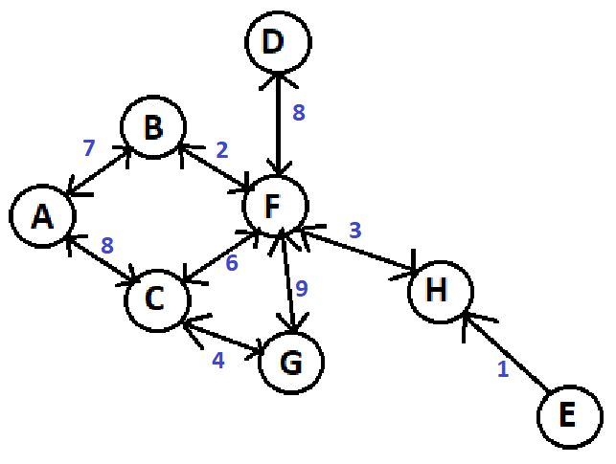
Vertex | Parent | Value | Visited?
A | - | 0 | 1
B | A | 7
C | A | 8
D | - | inf
E | - | inf
F | - | inf
G | - | inf
H | - | inf

Vertex | Parent | Value | Visited?
A | - | 0 | 1
B | A | 7 | 1
C | A | 8
D | - | inf
E | - | inf
F | B | 9
G | - | inf
H | - | inf

Vertex | Parent | Value | Visited?
A | - | 0 | 1
B | A | 7 | 1
C | A | 8 | 1
D | - | inf
E | - | inf
F | B | 9 |  | didn't update F -> (14 > 9)
G | C | 12
H | - | inf

Vertex | Parent | Value | Visited?
A | - | 0 | 1
B | A | 7 | 1
C | A | 8 | 1
D | F | 17
E | - | inf
F | B | 9 | 1
G | C | 12 |  | didn't update G
H | F | 12

Vertex | Parent | Value | Visited?
A | - | 0 | 1
B | A | 7 | 1
C | A | 8 | 1
D | F | 17
E | - | inf
F | B | 9 | 1
G | C | 12 | 1
H | F | 12

Vertex | Parent | Value | Visited?
A | - | 0 | 1
B | A | 7 | 1
C | A | 8 | 1
D | F | 17
E | - | inf
F | B | 9 | 1
G | C | 12 | 1
H | F | 12 | 1

Vertex | Parent | Value | Visited?
A | - | 0 | 1
B | A | 7 | 1
C | A | 8 | 1
D | F | 17 | 1
E | - | inf
F | B | 9 | 1
G | C | 12 | 1
H | F | 12 | 1

Vertex | Parent | Value | Visited?
A | - | 0 | 1
B | A | 7 | 1
C | A | 8 | 1
D | F | 17 | 1
E | - | inf
F | B | 9 | 1
G | C | 12 | 1
H | F | 12 | 1

