Sheet1
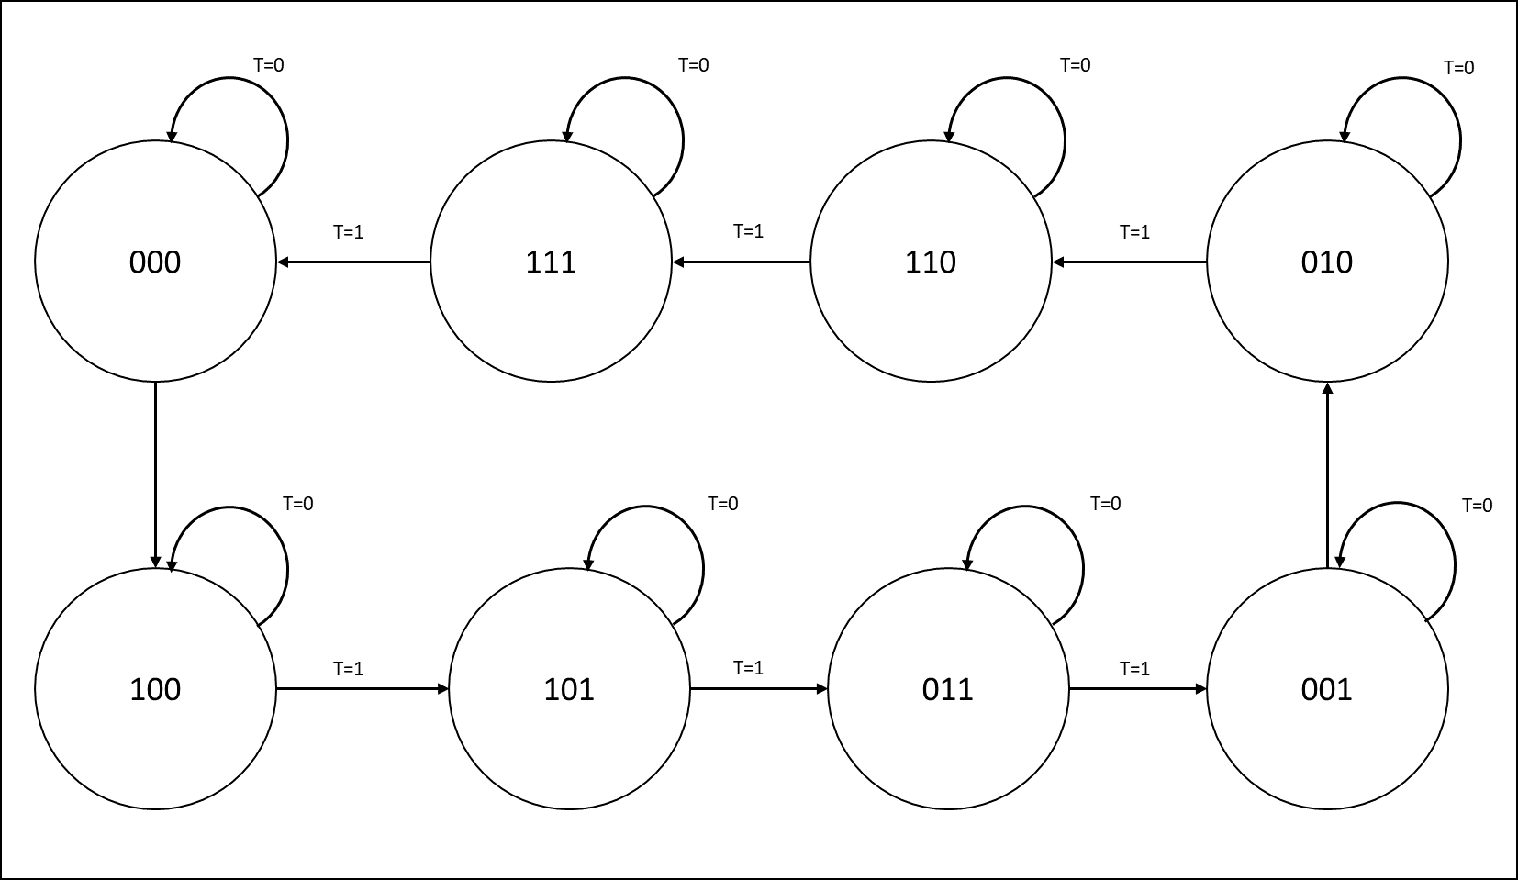
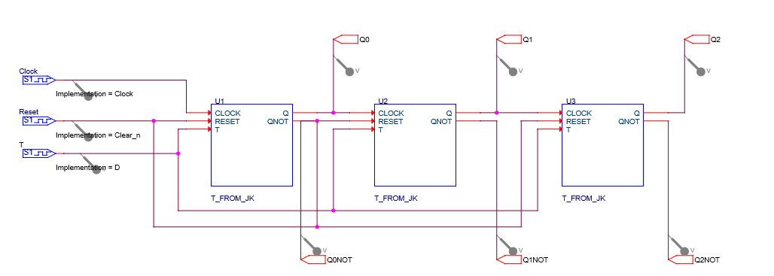
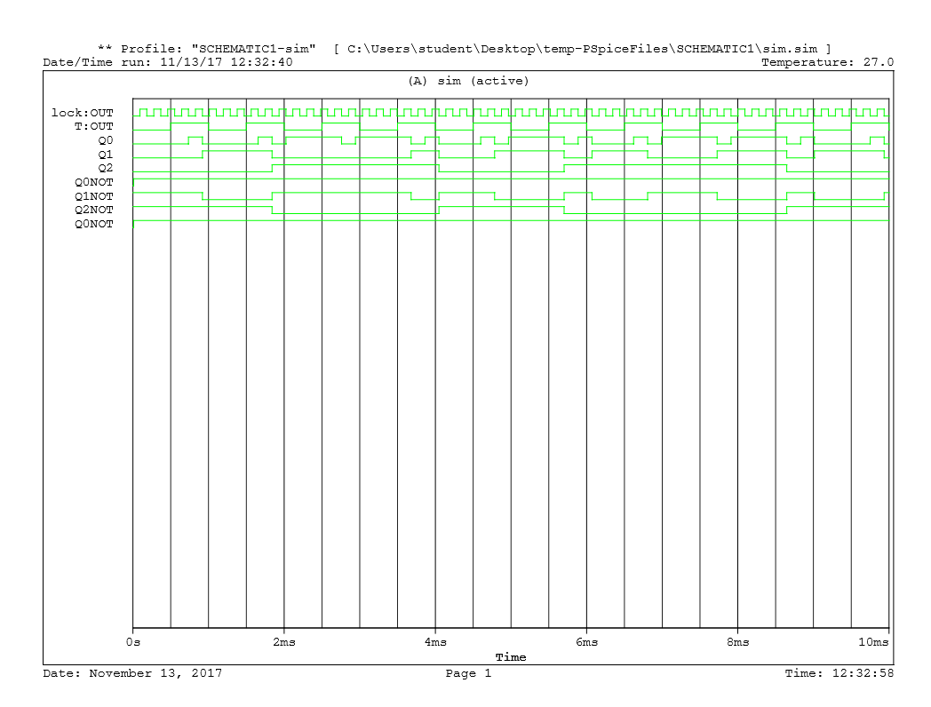
State |  |  | Inputs | Next State |  |  | Outputs
A (U1) | B (U2) | C (U3) | T | A (U1) | B (U2) | C (U3) | Q0 | Q1 | Q2 | Q0NOT | Q1NOT | Q2NOT
0 | 0 | 0 | 0 | 0 | 0 | 0 | 0 | 0 | 0 | 1 | 1 | 1
0 | 0 | 0 | 1 | 1 | 0 | 0 | 0 | 0 | 0 | 1 | 1 | 0
0 | 0 | 1 | 0 | 0 | 0 | 1 | 0 | 0 | 1 | 1 | 1 | 0
0 | 0 | 1 | 1 | 0 | 1 | 0 | 0 | 0 | 1 | 1 | 0 | 1
0 | 1 | 0 | 0 | 0 | 1 | 0 | 0 | 1 | 0 | 1 | 0 | 1
0 | 1 | 0 | 1 | 1 | 1 | 0 | 0 | 1 | 0 | 1 | 0 | 0
0 | 1 | 1 | 0 | 0 | 1 | 1 | 0 | 1 | 1 | 1 | 0 | 0
0 | 1 | 1 | 1 | 0 | 0 | 1 | 0 | 1 | 1 | 0 | 1 | 1
1 | 0 | 0 | 0 | 1 | 0 | 0 | 1 | 0 | 0 | 0 | 1 | 1
1 | 0 | 0 | 1 | 1 | 0 | 1 | 1 | 0 | 0 | 0 | 1 | 0
1 | 0 | 1 | 0 | 1 | 0 | 1 | 1 | 0 | 1 | 0 | 1 | 0
1 | 0 | 1 | 1 | 0 | 1 | 1 | 1 | 0 | 1 | 0 | 0 | 1
1 | 1 | 0 | 0 | 1 | 1 | 0 | 1 | 1 | 0 | 0 | 0 | 1
1 | 1 | 0 | 1 | 1 | 1 | 1 | 1 | 1 | 0 | 0 | 0 | 0
1 | 1 | 1 | 0 | 1 | 1 | 1 | 1 | 1 | 1 | 0 | 0 | 0
1 | 1 | 1 | 1 | 0 | 0 | 0 | 1 | 1 | 1 | 1 | 1 | 1

