Fracture Statistics
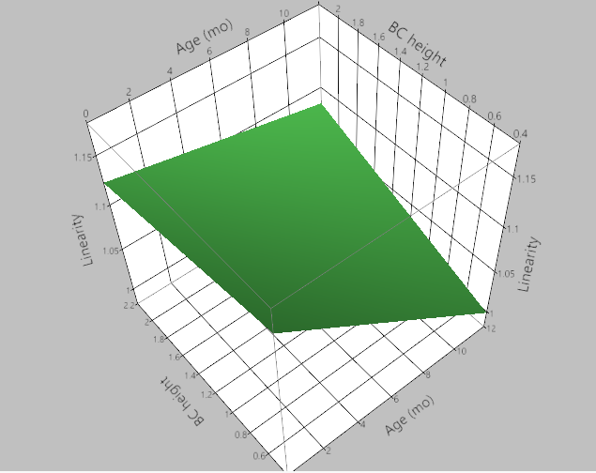
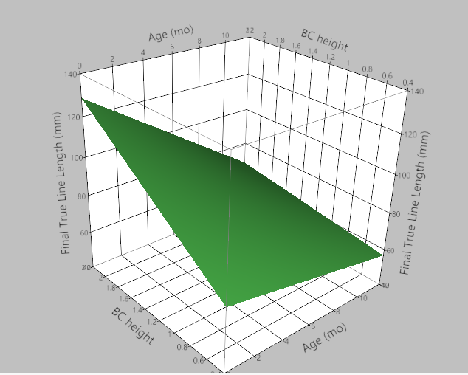
Including all falls (all impact locations; all surfaces; all ages). Only excluding those outside our age range and with weird impacts (fireplace, wall).
1. Ran least squares regression for age (not-binned, but continuous) and height (continuous), and their interaction against our outputs: linearity and fracture length
 | The age of the child had a significant effect on the linearity (p=0.0074). Younger children have more nonlinear fractures.
 | The age interaction with height ALMOST had a significant effect on linearity (p=0.07). As a trend, it seems that at higher heights, the age effect decreases.
 | The age (p=0.0055) AND height (p=0.046) significantly effected the fracture length. As height increases, the fracture length increases; As age increases the fracture length decreases.
2. within the 0-6 and 6-12 groups, I ran another least squares regression with age, height, and their interaction (all continuous)
 | 0-6: Age significantly effected linearity (p=0.0497); Decreased ages had increased nonlinearity
 | 0-6: No effect of age or height on fracture length
 | 6-12: No effect of age or height on linearity or fracture length
3. Within the 0-4; 4-8; 8-12 age categories, I ran the same regression
 | 0-4: No effect of age or height on linearity or fracture length
 | 4-8: Age (p=0.0186) and height (p=0.0417) significantly effected linearity (more nonlinear in younger kids; more nonlinear at higher falls)
 | 4-8: height (p=0.0062) significantly effected fracture length (higher falls increase length)
 | 4-8: age had no effect on fracture length
 | 8-12: no effect of age and height on linearity or fracture length

Only including the parietal only fractures (excludes combinations of parietal/occipital/frontal) - all ages; all heights; all surfaces
1. Ran least square regression for age (continuous) and height (continuous)
 | The age of the child had a signfiicant effect on the linearity (p<0.001). Younger children have more nonlinear fractures
 | The age (p=0.0142) and height (p=0.0399) significantly effect the fracture length. Older children have shorter fractures; Higher heights have longer fractures
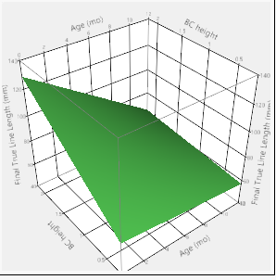
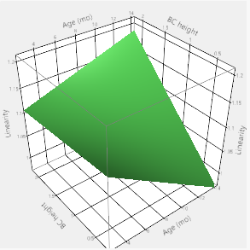
 |  | Images are from all fracture locations.

For parietal fx only:

