Sheet1
Manufacturer | Bay Area Circuits
Dielectric Material | FR-4
Dielectric Constant | 4.58 | +/-0.02
Dielectric Constant (Effective) | 3.5564166583
Trace Height (mils) | 1.9 | +/-0.2
Dielectric Height (mils) | 57
Frequency (GHz) | 2.45
Effective Wavelength (mm) | 64.930515737
Effective Wavelength (mils) | 2556.3208976 | 1278.1604488 | 639.0802244

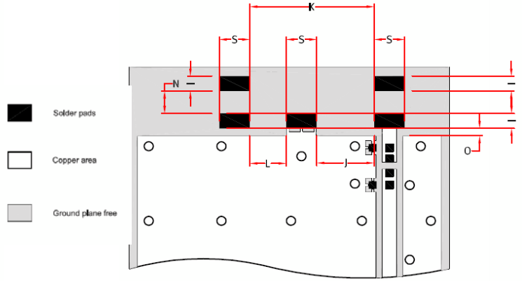
Reference | Antenova-Rufa-A5837-A5887-PS-1-2.pdf |  |  |  |  |  | Note: Dielectric information, ground, and via dimensions not given.
 |  | (mm) | (mils) |  | (mm) | (mils)
 | L | 12.8 | 503.93728 |  |  |  |  | I | 1 | 39.3701
 | W | 3.9 | 153.54339 | 0.060064207958 | of effective wavelength |  |  | S | 2 | 78.7402
 | Sides | 2 | 78.7402 |  |  |  |  | K | 8.1 | 318.89781
 |  |  |  |  |  |  |  | J | 3.7 | 145.66937
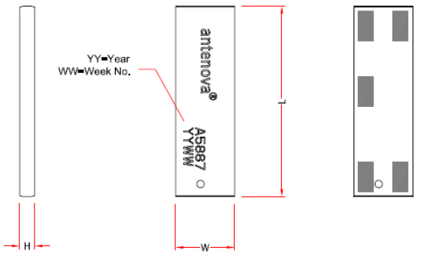
 |  |  |  |  |  |  |  | N | 1.3 | 51.18113
 |  |  |  |  |  |  |  | L | 2.4 | 94.48824
 |  |  |  |  |  |  |  | O | 0.5 | 19.68505

 | Notes: | Antenna should have clearance of >=2mm on its sides.
 |  | Middle pad is connected to ground with thermal relief-like connection.
 |  | Keepout around edges antenna measured at 20mil on top and 99mil on the right side and 188mil on the left side.
 |  | CPWG using 42mil trace width and 10mil ground plane spacing provides 59.54 ohmcharacteristic impedance.
 |  | Via array spaced 14mil x 127mil apart.

