Sheet1
Manufacturer | Bay Area Circuits
Dielectric Material | FR-4
Dielectric Constant | 4.58 | +/-0.02
Dielectric Constant (Effective) | 4.1713494663
Trace Height (mils) | 1.9 | +/-0.2
Dielectric Height (mils) | 57
Frequency (GHz) | 2.45
Effective Wavelength (mm) | 59.953823157
Effective Wavelength (mils) | 2360.3880131 | 1180.1940065 | 590.09700326

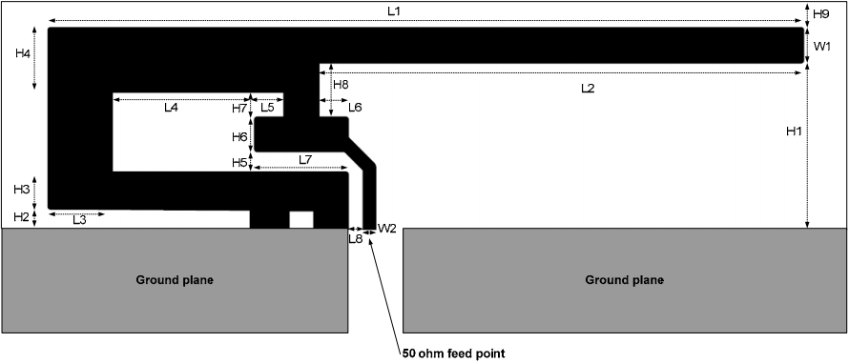
Reference | TI-swru120b.pdf (DN007) |  |  |  |  |  |  | Note: Dielectric information and ground/sides dimensions not given.
 |  | (mm) | (mils) |  | (mm) | (mils)
 | H1 | 5.7 | 224.40957 | W2 | 0.46 | 18.110246
 | H2 | 0.74 | 29.133874 | L1 | 25.58 | 1007.087158 | 0.42666169817 | of effective wavelength
 | H3 | 1.29 | 50.787429 | L2 | 16.4 | 645.66964
 | H4 | 2.21 | 87.007921 | L3 | 2.18 | 85.826818
 | H5 | 0.66 | 25.984266 | L4 | 4.8 | 188.97648
 | H6 | 1.21 | 47.637821 | L5 | 1 | 39.3701
 | H7 | 0.8 | 31.49608 | L6 | 1 | 39.3701
 | H8 | 1.8 | 70.86618 | L7 | 3.2 | 125.98432
 | H9 | 0.61 | 24.015761 | L8 | 0.45 | 17.716545
 | W1 | 1.21 | 47.637821

Actual Design
 |  | (mm) | (mils) |  | (mm) | (mils)
 | H1 | 5.6895969276 | 224 | W2 | 0.45719975311 | 18
 | H2 | 0.73659960224 | 29 | L1 | 25.577786188 | 1007 | 0.42662477289 | of effective wavelength
 | H3 | 1.2953993005 | 51 | L2 | 16.408391139 | 646
 | H4 | 2.2097988067 | 87 | L3 | 2.1843988204 | 86
 | H5 | 0.66039964338 | 26 | L4 | 4.8005974077 | 189
 | H6 | 0.71119961595 | 28 | L5 | 0.99059946508 | 39
 | H7 | 0.81279956109 | 32 | L6 | 0.99059946508 | 39
 | H8 | 1.8033990262 | 71 | L7 | 3.2003982718 | 126
 | H9 | 0.60959967082 | 24 | L8 | 0.45719975311 | 18
 | W1 | 1.2191993416 | 48 | Sides | 1.0159994514 | 40

 | Notes: | CPWG feedline impedance of 51.84ohm generated with 42mil trace width and 6mil ground spacing on each side.
 |  | One row of vias placed 20mils from the keepout, 86.5mils apart from each other, and 19.5mils away from the CPWG.

