Sheet1
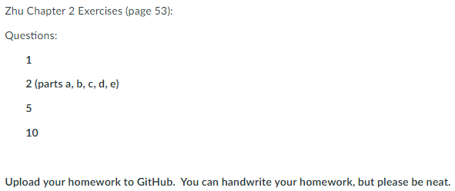
 | Problem | Signed | Unsigned | Deductions
1a | 010000 | 16 | 16
1b | 100001 | -31 | 33 | 1
1c | 010111 | 23 | 23
1d | 111000 | -8 | 56 | 1
1e | 111001 | -7 | 57 | 1
1f | 001111 | 15 | 15
1g | 101011 | -21 | 43 | 1
1h | 110110 | -10 | 54 | 1
1i | 101010 | -22 | 42 | 1
1j | 100011 | -29 | 35 | 1

 | Problem | Carry Flag | Overflow Flag | Deductions
2a | -7 + (-29) | 1 | 1
2b | 31 + 11 | 0 | 1 | 1
2c | 15 - 19 | 0 | 0
2d | -7 x (-3) | low 6 bits of product are 010101, flag bits are not applicable |  | 1
2e | -7 x (3) | low 6 bits of product are 101011, flag bits are not applicable

 | Problem | Carry Flag | Overflow Flag | Deductions
5a | 1101 + 1100 | 1 | 0
5b | 1101 - 1100 | 1 | 0 | 1
5c | 1100 + 1010 | 1 | 1
5d | 0100 - 0110 | 0 | 0 | 1
5e | 0100 + 0010 | 0 | 0
5f | 0100 + 0110 | 0 | 1 | 1
5g | 1100 - 0110 | 1 | 1 | 1

 |  |  |  |  | Deductions
10 | "Cortex-M" in memory | 0x20008000 | C | 0x43
 |  | 0x20008001 | o | 0x6F
 |  | 0x20008002 | r | 0x72
 |  | 0x20008003 | t | 0x74
 |  | 0x20008004 | e | 0x65
 |  | 0x20008005 | x | 0x78
 |  | 0x20008006 | - | 0x2D
 |  | 0x20008007 | M | 0x4D
 |  | 0x20008008 | NULL | 0x00

 | Total deductions | 11.00
 | Total score | 4.50

