Best Models
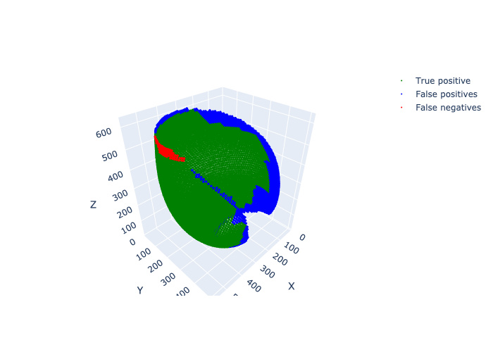
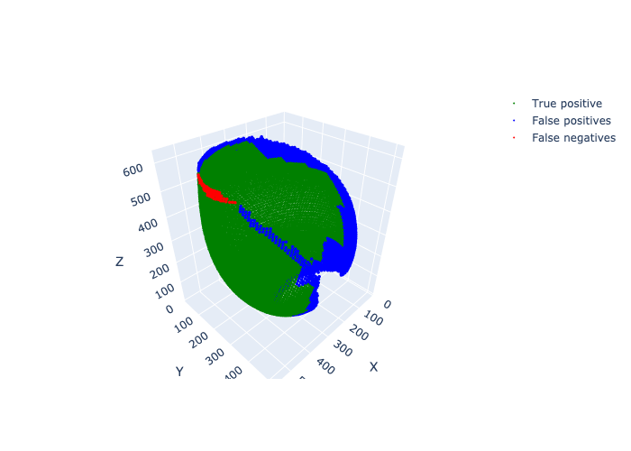
Config Path | Scan Path | Num TPS | Num FPS | Num FNS | Recall | F1
./configs/fiddlercrab_corneas.yaml | ./dataset/fiddlercrab_corneas/whole/test_images_10//dampieri_male_16-image.nii | 5181 | 1230 | 75 | 0.98573059361 | 0.88814605297
./configs/fiddlercrab_corneas_hist_std.yaml | ./dataset/fiddlercrab_corneas/whole/test_images_10//dampieri_male_16-image.nii | 5188 | 1411 | 68 | 0.98706240487 | 0.87524251371
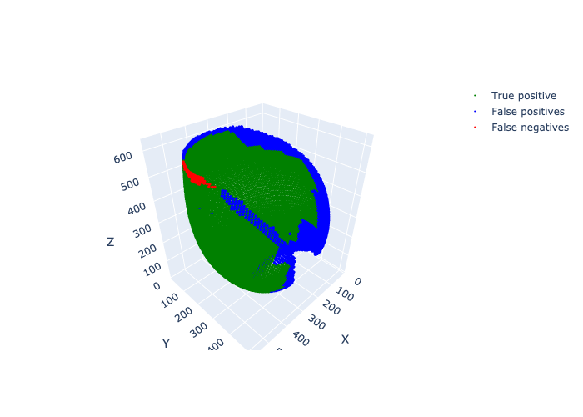
./configs/fiddlercrab_corneas_hist_std_z_norm.yaml | ./dataset/fiddlercrab_corneas/whole/test_images_10//dampieri_male_16-image.nii | 5204 | 1518 | 52 | 0.9901065449 | 0.868926365

./configs/fiddlercrab_corneas_random_affine_prop_1.yaml | ./dataset/fiddlercrab_corneas/whole/test_images_10//dampieri_male_16-image.nii | 5209 | 1555 | 47 | 0.99105783866 | 0.86672212978
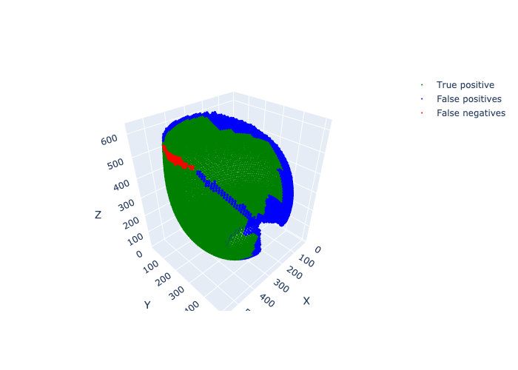
./configs/fiddlercrab_corneas_without_elastic_deformation.yaml | ./dataset/fiddlercrab_corneas/whole/test_images_10//dampieri_male_16-image.nii | 5193 | 1397 | 63 | 0.98801369863 | 0.87675164613
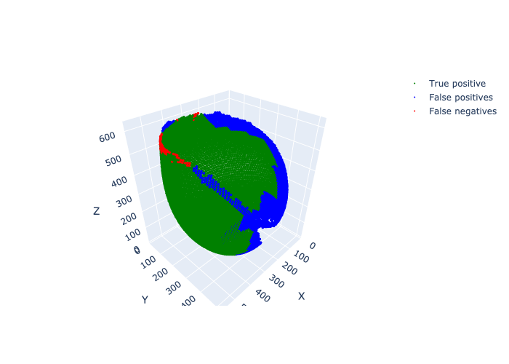
./configs/fiddlercrab_corneas_without_random_rotation.yaml | ./dataset/fiddlercrab_corneas/whole/test_images_10//dampieri_male_16-image.nii | 5182 | 1926 | 74 | 0.98592085236 | 0.83824005176
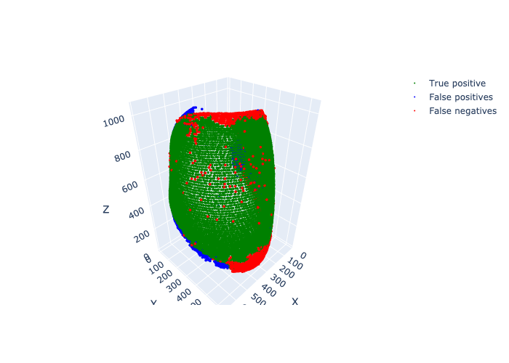
./configs/fiddlercrab_rhabdoms.yaml | ./dataset/fiddlercrab_rhabdoms/whole/test_images_10//flammula_20190925_male_left-image.nii | 6396 | 1108 | 1735 | 0.78661911204 | 0.8181643748
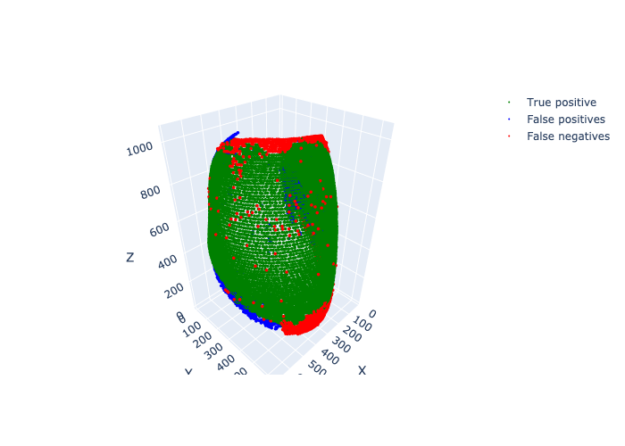
./configs/fiddlercrab_rhabdoms_hist_std.yaml | ./dataset/fiddlercrab_rhabdoms/whole/test_images_10//flammula_20190925_male_left-image.nii | 6599 | 1547 | 1532 | 0.81158529086 | 0.8108373779

./configs/fiddlercrab_rhabdoms_hist_std_z_norm.yaml | ./dataset/fiddlercrab_rhabdoms/whole/test_images_10//flammula_20190925_male_left-image.nii | 6700 | 966 | 1431 | 0.82400688722 | 0.84826232829

./configs/fiddlercrab_rhabdoms_with_target_heatmap_masking.yaml | ./dataset/fiddlercrab_rhabdoms/whole/test_images_10//flammula_20190925_male_left-image.nii | 6470 | 1111 | 1661 | 0.79572008363 | 0.82357433809

./configs/fiddlercrab_rhabdoms_without_elastic_deformation.yaml | ./dataset/fiddlercrab_rhabdoms/whole/test_images_10//flammula_20190925_male_left-image.nii | 6758 | 787 | 1373 | 0.83114008117 | 0.86220974738
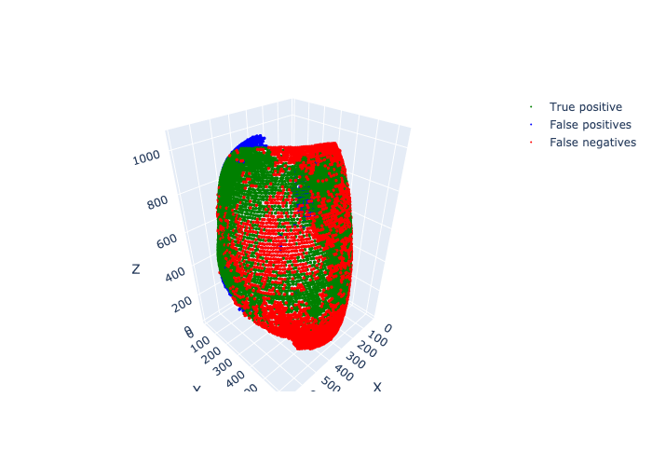
./configs/fiddlercrab_rhabdoms_without_random_rotation.yaml | ./dataset/fiddlercrab_rhabdoms/whole/test_images_10//flammula_20190925_male_left-image.nii | 4299 | 869 | 3832 | 0.52871725495 | 0.64651477555

./configs/fiddlercrab_rhabdoms_without_random_scale.yaml | ./dataset/fiddlercrab_rhabdoms/whole/test_images_10//flammula_20190925_male_left-image.nii | 6374 | 1071 | 1757 | 0.78391341778 | 0.81843862352
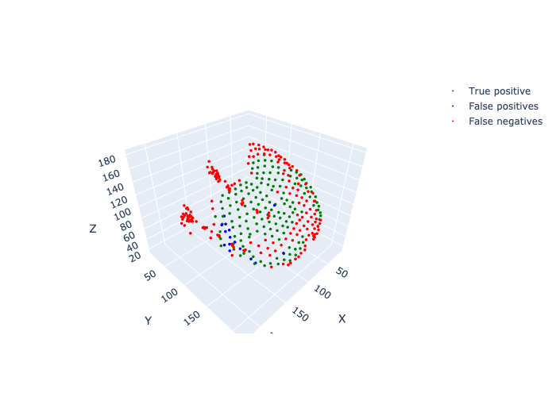
./configs/paraphronima_corneas_without_random_rotation.yaml | ./dataset/paraphronima_corneas/whole/test_images_10//P_crassipes_FEG190213_003b_02_head-image.nii | 155 | 15 | 203 | 0.43296089385 | 0.58712121212
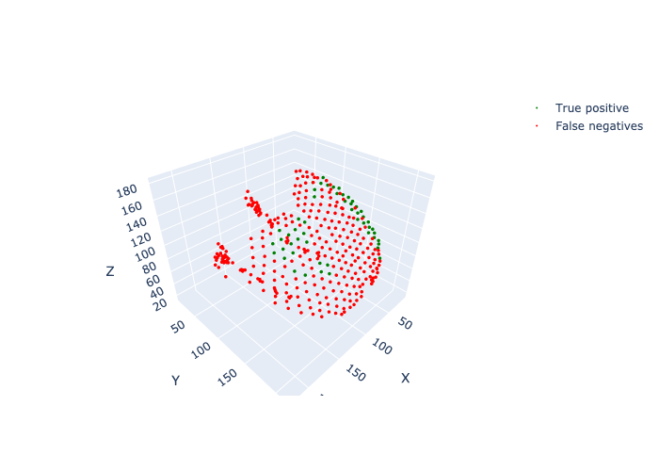
./configs/paraphronima_corneas_without_random_scale.yaml | ./dataset/paraphronima_corneas/whole/test_images_10//P_crassipes_FEG190213_003b_02_head-image.nii | 52 | 0 | 306 | 0.14525139665 | 0.25365853659
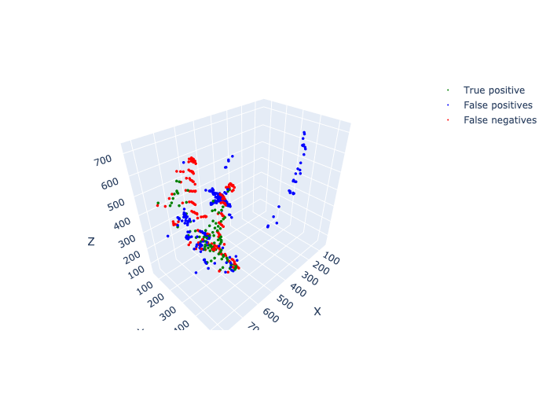
./configs/paraphronima_rhabdoms.yaml | ./dataset/paraphronima_rhabdoms/whole/test_images_10//FEG200205_108_crop-image.nii | 95 | 226 | 167 | 0.36259541985 | 0.32590051458
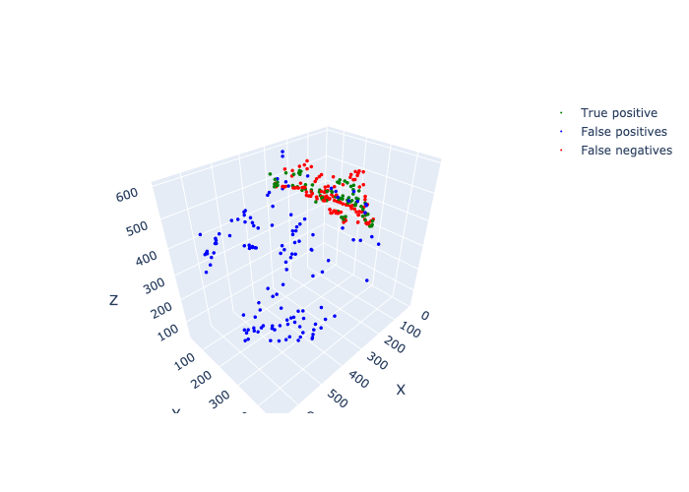
./configs/paraphronima_rhabdoms_without_elastic_deformation.yaml | ./dataset/paraphronima_rhabdoms/whole/test_images_10//P_crassipes_FEG191022_077A-image.nii | 78 | 130 | 128 | 0.3786407767 | 0.3768115942
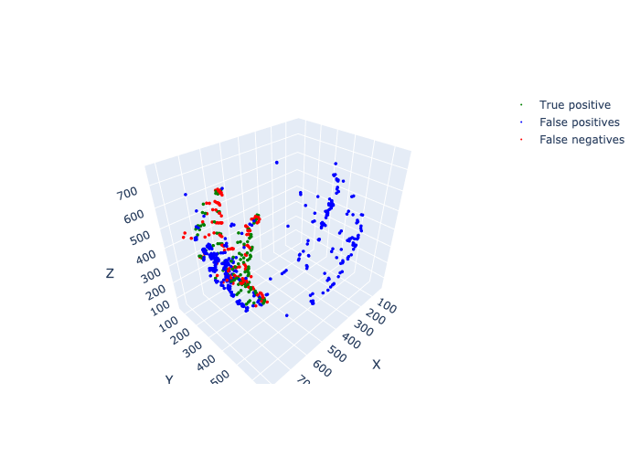
./configs/paraphronima_rhabdoms_without_random_rotation.yaml | ./dataset/paraphronima_rhabdoms/whole/test_images_10//FEG200205_108_crop-image.nii | 127 | 346 | 135 | 0.48473282443 | 0.34557823129
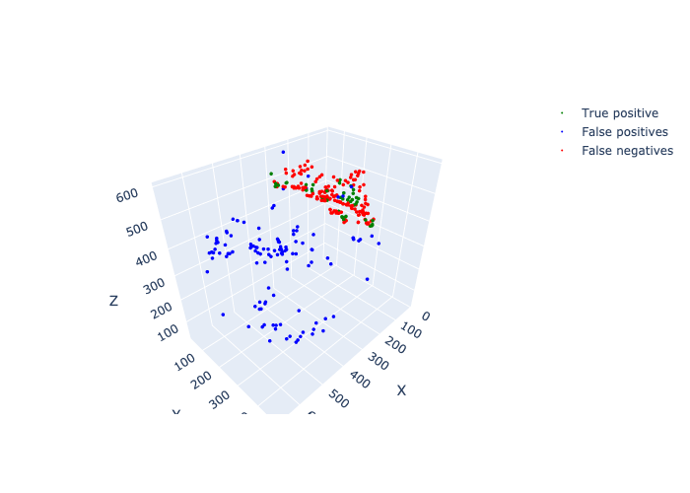
./configs/paraphronima_rhabdoms_without_random_scale.yaml | ./dataset/paraphronima_rhabdoms/whole/test_images_10//P_crassipes_FEG191022_077A-image.nii | 46 | 120 | 160 | 0.22330097087 | 0.24731182796
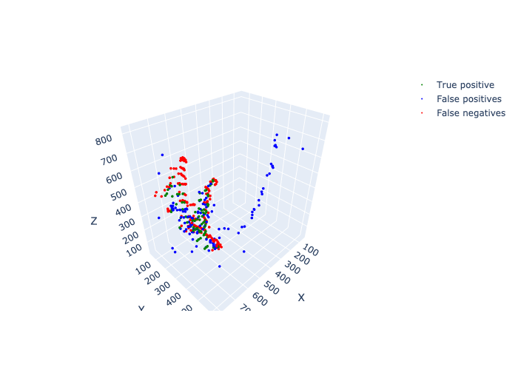
./configs/paraphronima_rhabdoms_without_target_heatmap_masking.yaml | ./dataset/paraphronima_rhabdoms/whole/test_images_10//FEG200205_108_crop-image.nii | 93 | 131 | 169 | 0.35496183206 | 0.38271604938

