3.16
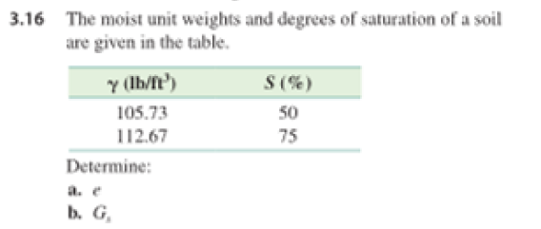
moist unit weight (lb/ft^3) | degree of saturation | bulk density (gamma_m)
105.73 | 50% | ((G_s+0.5e)*62.4)/(1+e)
112.67 | 75% | ((G_s+0.75e)*62.4)/(1+e)
 |  | ((G_s+S*e)*62.4)/(1+e)

3.18
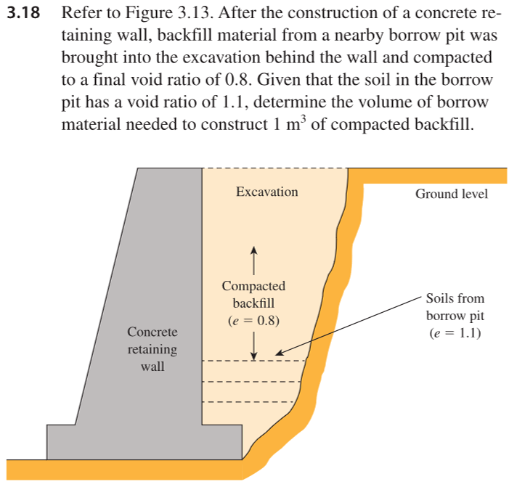
e_bp | 1.1
e_f | 0.8

e_1=V_v/V_s=(V_1-V_s)/(V_s)=e_bf

V_1 | (1+e_bp)V_s=1
V_2 | (1+e_f)V_s

V_s | 0.47619047619

V_2 | 0.85714285714

3.24
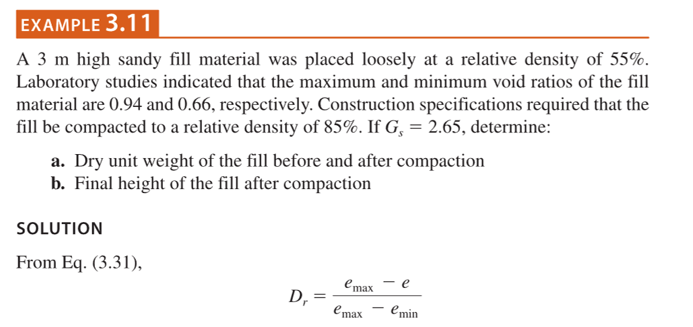

D_r | 40%
e_max | 0.9
e_min | 0.46
G_s | 2.65
rho | 62.4
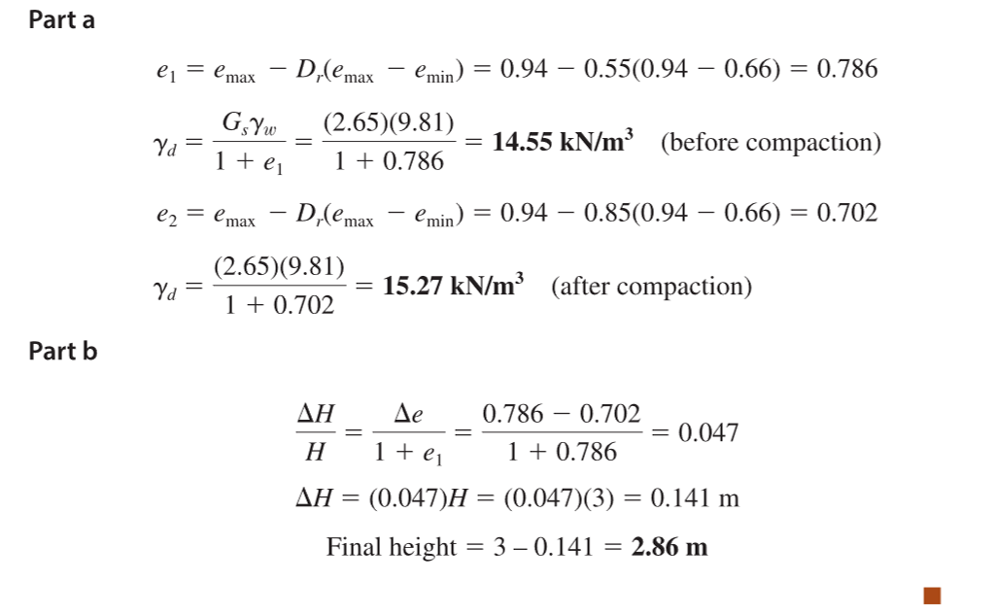
e_1 | 0.724
gamma_d | 95.916473318 | lb/ft^3

D_r | 75%

e_2 | 0.57
delH | 0.53596287703 | ft

