4.3
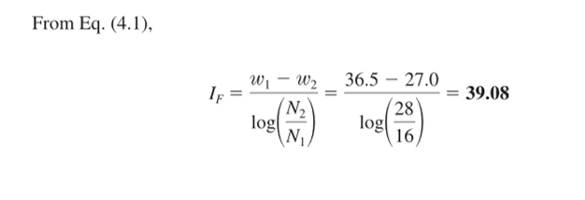
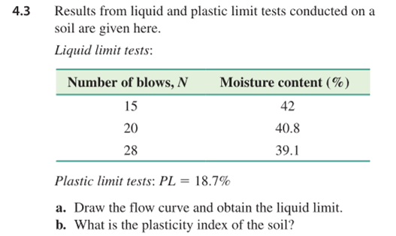
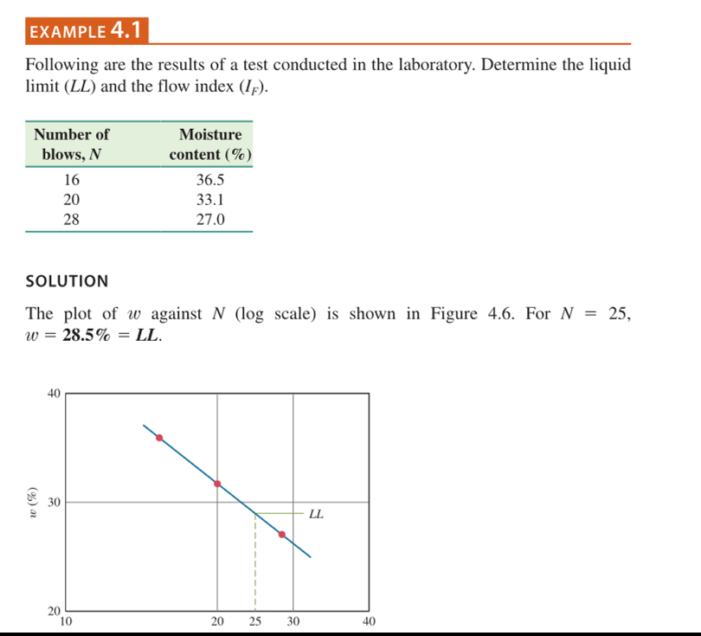
N | w
15 | 42
20 | 40.8
28 | 39.1

Liquid Limit
25 | 39.7445

Plasticity Index
21.0445

4.8
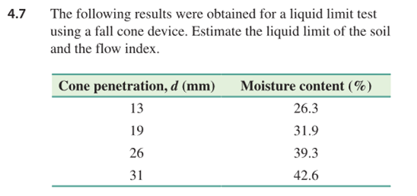
d | 17
w | 28.5

4.5 | 30.080880539
4.6 | 30.079155673
4.7 | 30.070220625

4.10
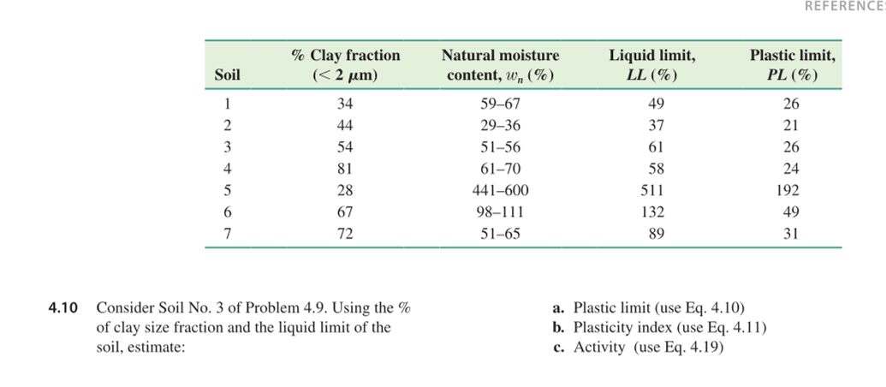
clay fraction | 54
LL | 61
PL | 26

PL | 26.48
PI | 34.52
A | 0.64

