5.2
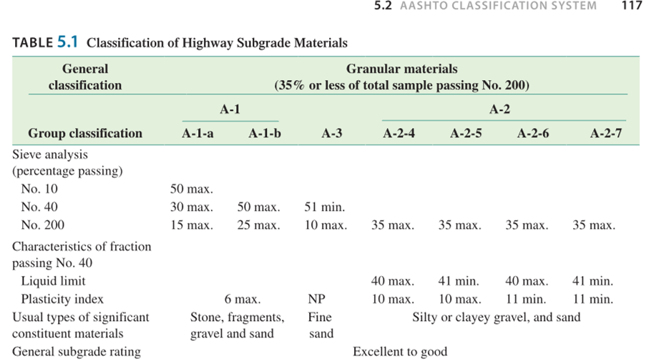
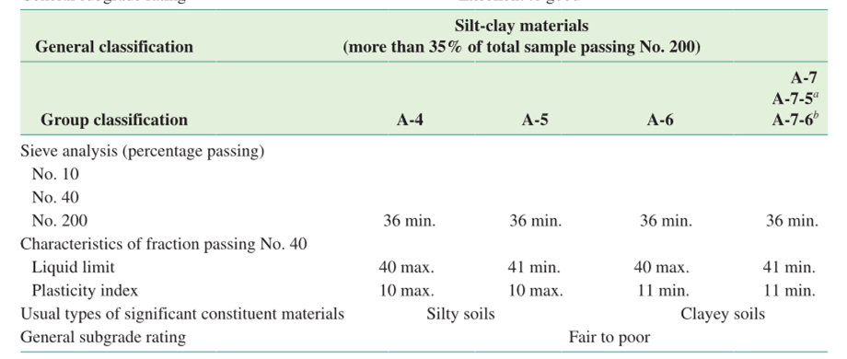
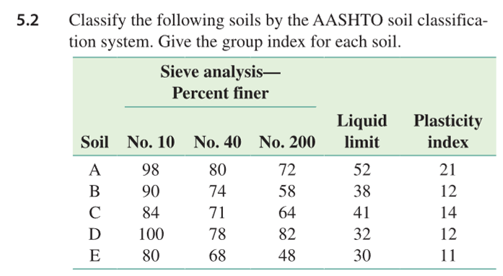
Soil | No. 10 | No. 40 | No. 200 | Liquid Limit | Plasticity Index | GI | LL-30 | Classification
A | 98 | 82 | 72 | 56 | 25 | 19 | 26 | A-7-5
B | 90 | 74 | 58 | 38 | 12 | 5 | 8 | A-6
C | 84 | 71 | 64 | 41 | 14 | 8 | 11 | A-7-6
D | 100 | 78 | 82 | 32 | 12 | 9 | 2 | A-6
E | 80 | 68 | 48 | 30 | 11 | 2 | 0 | A-6

table 5.1 and equation 5.1

5.6
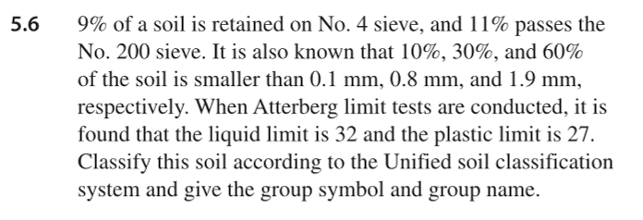
Coarse-grained soil from 11% passing 200
Sands from 9% retained 4

D_60 | 1.9
D_30 | 0.8
D_10 | 0.1
C_u | 19
C_c | 3.37
LL | 32
PL | 27
PI | 5 |  | table 5.2
A-Line | 8.76
Gravel | 9%

Group Symbol | SP | since C_c is greater than 3
 | SM | since PI plots below A-Line

figure 5.3
since gravel < 15% | Poorly graded sand with silt

