6.3
volume | weight | moisture | wet unit weight (lb/ft^3) | dry unit weight (lb/ft^3)
0.03 | 3.26 | 8.4 | 97.8 | 90.221402214
0.03 | 4.15 | 10.2 | 124.5 | 112.97640653
0.03 | 4.67 | 12.3 | 140.1 | 124.75512021
0.03 | 4.02 | 14.6 | 120.6 | 105.23560209
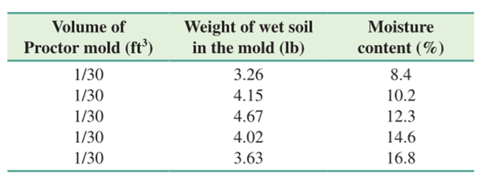
0.03 | 3.63 | 16.8 | 108.9 | 93.23630137

max dry | 124.75512021

6.8
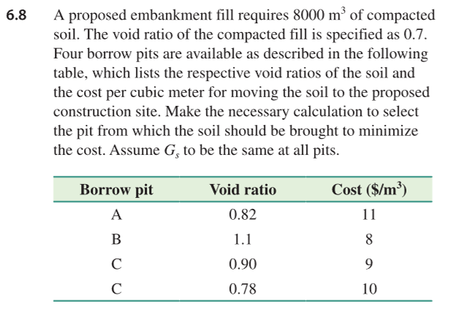
pit | e | cost | excavated | cost
A | 0.82 | 11 | 8564.7058824 | 94211.764706
B | 1.1 | 8 | 9882.3529412 | 79058.823529
C | 0.9 | 9 | 8941.1764706 | 80470.588235
C | 0.78 | 10 | 8376.4705882 | 83764.705882

V | 8000
e | 0.7
total dry unit weight | 293647.05882

