7.2
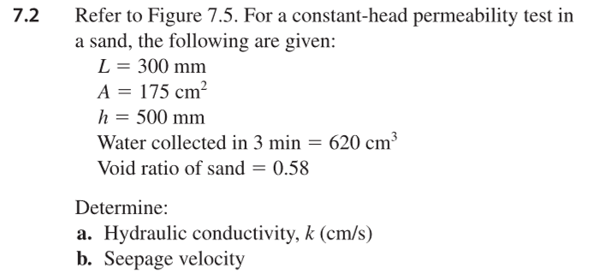
L | 300 | mm | k=QL/Aht
A | 175 | cm^2
h | 500 | mm | v_s=kh/L*(1+e)/e
Q | 620 | cm^3
t | 3 | min
e | 0.58

k | 0.01180952381 | cm/s
v_s | 0.053617952928 | cm/s

7.8
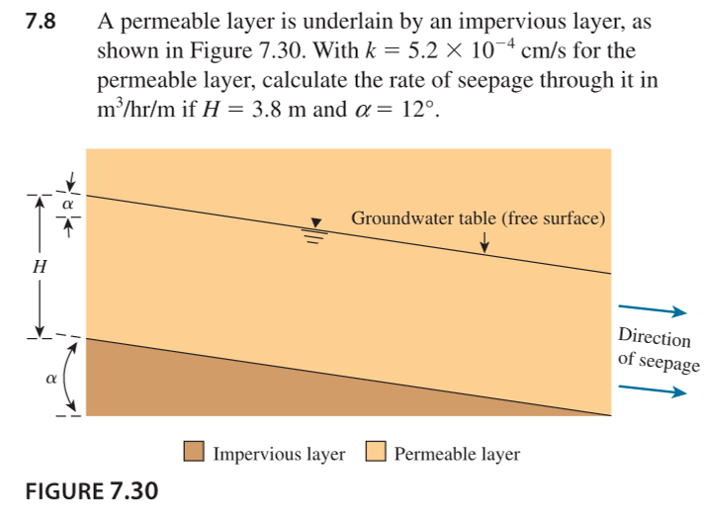
H | 3.8 | m
k | 0.0000052 | m/s
alpha | 12
cos alpha | 0.97814760073
sin alpha | 0.20791169082 |  | i=deltaH/L
 |  |  | where deltaH = head loss = L * tan alpha
Q | 4.0185580336E-06 | m^3/s/m | i=Ltanalpha/(L/cosalpha)=sin alpha
Q | 0.014466808921 | m^3/hr/m | A=hcos alpha

 |  |  | Q=kiA

7.16
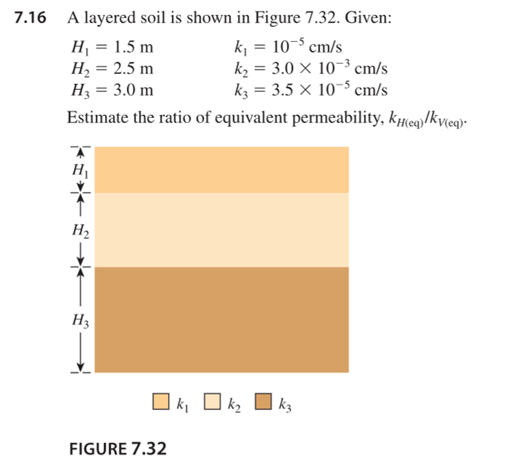
 | H | k | mult | div
1 | 1.5 | 0.00001 | 0.000015 | 150000
2 | 2.5 | 0.003 | 0.0075 | 833.33333333
3 | 3 | 0.000035 | 0.000105 | 85714.285714

 |  |  | 0.0010885714286 | 2.9592350277E-05

 |  |  |  | 36.785568513

7.18

n | k | 200k | disch | seep | h
0.5 | 0.005 | 1 | 0.39166666667 | 0.78333333333 | 4.9496222222
0.6 | 0.042 | 8.4 | 3.29 | 5.4833333333 | 0.58924074074
0.33 | 0.00039 | 0.078 | 0.03055 | 0.092575757576

 |  | 0.00015796666667

A | 0.017671458676 | 176.71458676

i | 0.78333333333

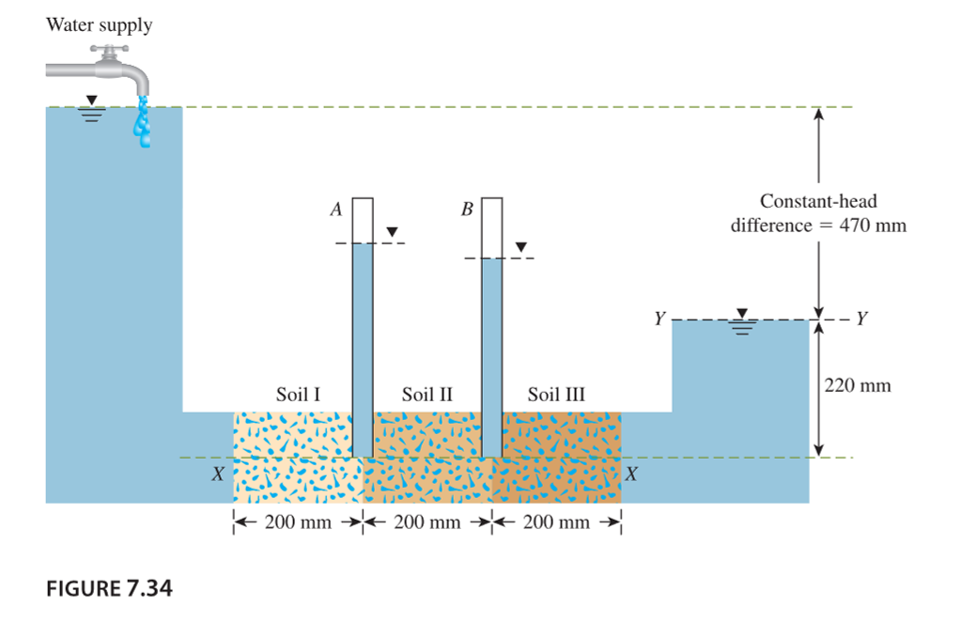
Q | 2.1866761141E-06
 | 0.0078720340108

delH | 156.66666667
delH2 | 313.33333333
delH3 | 470
 | 250

 | 640.5
 | 634.6

