8.2
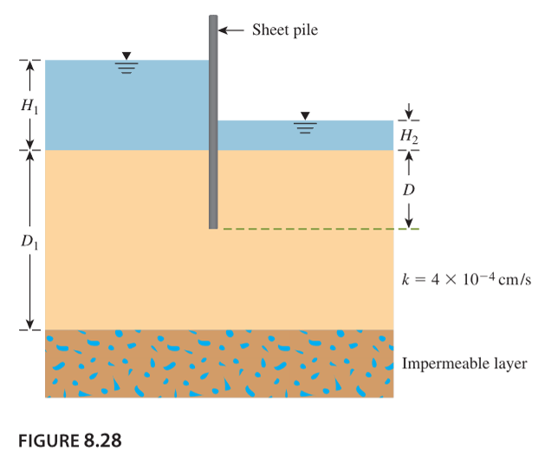
k | 0.000004 |  | q=k * HN_f/N_d
N_f | 3 | (3 flow channels from image)
N_d | 6 | (6 potential drops)
H1 | 3
H2 | 0.5

q | 0.000005 | m^3/s/m

8.6
k | 0.00001
N_f | 4
N_d | 14
H1 | 10
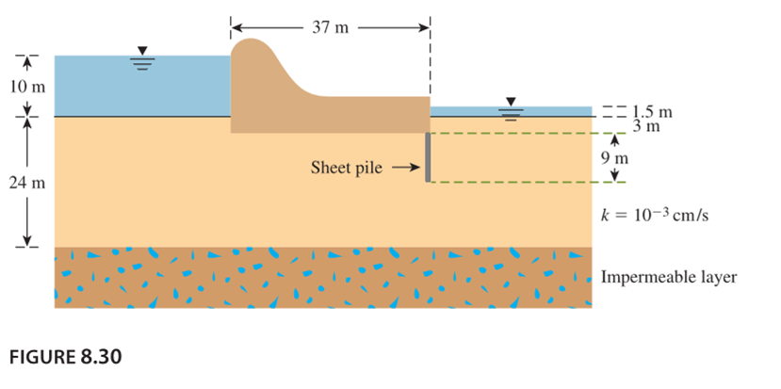
H2 | 1.5

q | 2.4285714286E-05

8.8
H | 7
alpha1 | 35
H_1 | 10
L_1 | 5
alpha2 | 40
m | 0.25
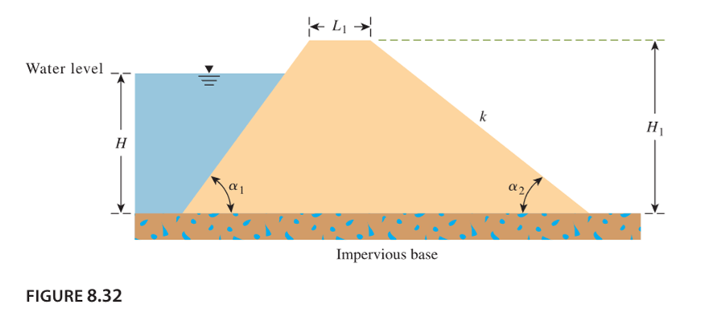

delta | 9.9970360472
d | 24.20109076
L | 1.9362755141
q | 3.133065217E-06
q | 0.27069683475

L | 2.722516697
q | 3.3746349509E-06
q | 0.29156845975

8.9
