9.2
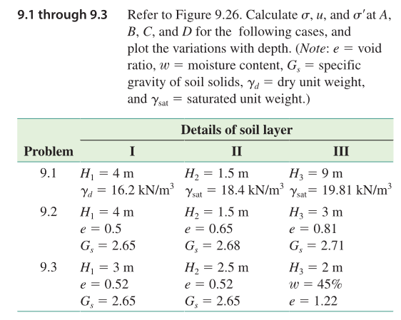
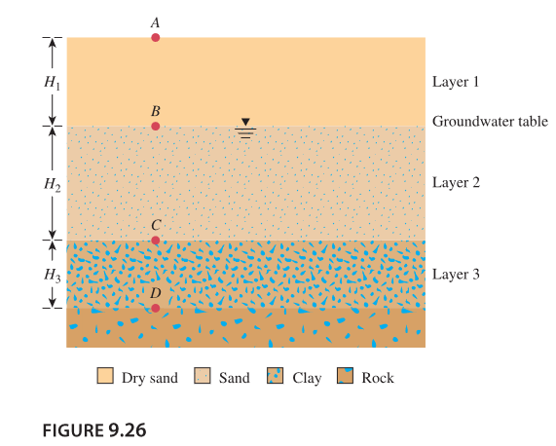
 | depth | sigma | u | sigma'
A | 0 | 0 | 0 | 0
B | -4 | 69.324 | 0 | 69.324
C | -5.5 | 99.021545455 | 14.715 | 84.306545455
D | -8.5 | 156.2555786 | 44.145 | 112.1105786

 | 1 | 2 | 3 |  | gamma_d | 17.331
H | 4 | 1.5 | 3 |  | gamma_sat_2 | 19.798363636
e | 0.5 | 0.65 | 0.81 |  | gamma_sat_3 | 19.07801105
G_s | 2.65 | 2.68 | 2.71

9.6
w | 0.4
Gs | 2.7

e | 1.08
gamma_sat | 113.4
u | 1123.2

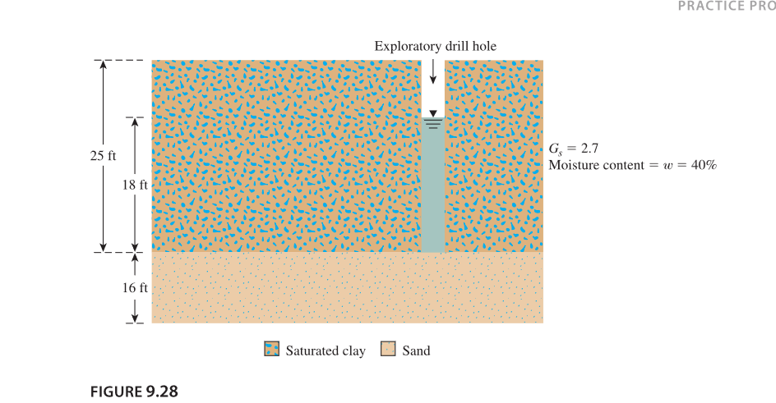
 | 15.095238095

9.14
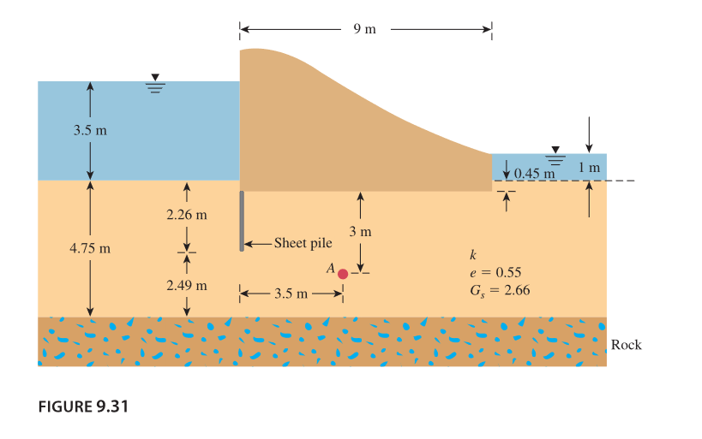

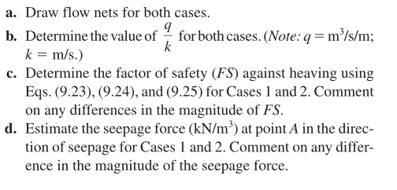

0.42735042735

2.0980392157
2.488372093

