Sheet1
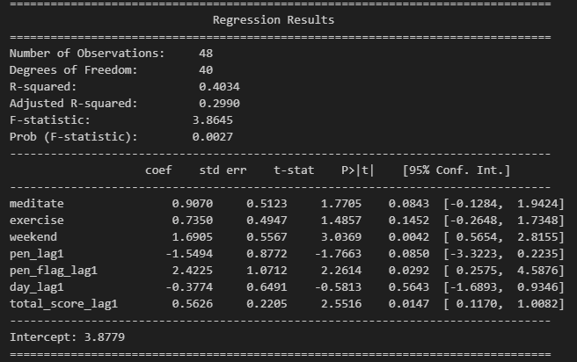
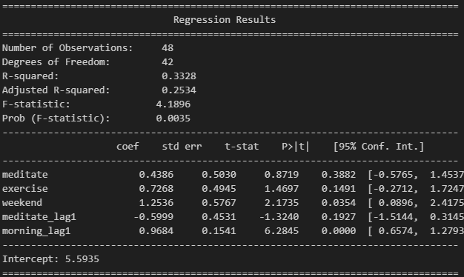
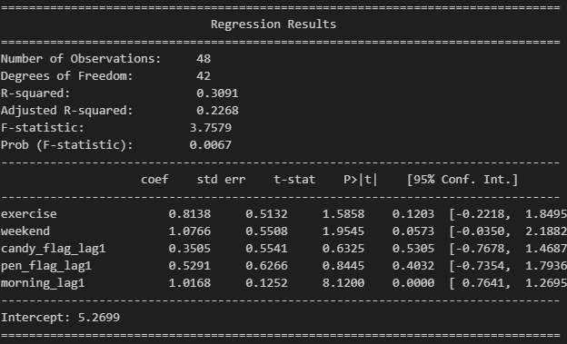

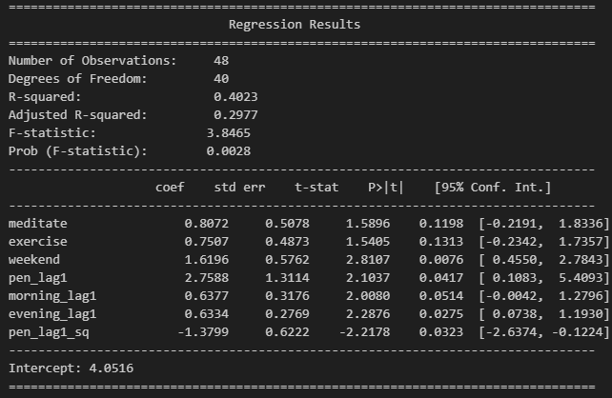
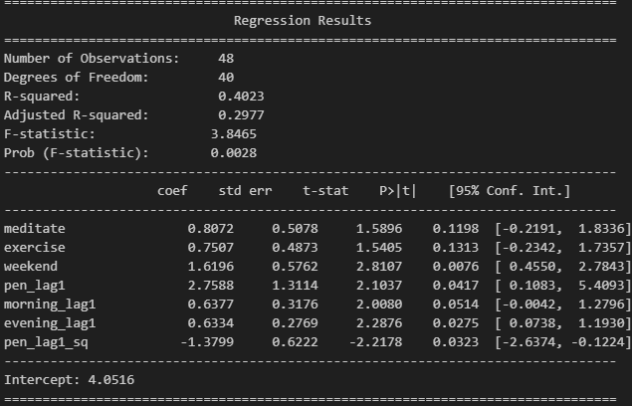

 |  | Lag quadractic Calc
Coefficients |  | 0.25 | 0.38 | 0.44175 | -0.0645
x | 1.767 | 0.5 | 0.63 | 0.8835 | -0.258
x^2 | -1.032 | 0.75 | 0.74 | 1.32525 | -0.5805
 |  | 1 | 0.73 | 1.767 | -1.032
 |  | 1.25 | 0.60 | 2.20875 | -1.6125
 |  | 1.5 | 0.33 | 2.6505 | -2.322
 |  | 1.75 | -0.07 | 3.09225 | -3.1605
 |  | 2 | -0.59 | 3.534 | -4.128
 |  | 2.25 | -1.25 | 3.97575 | -5.2245
 |  | 2.5 | -2.03 | 4.4175 | -6.45
 |  | 2.75 | -2.95 | 4.85925 | -7.8045
 |  | 3 | -3.99 | 5.301 | -9.288
 |  | 3.25 | -5.16 | 5.74275 | -10.9005
 |  | 3.5 | -6.46 | 6.1845 | -12.642

