PinMappingGraphic
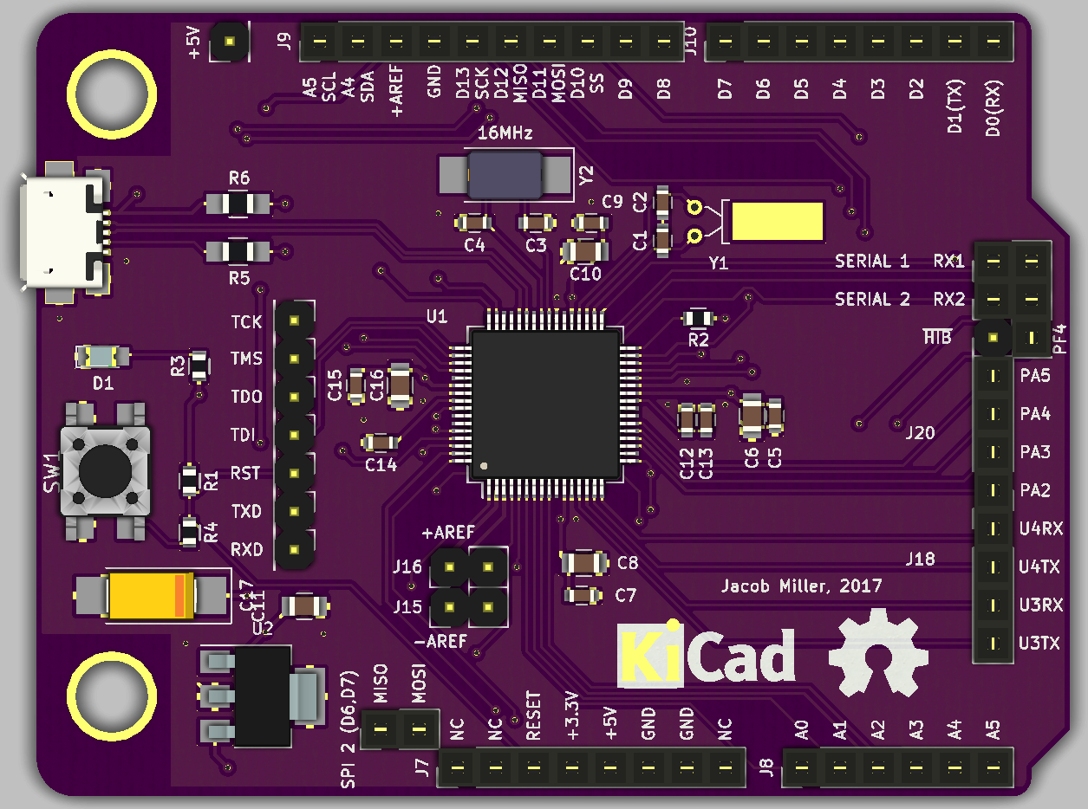
 |  | 2007-04-26 | Arduino-Tiva

 |  | Analog
 |  | Digital
 |  | Tiva Port Name
 |  |  |  |  |  |  |  |  |  | 5 V (USB_VBUS)

 |  |  |  |  |  |  |  |  |  |  | Analog | Digital | ADC | UART | SPI | I2C | PWM | CAN | Additional
 |  |  |  |  |  |  |  |  |  | PD2/PB2 | A5 | 15
PWM | I2C | SPI | UART | ADC | Digital | Analog |  |  |  | PD3/PB3 | A4 | 14
M0PWM0 |  | SSI2Rx |  |  | 35 |  | PB6 |  |  | VDDA (Pin 2)
M0PWM1 |  | SSI2Tx |  |  | 36 |  | PB7 |  |  | GND
 |  |  |  |  |  |  |  |  |  | PF2 |  | 13 |  |  | SSI1Clk |  | M1PWM6
 |  |  |  |  |  |  |  |  |  | PF0 |  | 12 |  | U1RTS | SSI1Rx |  | M1PWM4 | CAN0Rx | NMI
 |  |  |  |  |  |  | RST (Pin 38) |  |  | PF1 |  | 11 |  | U1CTS | SSI1Tx |  | M1PWM5
 |  |  |  |  |  |  | 3.3 V |  |  | PF3 |  | 10 |  |  | SSI1Fss |  | M1PWM7 | CAN0Tx
 |  |  |  |  |  |  | 5 V (USB_VBUS) |  |  | PD0 | A11 | 9 | AIN7 |  | SSI3Clk/SSI1Clk | I2C3SCL | M0PWM6/M1PWM0
 |  |  |  |  |  |  | GND |  |  | PD1 | A10 | 8 | AIN6 |  | SSI3Fss/SSI1Fss | I2C3SDA | M0PWM7/M1PWM1
 |  |  |  |  |  |  | GND
 |  |  |  |  |  |  |  |  |  | PB5 | A9 | 7 | AIN11 |  | SSI2Fss |  | M0PWM3 | CAN0Tx
 |  |  |  |  |  |  |  |  |  | PB4 | A8 | 6 | AIN10 |  | SSI2Clk |  | M0PWM2 | CAN0Rx
 |  |  |  | AIN0 | 16 | A0 | PE3 |  |  | PE5 | A7 | 5 | AIN8 | U5Tx |  | I2C2SDA | M0PWM5/M1PWM3 | CAN0Tx
 |  |  |  | AIN1 | 17 | A1 | PE2 |  |  | PE4 | A6 | 4 | AIN9 | U5Rx |  | I2C2SCL | M0PWM4/M1PWM2 | CAN0Rx
 |  |  | U7Tx | AIN2 | 18 | A2 | PE1 |  |  | PA6 |  | 3 |  |  |  | I2C1SCL | M1PWM2
 |  |  | U7Rx | AIN3 | 19 | A3 | PE0 |  |  | PA7 |  | 2 |  |  |  | I2C1SDA | M1PWM3
 |  |  |  |  | 20 | A4 | PD3/PB3 |  |  | PA0 |  | 1 |  | U0Rx |  |  |  | CAN1Rx
 |  |  |  |  | 21 | A5 | PD2/PB2 |  |  | PA1 |  | 0 |  | U0Tx |  |  |  | CAN1Tx

 |  |  |  |  |  |  |  |  |  |  |  |  | ADC | UART | SPI | I2C | PWM | CAN | Additional
 |  | SPI3Tx/SPI1Tx |  | AIN4 | 20 | A4 | PD3 |  |  | PC7 |  | 22 |  | U3Tx |  |  |  |  | C0-/USB0PFLT
 |  | SPI3Rx/SPI1Rx |  | AIN5 | 21 | A5 | PD2 |  |  | PC6 |  | 23 |  | U3Rx |  |  |  |  | C0+/USB0EPEN
 | I2C0SDA |  |  |  | 14 | A4 | PB3 |  |  | PC5 |  | 24 |  | U4Tx/U1Tx/U1CTS |  |  | M0PWM7 |  | C1+
 | I2C0SCL |  |  |  | 15 | A5 | PB2 |  |  | PC4 |  | 25 |  | U4Rx/U1Rx/U1RTS |  |  | M0PWM6 |  | C1-
 |  |  |  |  |  |  |  | J20 |  | PA2 |  | 26 |  |  | SSI0Clk
 |  |  |  |  |  |  |  |  |  | PA3 |  | 27 |  |  | SSI0Fss
 |  |  |  |  |  |  |  |  |  | PA4 |  | 28 |  |  | SSI0Rx
 |  |  |  |  |  |  |  |  |  | PA5 |  | 29 |  |  | SSI0Tx
 |  |  |  |  |  |  |  | J18 | Serial 1 Rx | PB0 |  | 30 |  | U1Rx |  |  |  |  | USB0ID
 |  |  |  |  |  |  |  |  | Serial 1 Tx | PB1 |  | 31 |  | U1Tx |  |  |  |  | USB0VBUS
 |  |  |  |  |  |  |  |  | Serial 2 Rx | PD6 |  | 32 |  | U2Rx
 |  |  |  |  |  |  |  |  | Serial 2 Tx | PD7 |  | 33 |  | U2Tx |  |  |  |  | NMI
 |  |  |  |  |  |  |  |  |  | PF4 |  | 34 |  |  |  |  |  |  | USB0EPEN

