2 clients
 | data distribution / label distribution | balanced | unbalanced
 | balanced | Scenario 1 | Scenario 2
 | unbalanced | Scenario 3 | Scenario 4
 |  |  |  |  |  |  |  | all data |  | fl |  |  |  | one model per client
Scenario |  |  |  |  |  | should be entered in pipeline |  |  |  | client 1 |  | client 2 |  | client 1 |  | client 2
1 | number of clients: | 2
 | data distribution: | balanced |  |  |  |  |  | auc val after 10 epochs | 0.9927 | auc val after 10 epochs | 0.9901 | auc val after 10 epochs | 0.9881 | auc val after 10 epochs | 0.9873 | auc val after 10 epochs | 0.98606975873
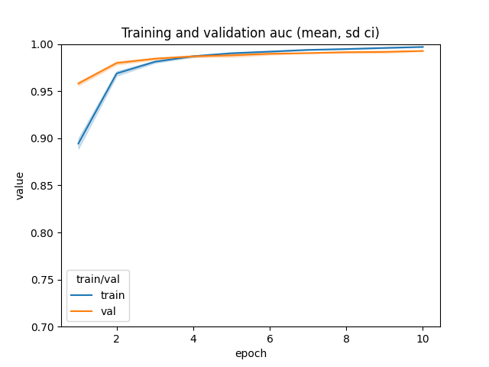
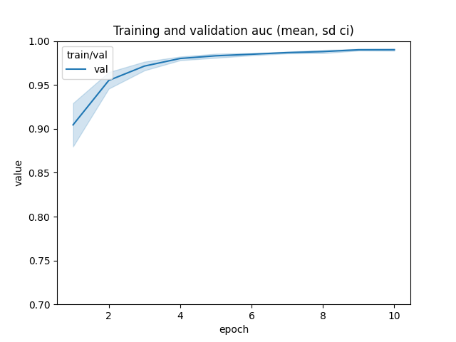
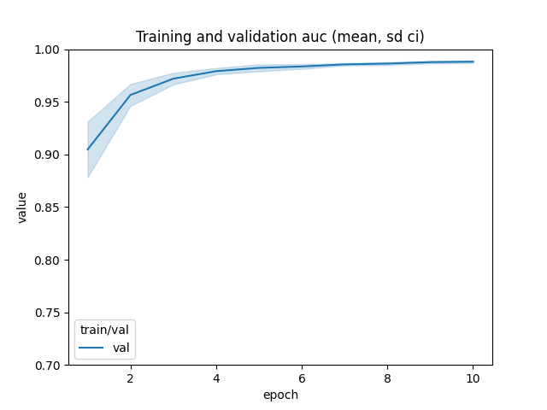
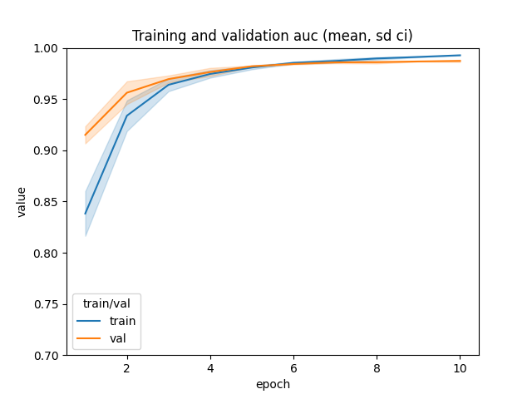
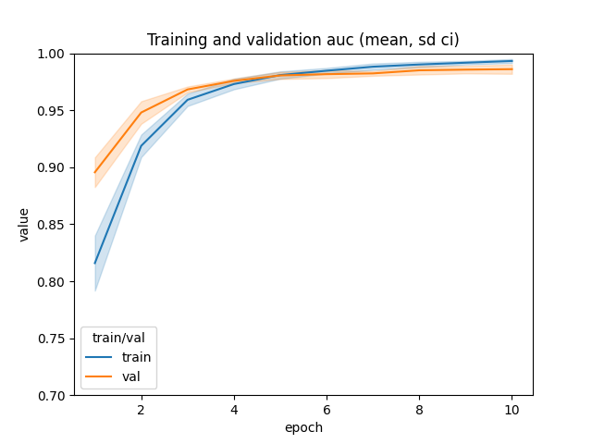
 | label distribution: | balanced
 | input |  |  |  |  | output
 | client | weight | pitting share in client | no pitting share in client | percentage of weight | subtotal pitting share | subtotal no pitting share
 | 1 | 1 | 0.5 | 0.5 | 50.00% | 0.5 | 0.5
 | 2 | 1 | 0.5 | 0.5 | 50.00% | 0.5 | 0.5
 | 3 |  |  |  | 0.00% | 0 | 0
 | 4 |  |  |  | 0.00% | 0 | 0
 | 5 |  |  |  | 0.00% | 0 | 0
 | 6 |  |  |  | 0.00% | 0 | 0
 | 7 |  |  |  | 0.00% | 0 | 0
 | 8 |  |  |  | 0.00% | 0 | 0
 | 9 |  |  |  | 0.00% | 0 | 0
 | 10 |  |  |  | 0.00% | 0 | 0

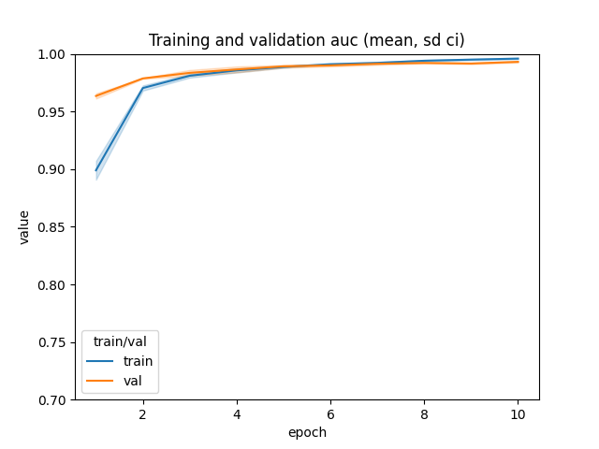
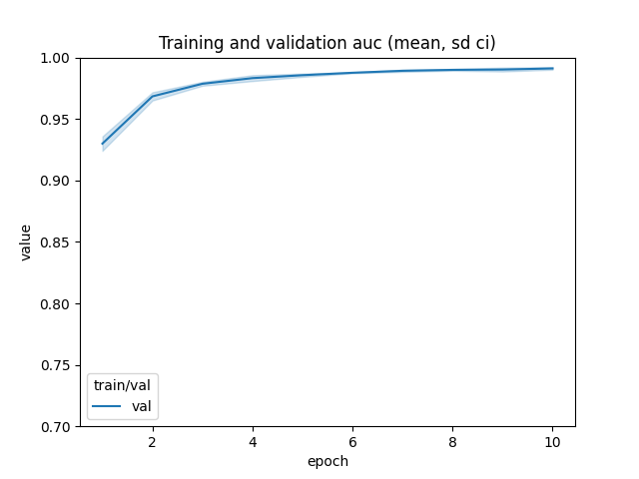
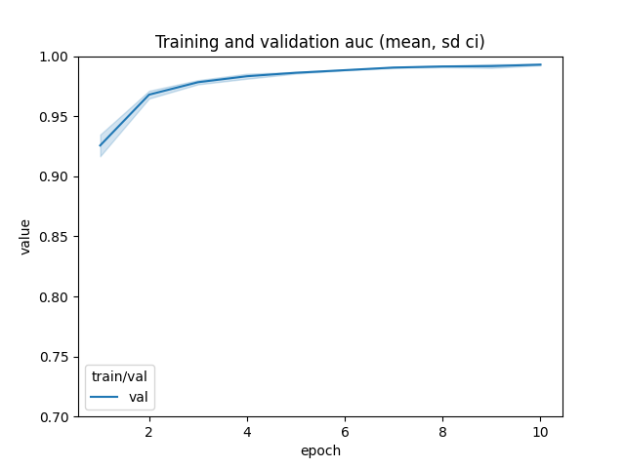
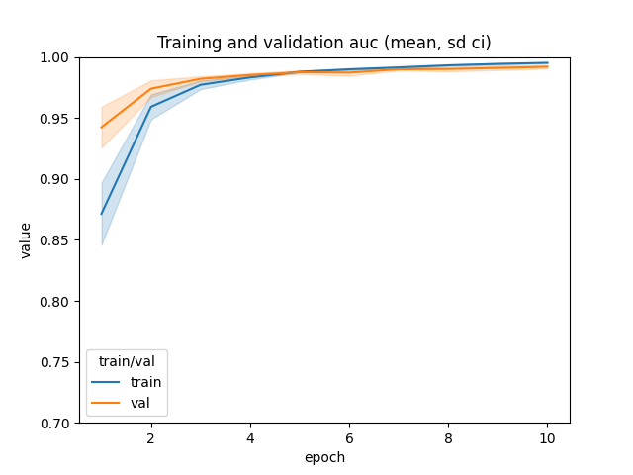
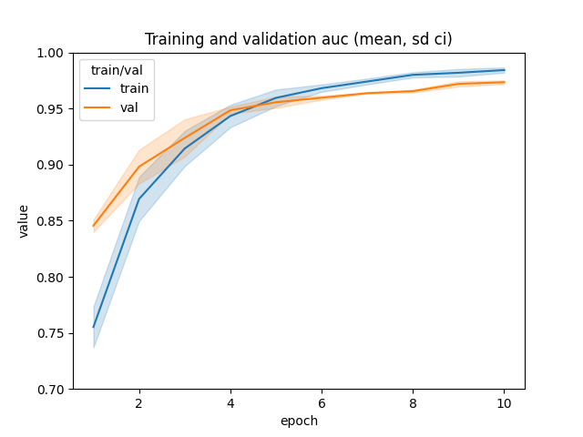
2 | number of clients: | 2
 | data distribution: | unbalanced |  |  |  |  |  | auc val after 10 epochs | 0.9931 | auc val after 10 epochs | 0.9911 | auc val after 10 epochs | 0.9930 | auc val after 10 epochs | 0.9920 | auc val after 10 epochs | 0.9735
 | label distribution: | balanced
 | input |  |  |  |  | output
 | client | weight | pitting share in client | no pitting share in client | percentage of weight | subtotal pitting share | subtotal no pitting share
 | 1 | 8 | 0.5 | 0.5 | 80.00% | 0.8 | 0.8
 | 2 | 2 | 0.5 | 0.5 | 20.00% | 0.2 | 0.2
 | 3 |  |  |  | 0.00% | 0 | 0
 | 4 |  |  |  | 0.00% | 0 | 0
 | 5 |  |  |  | 0.00% | 0 | 0
 | 6 |  |  |  | 0.00% | 0 | 0
 | 7 |  |  |  | 0.00% | 0 | 0
 | 8 |  |  |  | 0.00% | 0 | 0
 | 9 |  |  |  | 0.00% | 0 | 0
 | 10 |  |  |  | 0.00% | 0 | 0

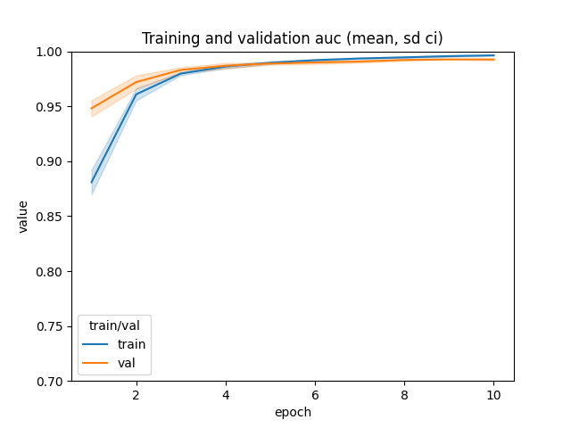
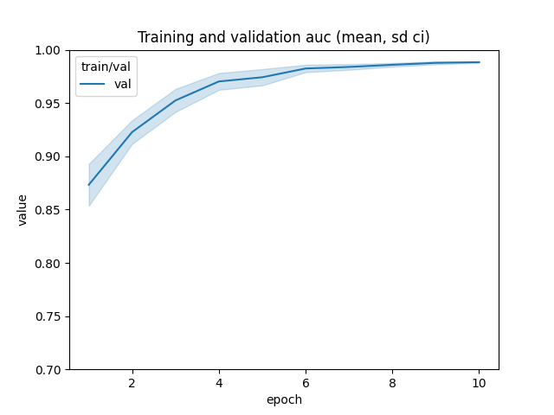
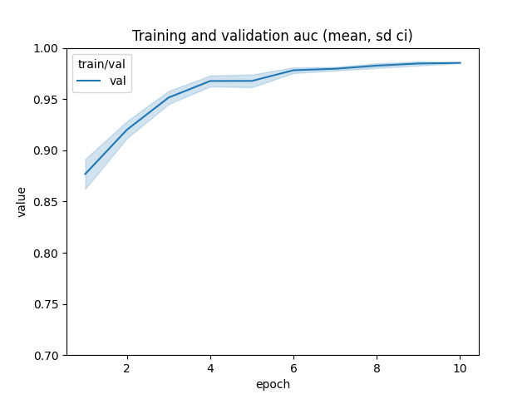
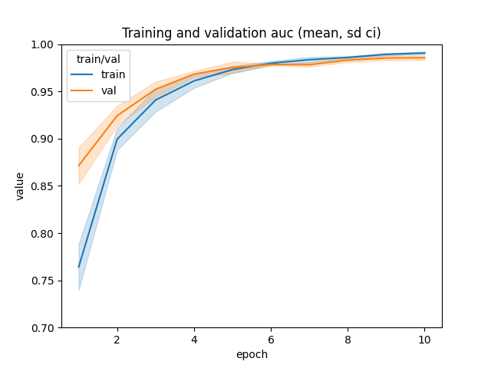
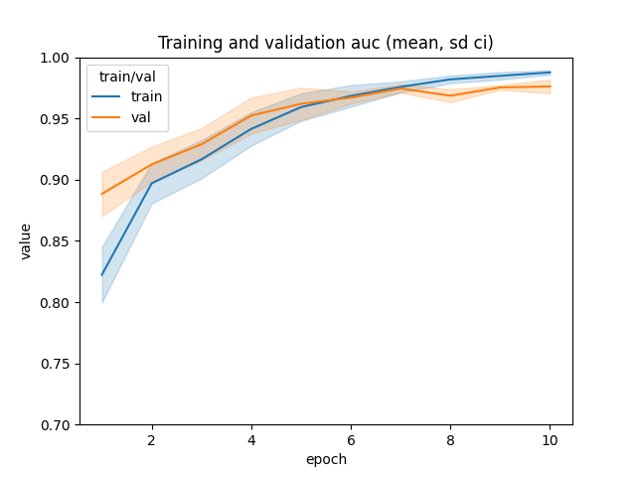
3 | number of clients: | 2
 | data distribution: | balanced |  |  |  |  |  | auc val after 10 epochs | 0.9926 | auc val after 10 epochs | 0.9884 | auc val after 10 epochs | 0.9854 | auc val after 10 epochs | 0.9856 | auc val after 10 epochs | 0.9761
 | label distribution: | unbalanced
 | input |  |  |  |  | output
 | client | weight | pitting share in client | no pitting share in client | percentage of weight | subtotal pitting share | subtotal no pitting share
 | 1 | 1 | 0.8 | 0.2 | 50.00% | 0.8 | 0.2
 | 2 | 1 | 0.2 | 0.8 | 50.00% | 0.2 | 0.8
 | 3 |  |  |  | 0.00% | 0 | 0
 | 4 |  |  |  | 0.00% | 0 | 0
 | 5 |  |  |  | 0.00% | 0 | 0
 | 6 |  |  |  | 0.00% | 0 | 0
 | 7 |  |  |  | 0.00% | 0 | 0
 | 8 |  |  |  | 0.00% | 0 | 0
 | 9 |  |  |  | 0.00% | 0 | 0
 | 10 |  |  |  | 0.00% | 0 | 0

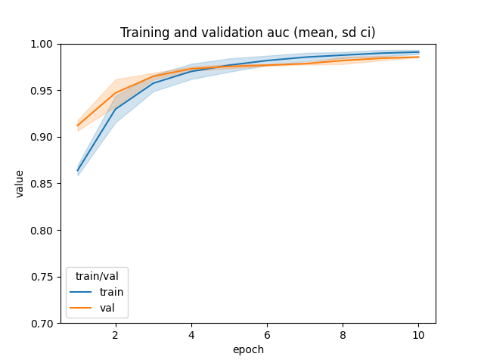
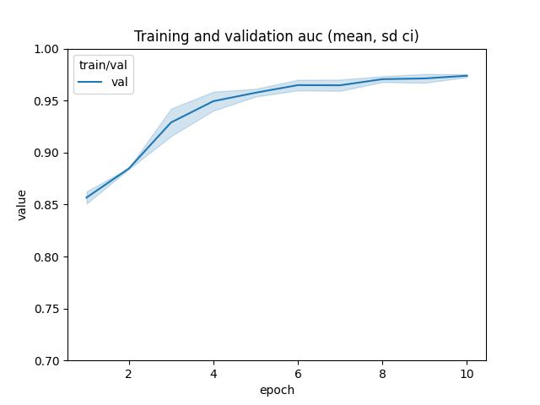
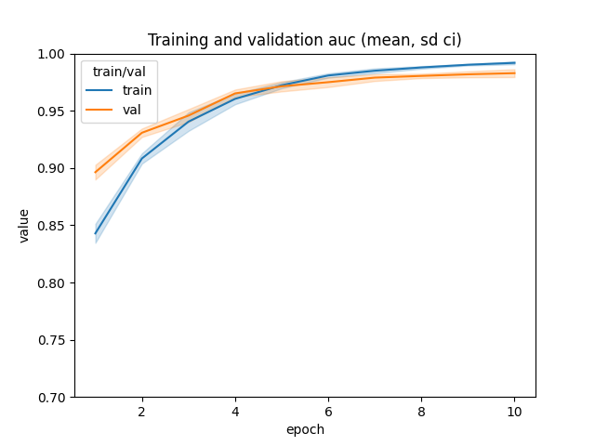
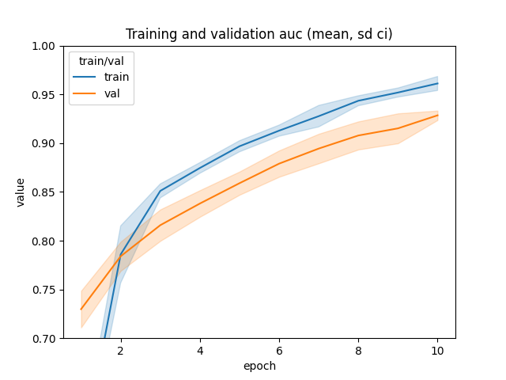
4 | number of clients: | 2
 | data distribution: | unbalanced |  |  |  |  |  | auc val after 10 epochs | 0.9855 | auc val after 10 epochs | 0.9805 | auc val after 10 epochs | 0.9739 | auc val after 10 epochs | 0.9829 | auc val after 10 epochs | 0.9285
 | label distribution: | unbalanced
 | input |  |  |  |  | output |  |  |  | plot went wrong
 | client | weight | pitting share in client | no pitting share in client | percentage of weight | subtotal pitting share | subtotal no pitting share
 | 1 | 8 | 0.8 | 0.2 | 80.00% | 0.941 | 0.235
 | 2 | 2 | 0.2 | 0.8 | 20.00% | 0.059 | 0.235
 | 3 |  |  |  | 0.00% | 0 | 0
 | 4 |  |  |  | 0.00% | 0 | 0
 | 5 |  |  |  | 0.00% | 0 | 0
 | 6 |  |  |  | 0.00% | 0 | 0
 | 7 |  |  |  | 0.00% | 0 | 0
 | 8 |  |  |  | 0.00% | 0 | 0
 | 9 |  |  |  | 0.00% | 0 | 0
 | 10 |  |  |  | 0.00% | 0 | 0

