26-5-23 - 1
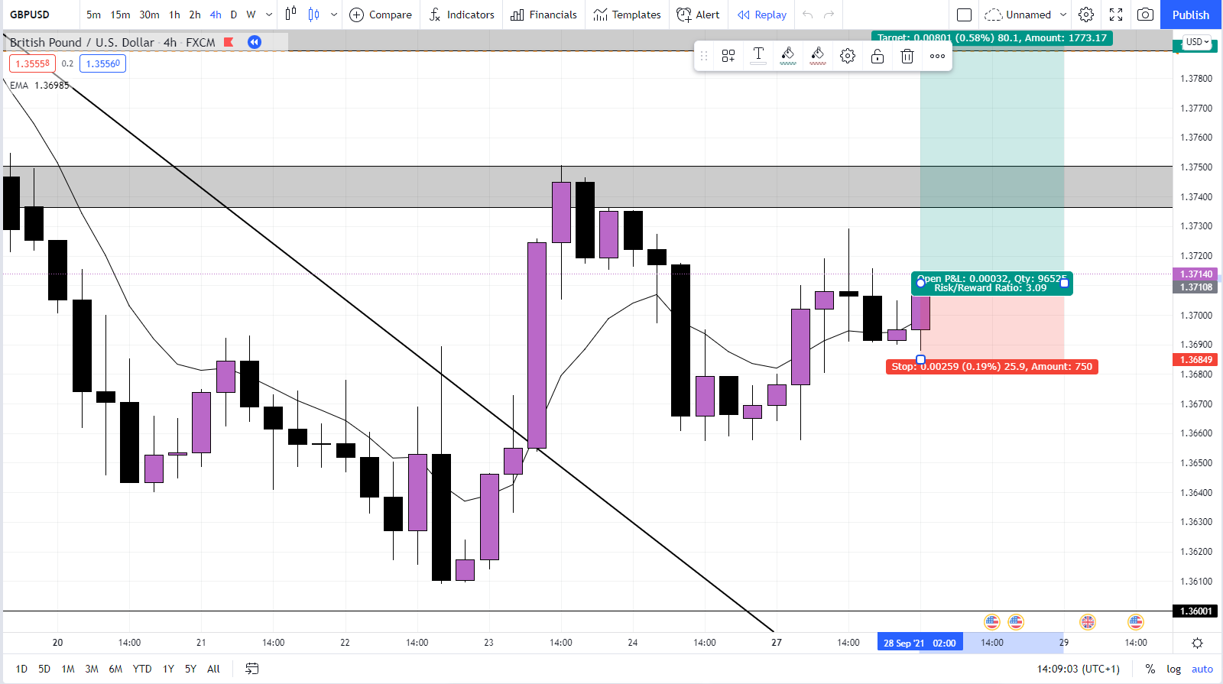
Pair | Lot-size | Buy-sell | Open | Close | Balance | Pos-size | Loss-gain | 4-hour | 1-hour | 15-min | Result
AUD/USD | 1000 | buy | 0.65191 | 0.65189 | £55.28 | 26.38 | £-0.0 | D:/Personal Projects Git/DocKeep/Charts/4.PNG

 | Notes:

 | Confluences:

26-5-23 - 3
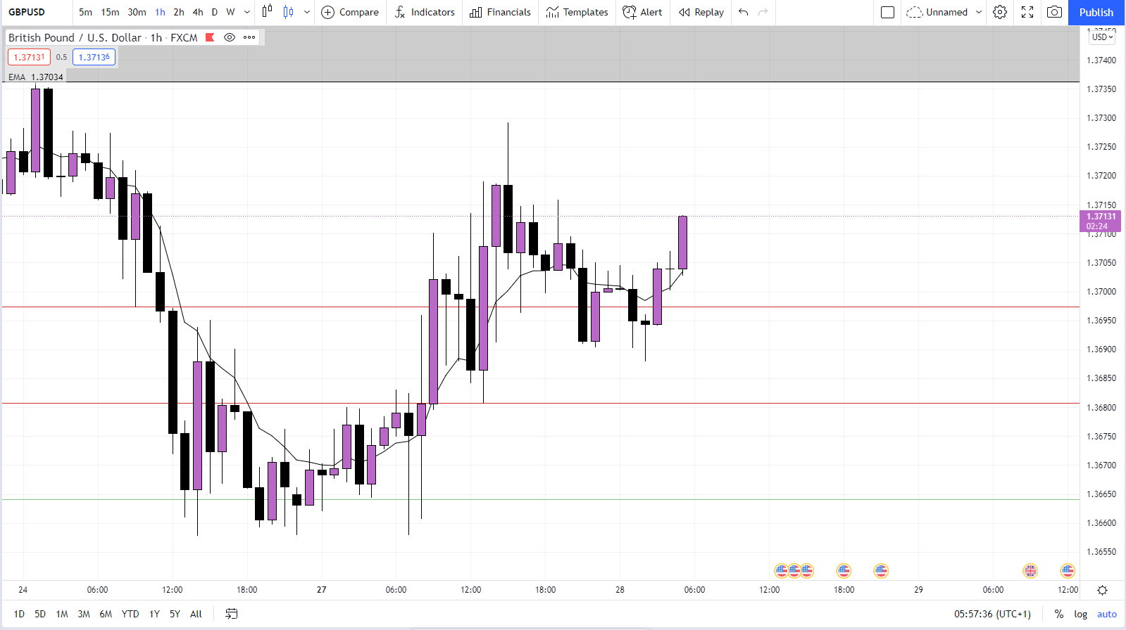
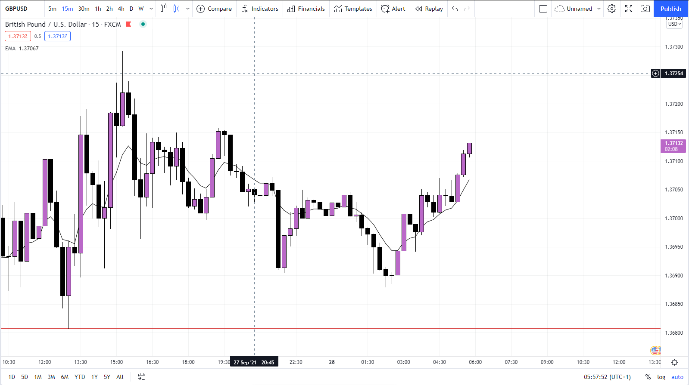
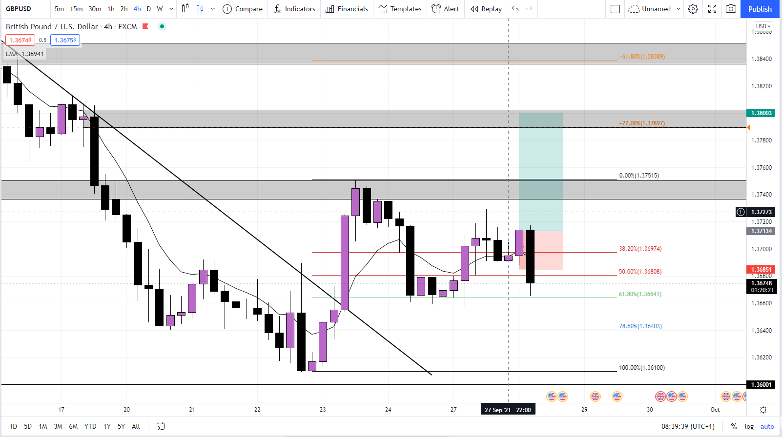
Pair | Lot-size | Buy-sell | Open | Close | Balance | Pos-size | Loss-gain | 4-hour | 1-hour | 15-min | Result
GBP/CAD | 1000 | buy | 1.68124 | 1.68124 | £55.33 | 33.33 | £0 | D:/Personal Projects Git/DocKeep/Charts/4.PNG | D:/Personal Projects Git/DocKeep/Charts/1.PNG | D:/Personal Projects Git/DocKeep/Charts/15.PNG | D:/Personal Projects Git/DocKeep/Charts/R.PNG

 | Notes:

 | Confluences:

