Analysis Report
1 | LAS X Image Analysis Report

 |  |  |  | Calibration:
 |  | Analysis Date: | 3/13/2023 | Scanned Area:

 |  | Original Image |  | Processed Image
 |  | 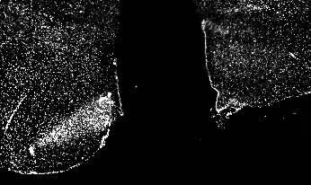 |  | 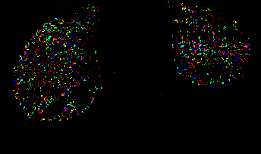

 |  | 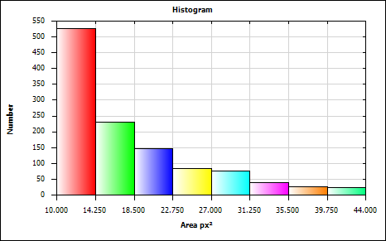
 |  | Mean
 |  | Minimum
 |  | Maximum |  | Approved By:
 |  | Standard Deviation

Feature Histogram
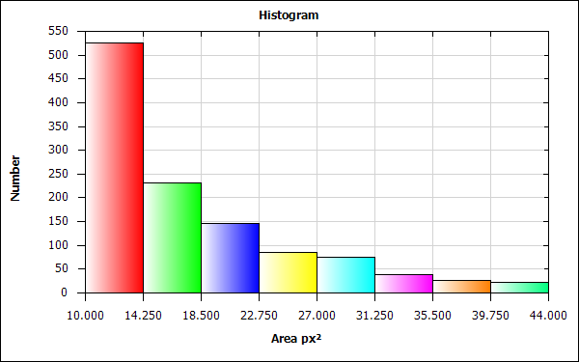
Histogram Statistics

Bin Statistics | Value
Count Excluded Below Number | 0.000
Total Number | 1152.000
Count Excluded Above Number | 0.000

Total [px²] | 20419.000
Mean [px²] | 17.725
Std Dev [px²] | 7.668
Standard Error [px²] | 0.226
Maximum [px²] | 44.000
Minimum [px²] | 10.000
2-S Range [px²] | 30.673
Median [px²] | 16.375
Mode [px²] | 12.125
Skewness | 1.282
Kurtosis | 1.014
Features | 1152
Specimen Area [px²] | 579956.000
Normalized Number | 0.000
Percent Number [%] | 0.000

Bin Data

Bin | Area [px²] Lower | Area [px²] Upper | Count | Percent of Total Number
Bin 1 | 10.000 | 14.250 | 525 | 45.573
Bin 2 | 14.250 | 18.500 | 231 | 20.052
Bin 3 | 18.500 | 22.750 | 146 | 12.674
Bin 4 | 22.750 | 27.000 | 85 | 7.378
Bin 5 | 27.000 | 31.250 | 76 | 6.597
Bin 6 | 31.250 | 35.500 | 39 | 3.385
Bin 7 | 35.500 | 39.750 | 27 | 2.344
Bin 8 | 39.750 | 44.000 | 23 | 1.997

Histogram Chart

Field Measurements
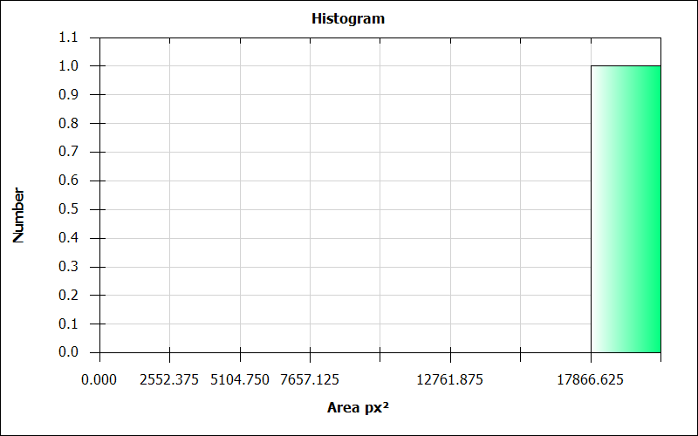
LAS X Automatic Field Measurement Results

Number | Images | Nuclei Count | Nuclei Count Per Area [pxˉ²] | Nuclei Area [px²] | Nuclei Area Fraction | Nuclei Average Intensity | Nuclei Sum Of Intensity | Nuclei Std Dev Intensity | ClassifierUser | ClassifierAuto
1 | 10_2_section1_Registered | 1152.000 | 0.002 | 20419.000 | 0.035 | 137.222 | 2801931.000 | 0.000 | NewClass01 | NewClass01

LAS X Automatic Field Measurement Results (Full)

Number | Images | Nuclei Count | CRH Count | TRH Count | GHRH Count | Kiss1 Count | LepRb Count | AgRP Count | NPY Count | Ghrl Count | POMC Count | INR Count | GHSR1a Count | MC4R Count | Nuclei Count Per Area [pxˉ²] | CRH Count Per Area [pxˉ²] | TRH Count Per Area [pxˉ²] | GHRH Count Per Area [pxˉ²] | Kiss1 Count Per Area [pxˉ²] | LepRb Count Per Area [pxˉ²] | AgRP Count Per Area [pxˉ²] | NPY Count Per Area [pxˉ²] | Ghrl Count Per Area [pxˉ²] | POMC Count Per Area [pxˉ²] | INR Count Per Area [pxˉ²] | GHSR1a Count Per Area [pxˉ²] | MC4R Count Per Area [pxˉ²] | Nuclei Area [px²] | CRH Area [px²] | TRH Area [px²] | GHRH Area [px²] | Kiss1 Area [px²] | LepRb Area [px²] | AgRP Area [px²] | NPY Area [px²] | Ghrl Area [px²] | POMC Area [px²] | INR Area [px²] | GHSR1a Area [px²] | MC4R Area [px²] | Nuclei Area Fraction | CRH Area Fraction | TRH Area Fraction | GHRH Area Fraction | Kiss1 Area Fraction | LepRb Area Fraction | AgRP Area Fraction | NPY Area Fraction | Ghrl Area Fraction | POMC Area Fraction | INR Area Fraction | GHSR1a Area Fraction | MC4R Area Fraction | Nuclei Average Intensity | CRH Average Intensity | TRH Average Intensity | GHRH Average Intensity | Kiss1 Average Intensity | LepRb Average Intensity | AgRP Average Intensity | NPY Average Intensity | Ghrl Average Intensity | POMC Average Intensity | INR Average Intensity | GHSR1a Average Intensity | MC4R Average Intensity | Nuclei Sum Of Intensity | CRH Sum Of Intensity | TRH Sum Of Intensity | GHRH Sum Of Intensity | Kiss1 Sum Of Intensity | LepRb Sum Of Intensity | AgRP Sum Of Intensity | NPY Sum Of Intensity | Ghrl Sum Of Intensity | POMC Sum Of Intensity | INR Sum Of Intensity | GHSR1a Sum Of Intensity | MC4R Sum Of Intensity | Nuclei Std Dev Intensity | CRH Std Dev Intensity | TRH Std Dev Intensity | GHRH Std Dev Intensity | Kiss1 Std Dev Intensity | LepRb Std Dev Intensity | AgRP Std Dev Intensity | NPY Std Dev Intensity | Ghrl Std Dev Intensity | POMC Std Dev Intensity | INR Std Dev Intensity | GHSR1a Std Dev Intensity | MC4R Std Dev Intensity | ClassifierUser | ClassifierAuto
1 | 10_2_section1_Registered | 1152.000 | 186.000 | 0.000 | 0.000 | 0.000 | 0.000 | 0.000 | 4.000 | 220.000 | 5.000 | 0.000 | 84.000 | 123.000 | 0.002 | 0.000 | 0.000 | 0.000 | 0.000 | 0.000 | 0.000 | 0.000 | 0.000 | 0.000 | 0.000 | 0.000 | 0.000 | 20419.000 | 470.000 | 271.000 | NaN | NaN | NaN | NaN | NaN | NaN | NaN | NaN | NaN | NaN | 0.035 | 0.001 | 0.000 | NaN | NaN | NaN | NaN | NaN | NaN | NaN | NaN | NaN | NaN | 137.222 | 32.355 | 243.616 | NaN | NaN | NaN | NaN | NaN | NaN | NaN | NaN | NaN | NaN | 2801931.000 | 15207.000 | 66020.000 | NaN | NaN | NaN | NaN | NaN | NaN | NaN | NaN | NaN | NaN | 0.000 | 13.637 | 24.873 | NaN | NaN | NaN | NaN | NaN | NaN | NaN | NaN | NaN | NaN | NewClass01 | NewClass01

LAS X Automatic Field Measurement Summary

Statistics | Number | Nuclei Count | Nuclei Count Per Area [pxˉ²] | Nuclei Area [px²] | Nuclei Area Fraction | Nuclei Average Intensity | Nuclei Sum Of Intensity | Nuclei Std Dev Intensity
Total | 1.0 | 1152.000 | 0.002 | 20419.000 | 0.035 | 137.222 | 2801931.000 | 0.000
Mean | 1.0 | 1152.000 | 0.002 | 20419.000 | 0.035 | 137.222 | 2801931.000 | 0.000
Standard Deviation | 0.0 | 0.000 | 0.000 | 0.000 | 0.000 | 0.000 | 0.000 | 0.000
Standard Error | 0.0 | 0.000 | 0.000 | 0.000 | 0.000 | 0.000 | 0.000 | 0.000
Median | 1.0 | 1152.000 | 0.002 | 20419.000 | 0.035 | 137.222 | 2801931.000 | 0.000
Maximum | 1.0 | 1152.000 | 0.002 | 20419.000 | 0.035 | 137.222 | 2801931.000 | 0.000
Minimum | 0.0 | 0.000 | 0.000 | 0.000 | 0.000 | 0.000 | 0.000 | 0.000
2-S Range | 0.0 | 0.000 | 0.000 | 0.000 | 0.000 | 0.000 | 0.000 | 0.000

LAS X Automatic Field Measurement Summary (Full)

Statistics | Number | Nuclei Count | CRH Count | TRH Count | GHRH Count | Kiss1 Count | LepRb Count | AgRP Count | NPY Count | Ghrl Count | POMC Count | INR Count | GHSR1a Count | MC4R Count | Nuclei Count Per Area [pxˉ²] | CRH Count Per Area [pxˉ²] | TRH Count Per Area [pxˉ²] | GHRH Count Per Area [pxˉ²] | Kiss1 Count Per Area [pxˉ²] | LepRb Count Per Area [pxˉ²] | AgRP Count Per Area [pxˉ²] | NPY Count Per Area [pxˉ²] | Ghrl Count Per Area [pxˉ²] | POMC Count Per Area [pxˉ²] | INR Count Per Area [pxˉ²] | GHSR1a Count Per Area [pxˉ²] | MC4R Count Per Area [pxˉ²] | Nuclei Area [px²] | CRH Area [px²] | TRH Area [px²] | GHRH Area [px²] | Kiss1 Area [px²] | LepRb Area [px²] | AgRP Area [px²] | NPY Area [px²] | Ghrl Area [px²] | POMC Area [px²] | INR Area [px²] | GHSR1a Area [px²] | MC4R Area [px²] | Nuclei Area Fraction | CRH Area Fraction | TRH Area Fraction | GHRH Area Fraction | Kiss1 Area Fraction | LepRb Area Fraction | AgRP Area Fraction | NPY Area Fraction | Ghrl Area Fraction | POMC Area Fraction | INR Area Fraction | GHSR1a Area Fraction | MC4R Area Fraction | Nuclei Average Intensity | CRH Average Intensity | TRH Average Intensity | GHRH Average Intensity | Kiss1 Average Intensity | LepRb Average Intensity | AgRP Average Intensity | NPY Average Intensity | Ghrl Average Intensity | POMC Average Intensity | INR Average Intensity | GHSR1a Average Intensity | MC4R Average Intensity | Nuclei Sum Of Intensity | CRH Sum Of Intensity | TRH Sum Of Intensity | GHRH Sum Of Intensity | Kiss1 Sum Of Intensity | LepRb Sum Of Intensity | AgRP Sum Of Intensity | NPY Sum Of Intensity | Ghrl Sum Of Intensity | POMC Sum Of Intensity | INR Sum Of Intensity | GHSR1a Sum Of Intensity | MC4R Sum Of Intensity | Nuclei Std Dev Intensity | CRH Std Dev Intensity | TRH Std Dev Intensity | GHRH Std Dev Intensity | Kiss1 Std Dev Intensity | LepRb Std Dev Intensity | AgRP Std Dev Intensity | NPY Std Dev Intensity | Ghrl Std Dev Intensity | POMC Std Dev Intensity | INR Std Dev Intensity | GHSR1a Std Dev Intensity | MC4R Std Dev Intensity
Total | 1.0 | 1152.000 | 186.000 | 0.000 | 0.000 | 0.000 | 0.000 | 0.000 | 4.000 | 220.000 | 5.000 | 0.000 | 84.000 | 123.000 | 0.002 | 0.000 | 0.000 | 0.000 | 0.000 | 0.000 | 0.000 | 0.000 | 0.000 | 0.000 | 0.000 | 0.000 | 0.000 | 20419.000 | 470.000 | 271.000 | NaN | NaN | NaN | NaN | NaN | NaN | NaN | NaN | NaN | NaN | 0.035 | 0.001 | 0.000 | NaN | NaN | NaN | NaN | NaN | NaN | NaN | NaN | NaN | NaN | 137.222 | 32.355 | 243.616 | NaN | NaN | NaN | NaN | NaN | NaN | NaN | NaN | NaN | NaN | 2801931.000 | 15207.000 | 66020.000 | NaN | NaN | NaN | NaN | NaN | NaN | NaN | NaN | NaN | NaN | 0.000 | 13.637 | 24.873 | NaN | NaN | NaN | NaN | NaN | NaN | NaN | NaN | NaN | NaN
Mean | 1.0 | 1152.000 | 186.000 | 0.000 | 0.000 | 0.000 | 0.000 | 0.000 | 4.000 | 220.000 | 5.000 | 0.000 | 84.000 | 123.000 | 0.002 | 0.000 | 0.000 | 0.000 | 0.000 | 0.000 | 0.000 | 0.000 | 0.000 | 0.000 | 0.000 | 0.000 | 0.000 | 20419.000 | 470.000 | 271.000 | NaN | NaN | NaN | NaN | NaN | NaN | NaN | NaN | NaN | NaN | 0.035 | 0.001 | 0.000 | NaN | NaN | NaN | NaN | NaN | NaN | NaN | NaN | NaN | NaN | 137.222 | 32.355 | 243.616 | NaN | NaN | NaN | NaN | NaN | NaN | NaN | NaN | NaN | NaN | 2801931.000 | 15207.000 | 66020.000 | NaN | NaN | NaN | NaN | NaN | NaN | NaN | NaN | NaN | NaN | 0.000 | 13.637 | 24.873 | NaN | NaN | NaN | NaN | NaN | NaN | NaN | NaN | NaN | NaN
Standard Deviation | 0.0 | 0.000 | 0.000 | 0.000 | 0.000 | 0.000 | 0.000 | 0.000 | 0.000 | 0.000 | 0.000 | 0.000 | 0.000 | 0.000 | 0.000 | 0.000 | 0.000 | 0.000 | 0.000 | 0.000 | 0.000 | 0.000 | 0.000 | 0.000 | 0.000 | 0.000 | 0.000 | 0.000 | 0.000 | 0.000 | 0.000 | 0.000 | 0.000 | 0.000 | 0.000 | 0.000 | 0.000 | 0.000 | 0.000 | 0.000 | 0.000 | 0.000 | 0.000 | 0.000 | 0.000 | 0.000 | 0.000 | 0.000 | 0.000 | 0.000 | 0.000 | 0.000 | 0.000 | 0.000 | 0.000 | 0.000 | 0.000 | 0.000 | 0.000 | 0.000 | 0.000 | 0.000 | 0.000 | 0.000 | 0.000 | 0.000 | 0.000 | 0.000 | 0.000 | 0.000 | 0.000 | 0.000 | 0.000 | 0.000 | 0.000 | 0.000 | 0.000 | 0.000 | 0.000 | 0.000 | 0.000 | 0.000 | 0.000 | 0.000 | 0.000 | 0.000 | 0.000 | 0.000 | 0.000 | 0.000 | 0.000 | 0.000
Standard Error | 0.0 | 0.000 | 0.000 | 0.000 | 0.000 | 0.000 | 0.000 | 0.000 | 0.000 | 0.000 | 0.000 | 0.000 | 0.000 | 0.000 | 0.000 | 0.000 | 0.000 | 0.000 | 0.000 | 0.000 | 0.000 | 0.000 | 0.000 | 0.000 | 0.000 | 0.000 | 0.000 | 0.000 | 0.000 | 0.000 | 0.000 | 0.000 | 0.000 | 0.000 | 0.000 | 0.000 | 0.000 | 0.000 | 0.000 | 0.000 | 0.000 | 0.000 | 0.000 | 0.000 | 0.000 | 0.000 | 0.000 | 0.000 | 0.000 | 0.000 | 0.000 | 0.000 | 0.000 | 0.000 | 0.000 | 0.000 | 0.000 | 0.000 | 0.000 | 0.000 | 0.000 | 0.000 | 0.000 | 0.000 | 0.000 | 0.000 | 0.000 | 0.000 | 0.000 | 0.000 | 0.000 | 0.000 | 0.000 | 0.000 | 0.000 | 0.000 | 0.000 | 0.000 | 0.000 | 0.000 | 0.000 | 0.000 | 0.000 | 0.000 | 0.000 | 0.000 | 0.000 | 0.000 | 0.000 | 0.000 | 0.000 | 0.000
Median | 1.0 | 1152.000 | 186.000 | 0.000 | 0.000 | 0.000 | 0.000 | 0.000 | 4.000 | 220.000 | 5.000 | 0.000 | 84.000 | 123.000 | 0.002 | 0.000 | 0.000 | 0.000 | 0.000 | 0.000 | 0.000 | 0.000 | 0.000 | 0.000 | 0.000 | 0.000 | 0.000 | 20419.000 | 470.000 | 271.000 | NaN | NaN | NaN | NaN | NaN | NaN | NaN | NaN | NaN | NaN | 0.035 | 0.001 | 0.000 | NaN | NaN | NaN | NaN | NaN | NaN | NaN | NaN | NaN | NaN | 137.222 | 32.355 | 243.616 | NaN | NaN | NaN | NaN | NaN | NaN | NaN | NaN | NaN | NaN | 2801931.000 | 15207.000 | 66020.000 | NaN | NaN | NaN | NaN | NaN | NaN | NaN | NaN | NaN | NaN | 0.000 | 13.637 | 24.873 | NaN | NaN | NaN | NaN | NaN | NaN | NaN | NaN | NaN | NaN
Maximum | 1.0 | 1152.000 | 186.000 | 0.000 | 0.000 | 0.000 | 0.000 | 0.000 | 4.000 | 220.000 | 5.000 | 0.000 | 84.000 | 123.000 | 0.002 | 0.000 | 0.000 | 0.000 | 0.000 | 0.000 | 0.000 | 0.000 | 0.000 | 0.000 | 0.000 | 0.000 | 0.000 | 20419.000 | 470.000 | 271.000 | 0.000 | 0.000 | 0.000 | 0.000 | 0.000 | 0.000 | 0.000 | 0.000 | 0.000 | 0.000 | 0.035 | 0.001 | 0.000 | 0.000 | 0.000 | 0.000 | 0.000 | 0.000 | 0.000 | 0.000 | 0.000 | 0.000 | 0.000 | 137.222 | 32.355 | 243.616 | 0.000 | 0.000 | 0.000 | 0.000 | 0.000 | 0.000 | 0.000 | 0.000 | 0.000 | 0.000 | 2801931.000 | 15207.000 | 66020.000 | 0.000 | 0.000 | 0.000 | 0.000 | 0.000 | 0.000 | 0.000 | 0.000 | 0.000 | 0.000 | 0.000 | 13.637 | 24.873 | 0.000 | 0.000 | 0.000 | 0.000 | 0.000 | 0.000 | 0.000 | 0.000 | 0.000 | 0.000
Minimum | 0.0 | 0.000 | 0.000 | 0.000 | 0.000 | 0.000 | 0.000 | 0.000 | 0.000 | 0.000 | 0.000 | 0.000 | 0.000 | 0.000 | 0.000 | 0.000 | 0.000 | 0.000 | 0.000 | 0.000 | 0.000 | 0.000 | 0.000 | 0.000 | 0.000 | 0.000 | 0.000 | 0.000 | 0.000 | 0.000 | 0.000 | 0.000 | 0.000 | 0.000 | 0.000 | 0.000 | 0.000 | 0.000 | 0.000 | 0.000 | 0.000 | 0.000 | 0.000 | 0.000 | 0.000 | 0.000 | 0.000 | 0.000 | 0.000 | 0.000 | 0.000 | 0.000 | 0.000 | 0.000 | 0.000 | 0.000 | 0.000 | 0.000 | 0.000 | 0.000 | 0.000 | 0.000 | 0.000 | 0.000 | 0.000 | 0.000 | 0.000 | 0.000 | 0.000 | 0.000 | 0.000 | 0.000 | 0.000 | 0.000 | 0.000 | 0.000 | 0.000 | 0.000 | 0.000 | 0.000 | 0.000 | 0.000 | 0.000 | 0.000 | 0.000 | 0.000 | 0.000 | 0.000 | 0.000 | 0.000 | 0.000 | 0.000
2-S Range | 0.0 | 0.000 | 0.000 | 0.000 | 0.000 | 0.000 | 0.000 | 0.000 | 0.000 | 0.000 | 0.000 | 0.000 | 0.000 | 0.000 | 0.000 | 0.000 | 0.000 | 0.000 | 0.000 | 0.000 | 0.000 | 0.000 | 0.000 | 0.000 | 0.000 | 0.000 | 0.000 | 0.000 | 0.000 | 0.000 | NaN | NaN | NaN | NaN | NaN | NaN | NaN | NaN | NaN | NaN | 0.000 | 0.000 | 0.000 | NaN | NaN | NaN | NaN | NaN | NaN | NaN | NaN | NaN | NaN | 0.000 | 0.000 | 0.000 | NaN | NaN | NaN | NaN | NaN | NaN | NaN | NaN | NaN | NaN | 0.000 | 0.000 | 0.000 | NaN | NaN | NaN | NaN | NaN | NaN | NaN | NaN | NaN | NaN | 0.000 | 0.000 | 0.000 | NaN | NaN | NaN | NaN | NaN | NaN | NaN | NaN | NaN | NaN

Bin | Area [px²] Lower | Area [px²] Upper | Count | Percent of Total Number
Bin 1 | 0.000 | 2552.375 | 0 | 0.000
Bin 2 | 2552.375 | 5104.750 | 0 | 0.000
Bin 3 | 5104.750 | 7657.125 | 0 | 0.000
Bin 4 | 7657.125 | 10209.500 | 0 | 0.000
Bin 5 | 10209.500 | 12761.875 | 0 | 0.000
Bin 6 | 12761.875 | 15314.250 | 0 | 0.000
Bin 7 | 15314.250 | 17866.625 | 0 | 0.000
Bin 8 | 17866.625 | 20419.000 | 1 | 100.000

Field Histogram
Bin Statistics | Value
Count Excluded Below Number | 0.000
Total Number | 1.000
Count Excluded Above Number | 0.000

Total [px²] | 20419.000
Mean [px²] | 20419.000
Std Dev [px²] | 0.000
Standard Error [px²] | 0.000
Maximum [px²] | 20419.000
Minimum [px²] | 20419.000
2-S Range [px²] | 0.000
Median [px²] | 19142.813
Mode [px²] | 19142.813
Skewness | 0.000
Kurtosis | 0.000
Features | 1
Specimen Area [px²] | 579956.000
Normalized Number | 0.000
Percent Number [%] | 0.000
Histogram Chart

Images
Images


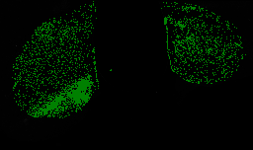
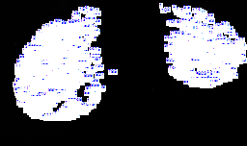
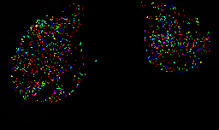
Title | Data | 10_2_section1_Registered | 10_2_section1_Registered: Binary Mask | 10_2_section1_Registered: Labels | 10_2_section1_Registered: Color Coded
Image Name | 10_2_section1_Registered
Pixel Size | 988 x 587
Calibrated Size
Calibration
Calibration Value | 0
Created Date
File Size | 7.190 MB

