Analysis Report
1 | LAS X Image Analysis Report

 |  |  |  | Calibration:
 |  | Analysis Date: | 3/13/2023 | Scanned Area:

 |  | Original Image |  | Processed Image
 |  | 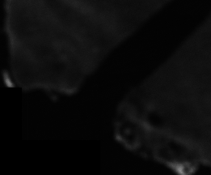 |  | 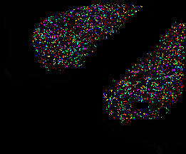

 |  | 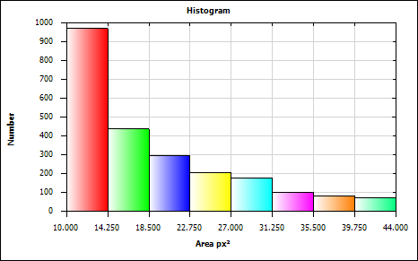
 |  | Mean
 |  | Minimum
 |  | Maximum |  | Approved By:
 |  | Standard Deviation

Feature Histogram
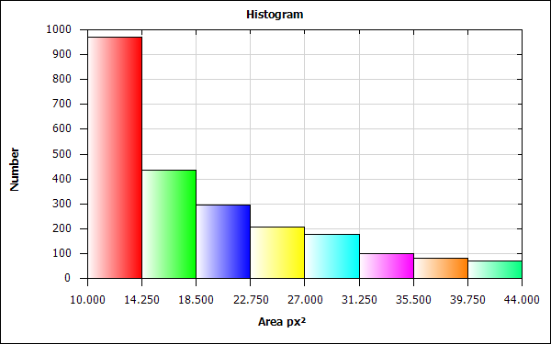
Histogram Statistics

Bin Statistics | Value
Count Excluded Below Number | 0.000
Total Number | 2336.000
Count Excluded Above Number | 0.000

Total [px²] | 44139.000
Mean [px²] | 18.895
Std Dev [px²] | 8.406
Standard Error [px²] | 0.174
Maximum [px²] | 44.000
Minimum [px²] | 10.000
2-S Range [px²] | 33.624
Median [px²] | 16.375
Mode [px²] | 12.125
Skewness | 1.120
Kurtosis | 0.423
Features | 2336
Specimen Area [px²] | 825346.000
Normalized Number | 0.000
Percent Number [%] | 0.000

Bin Data

Bin | Area [px²] Lower | Area [px²] Upper | Count | Percent of Total Number
Bin 1 | 10.000 | 14.250 | 969 | 41.481
Bin 2 | 14.250 | 18.500 | 436 | 18.664
Bin 3 | 18.500 | 22.750 | 294 | 12.586
Bin 4 | 22.750 | 27.000 | 206 | 8.818
Bin 5 | 27.000 | 31.250 | 178 | 7.620
Bin 6 | 31.250 | 35.500 | 100 | 4.281
Bin 7 | 35.500 | 39.750 | 81 | 3.467
Bin 8 | 39.750 | 44.000 | 72 | 3.082

Histogram Chart

Field Measurements
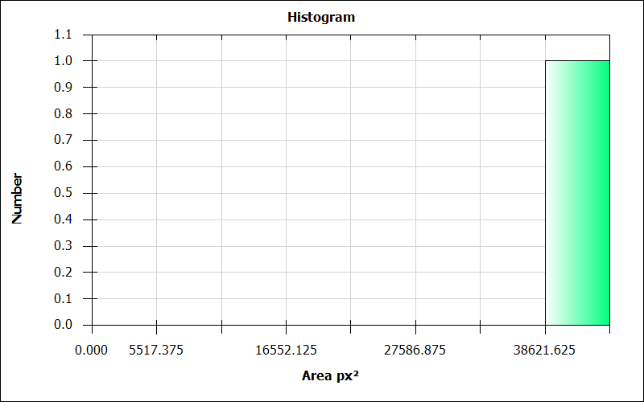
LAS X Automatic Field Measurement Results

Number | Images | Nuclei Count | Nuclei Count Per Area [pxˉ²] | Nuclei Area [px²] | Nuclei Area Fraction | Nuclei Average Intensity | Nuclei Sum Of Intensity | Nuclei Std Dev Intensity | ClassifierUser | ClassifierAuto
1 | 1_6_section2_Registered | 2336.000 | 0.003 | 44139.000 | 0.053 | 157.871 | 6968260.000 | 0.000 | NewClass01 | NewClass01

LAS X Automatic Field Measurement Results (Full)

Number | Images | Nuclei Count | CRH Count | TRH Count | GHRH Count | Kiss1 Count | LepRb Count | AgRP Count | NPY Count | Ghrl Count | POMC Count | INR Count | GHSR1a Count | MC4R Count | Nuclei Count Per Area [pxˉ²] | CRH Count Per Area [pxˉ²] | TRH Count Per Area [pxˉ²] | GHRH Count Per Area [pxˉ²] | Kiss1 Count Per Area [pxˉ²] | LepRb Count Per Area [pxˉ²] | AgRP Count Per Area [pxˉ²] | NPY Count Per Area [pxˉ²] | Ghrl Count Per Area [pxˉ²] | POMC Count Per Area [pxˉ²] | INR Count Per Area [pxˉ²] | GHSR1a Count Per Area [pxˉ²] | MC4R Count Per Area [pxˉ²] | Nuclei Area [px²] | CRH Area [px²] | TRH Area [px²] | GHRH Area [px²] | Kiss1 Area [px²] | LepRb Area [px²] | AgRP Area [px²] | NPY Area [px²] | Ghrl Area [px²] | POMC Area [px²] | INR Area [px²] | GHSR1a Area [px²] | MC4R Area [px²] | Nuclei Area Fraction | CRH Area Fraction | TRH Area Fraction | GHRH Area Fraction | Kiss1 Area Fraction | LepRb Area Fraction | AgRP Area Fraction | NPY Area Fraction | Ghrl Area Fraction | POMC Area Fraction | INR Area Fraction | GHSR1a Area Fraction | MC4R Area Fraction | Nuclei Average Intensity | CRH Average Intensity | TRH Average Intensity | GHRH Average Intensity | Kiss1 Average Intensity | LepRb Average Intensity | AgRP Average Intensity | NPY Average Intensity | Ghrl Average Intensity | POMC Average Intensity | INR Average Intensity | GHSR1a Average Intensity | MC4R Average Intensity | Nuclei Sum Of Intensity | CRH Sum Of Intensity | TRH Sum Of Intensity | GHRH Sum Of Intensity | Kiss1 Sum Of Intensity | LepRb Sum Of Intensity | AgRP Sum Of Intensity | NPY Sum Of Intensity | Ghrl Sum Of Intensity | POMC Sum Of Intensity | INR Sum Of Intensity | GHSR1a Sum Of Intensity | MC4R Sum Of Intensity | Nuclei Std Dev Intensity | CRH Std Dev Intensity | TRH Std Dev Intensity | GHRH Std Dev Intensity | Kiss1 Std Dev Intensity | LepRb Std Dev Intensity | AgRP Std Dev Intensity | NPY Std Dev Intensity | Ghrl Std Dev Intensity | POMC Std Dev Intensity | INR Std Dev Intensity | GHSR1a Std Dev Intensity | MC4R Std Dev Intensity | ClassifierUser | ClassifierAuto
1 | 1_6_section2_Registered | 2336.000 | 30.000 | 15.000 | 6.000 | 0.000 | 315.000 | 6.000 | 3.000 | 58.000 | 2.000 | 3.000 | 7.000 | 544.000 | 0.003 | 0.000 | 0.000 | 0.000 | 0.000 | 0.000 | 0.000 | 0.000 | 0.000 | 0.000 | 0.000 | 0.000 | 0.001 | 44139.000 | 30.000 | 570.000 | NaN | NaN | NaN | NaN | NaN | NaN | NaN | NaN | NaN | NaN | 0.053 | 0.000 | 0.001 | NaN | NaN | NaN | NaN | NaN | NaN | NaN | NaN | NaN | NaN | 157.871 | 27.333 | 251.911 | NaN | NaN | NaN | NaN | NaN | NaN | NaN | NaN | NaN | NaN | 6968260.000 | 820.000 | 143589.000 | NaN | NaN | NaN | NaN | NaN | NaN | NaN | NaN | NaN | NaN | 0.000 | 6.305 | 8.341 | NaN | NaN | NaN | NaN | NaN | NaN | NaN | NaN | NaN | NaN | NewClass01 | NewClass01

LAS X Automatic Field Measurement Summary

Statistics | Number | Nuclei Count | Nuclei Count Per Area [pxˉ²] | Nuclei Area [px²] | Nuclei Area Fraction | Nuclei Average Intensity | Nuclei Sum Of Intensity | Nuclei Std Dev Intensity
Total | 1.0 | 2336.000 | 0.003 | 44139.000 | 0.053 | 157.871 | 6968260.000 | 0.000
Mean | 1.0 | 2336.000 | 0.003 | 44139.000 | 0.053 | 157.871 | 6968260.000 | 0.000
Standard Deviation | 0.0 | 0.000 | 0.000 | 0.000 | 0.000 | 0.000 | 0.000 | 0.000
Standard Error | 0.0 | 0.000 | 0.000 | 0.000 | 0.000 | 0.000 | 0.000 | 0.000
Median | 1.0 | 2336.000 | 0.003 | 44139.000 | 0.053 | 157.871 | 6968260.000 | 0.000
Maximum | 1.0 | 2336.000 | 0.003 | 44139.000 | 0.053 | 157.871 | 6968260.000 | 0.000
Minimum | 0.0 | 0.000 | 0.000 | 0.000 | 0.000 | 0.000 | 0.000 | 0.000
2-S Range | 0.0 | 0.000 | 0.000 | 0.000 | 0.000 | 0.000 | 0.000 | 0.000

LAS X Automatic Field Measurement Summary (Full)

Statistics | Number | Nuclei Count | CRH Count | TRH Count | GHRH Count | Kiss1 Count | LepRb Count | AgRP Count | NPY Count | Ghrl Count | POMC Count | INR Count | GHSR1a Count | MC4R Count | Nuclei Count Per Area [pxˉ²] | CRH Count Per Area [pxˉ²] | TRH Count Per Area [pxˉ²] | GHRH Count Per Area [pxˉ²] | Kiss1 Count Per Area [pxˉ²] | LepRb Count Per Area [pxˉ²] | AgRP Count Per Area [pxˉ²] | NPY Count Per Area [pxˉ²] | Ghrl Count Per Area [pxˉ²] | POMC Count Per Area [pxˉ²] | INR Count Per Area [pxˉ²] | GHSR1a Count Per Area [pxˉ²] | MC4R Count Per Area [pxˉ²] | Nuclei Area [px²] | CRH Area [px²] | TRH Area [px²] | GHRH Area [px²] | Kiss1 Area [px²] | LepRb Area [px²] | AgRP Area [px²] | NPY Area [px²] | Ghrl Area [px²] | POMC Area [px²] | INR Area [px²] | GHSR1a Area [px²] | MC4R Area [px²] | Nuclei Area Fraction | CRH Area Fraction | TRH Area Fraction | GHRH Area Fraction | Kiss1 Area Fraction | LepRb Area Fraction | AgRP Area Fraction | NPY Area Fraction | Ghrl Area Fraction | POMC Area Fraction | INR Area Fraction | GHSR1a Area Fraction | MC4R Area Fraction | Nuclei Average Intensity | CRH Average Intensity | TRH Average Intensity | GHRH Average Intensity | Kiss1 Average Intensity | LepRb Average Intensity | AgRP Average Intensity | NPY Average Intensity | Ghrl Average Intensity | POMC Average Intensity | INR Average Intensity | GHSR1a Average Intensity | MC4R Average Intensity | Nuclei Sum Of Intensity | CRH Sum Of Intensity | TRH Sum Of Intensity | GHRH Sum Of Intensity | Kiss1 Sum Of Intensity | LepRb Sum Of Intensity | AgRP Sum Of Intensity | NPY Sum Of Intensity | Ghrl Sum Of Intensity | POMC Sum Of Intensity | INR Sum Of Intensity | GHSR1a Sum Of Intensity | MC4R Sum Of Intensity | Nuclei Std Dev Intensity | CRH Std Dev Intensity | TRH Std Dev Intensity | GHRH Std Dev Intensity | Kiss1 Std Dev Intensity | LepRb Std Dev Intensity | AgRP Std Dev Intensity | NPY Std Dev Intensity | Ghrl Std Dev Intensity | POMC Std Dev Intensity | INR Std Dev Intensity | GHSR1a Std Dev Intensity | MC4R Std Dev Intensity
Total | 1.0 | 2336.000 | 30.000 | 15.000 | 6.000 | 0.000 | 315.000 | 6.000 | 3.000 | 58.000 | 2.000 | 3.000 | 7.000 | 544.000 | 0.003 | 0.000 | 0.000 | 0.000 | 0.000 | 0.000 | 0.000 | 0.000 | 0.000 | 0.000 | 0.000 | 0.000 | 0.001 | 44139.000 | 30.000 | 570.000 | NaN | NaN | NaN | NaN | NaN | NaN | NaN | NaN | NaN | NaN | 0.053 | 0.000 | 0.001 | NaN | NaN | NaN | NaN | NaN | NaN | NaN | NaN | NaN | NaN | 157.871 | 27.333 | 251.911 | NaN | NaN | NaN | NaN | NaN | NaN | NaN | NaN | NaN | NaN | 6968260.000 | 820.000 | 143589.000 | NaN | NaN | NaN | NaN | NaN | NaN | NaN | NaN | NaN | NaN | 0.000 | 6.305 | 8.341 | NaN | NaN | NaN | NaN | NaN | NaN | NaN | NaN | NaN | NaN
Mean | 1.0 | 2336.000 | 30.000 | 15.000 | 6.000 | 0.000 | 315.000 | 6.000 | 3.000 | 58.000 | 2.000 | 3.000 | 7.000 | 544.000 | 0.003 | 0.000 | 0.000 | 0.000 | 0.000 | 0.000 | 0.000 | 0.000 | 0.000 | 0.000 | 0.000 | 0.000 | 0.001 | 44139.000 | 30.000 | 570.000 | NaN | NaN | NaN | NaN | NaN | NaN | NaN | NaN | NaN | NaN | 0.053 | 0.000 | 0.001 | NaN | NaN | NaN | NaN | NaN | NaN | NaN | NaN | NaN | NaN | 157.871 | 27.333 | 251.911 | NaN | NaN | NaN | NaN | NaN | NaN | NaN | NaN | NaN | NaN | 6968260.000 | 820.000 | 143589.000 | NaN | NaN | NaN | NaN | NaN | NaN | NaN | NaN | NaN | NaN | 0.000 | 6.305 | 8.341 | NaN | NaN | NaN | NaN | NaN | NaN | NaN | NaN | NaN | NaN
Standard Deviation | 0.0 | 0.000 | 0.000 | 0.000 | 0.000 | 0.000 | 0.000 | 0.000 | 0.000 | 0.000 | 0.000 | 0.000 | 0.000 | 0.000 | 0.000 | 0.000 | 0.000 | 0.000 | 0.000 | 0.000 | 0.000 | 0.000 | 0.000 | 0.000 | 0.000 | 0.000 | 0.000 | 0.000 | 0.000 | 0.000 | 0.000 | 0.000 | 0.000 | 0.000 | 0.000 | 0.000 | 0.000 | 0.000 | 0.000 | 0.000 | 0.000 | 0.000 | 0.000 | 0.000 | 0.000 | 0.000 | 0.000 | 0.000 | 0.000 | 0.000 | 0.000 | 0.000 | 0.000 | 0.000 | 0.000 | 0.000 | 0.000 | 0.000 | 0.000 | 0.000 | 0.000 | 0.000 | 0.000 | 0.000 | 0.000 | 0.000 | 0.000 | 0.000 | 0.000 | 0.000 | 0.000 | 0.000 | 0.000 | 0.000 | 0.000 | 0.000 | 0.000 | 0.000 | 0.000 | 0.000 | 0.000 | 0.000 | 0.000 | 0.000 | 0.000 | 0.000 | 0.000 | 0.000 | 0.000 | 0.000 | 0.000 | 0.000
Standard Error | 0.0 | 0.000 | 0.000 | 0.000 | 0.000 | 0.000 | 0.000 | 0.000 | 0.000 | 0.000 | 0.000 | 0.000 | 0.000 | 0.000 | 0.000 | 0.000 | 0.000 | 0.000 | 0.000 | 0.000 | 0.000 | 0.000 | 0.000 | 0.000 | 0.000 | 0.000 | 0.000 | 0.000 | 0.000 | 0.000 | 0.000 | 0.000 | 0.000 | 0.000 | 0.000 | 0.000 | 0.000 | 0.000 | 0.000 | 0.000 | 0.000 | 0.000 | 0.000 | 0.000 | 0.000 | 0.000 | 0.000 | 0.000 | 0.000 | 0.000 | 0.000 | 0.000 | 0.000 | 0.000 | 0.000 | 0.000 | 0.000 | 0.000 | 0.000 | 0.000 | 0.000 | 0.000 | 0.000 | 0.000 | 0.000 | 0.000 | 0.000 | 0.000 | 0.000 | 0.000 | 0.000 | 0.000 | 0.000 | 0.000 | 0.000 | 0.000 | 0.000 | 0.000 | 0.000 | 0.000 | 0.000 | 0.000 | 0.000 | 0.000 | 0.000 | 0.000 | 0.000 | 0.000 | 0.000 | 0.000 | 0.000 | 0.000
Median | 1.0 | 2336.000 | 30.000 | 15.000 | 6.000 | 0.000 | 315.000 | 6.000 | 3.000 | 58.000 | 2.000 | 3.000 | 7.000 | 544.000 | 0.003 | 0.000 | 0.000 | 0.000 | 0.000 | 0.000 | 0.000 | 0.000 | 0.000 | 0.000 | 0.000 | 0.000 | 0.001 | 44139.000 | 30.000 | 570.000 | NaN | NaN | NaN | NaN | NaN | NaN | NaN | NaN | NaN | NaN | 0.053 | 0.000 | 0.001 | NaN | NaN | NaN | NaN | NaN | NaN | NaN | NaN | NaN | NaN | 157.871 | 27.333 | 251.911 | NaN | NaN | NaN | NaN | NaN | NaN | NaN | NaN | NaN | NaN | 6968260.000 | 820.000 | 143589.000 | NaN | NaN | NaN | NaN | NaN | NaN | NaN | NaN | NaN | NaN | 0.000 | 6.305 | 8.341 | NaN | NaN | NaN | NaN | NaN | NaN | NaN | NaN | NaN | NaN
Maximum | 1.0 | 2336.000 | 30.000 | 15.000 | 6.000 | 0.000 | 315.000 | 6.000 | 3.000 | 58.000 | 2.000 | 3.000 | 7.000 | 544.000 | 0.003 | 0.000 | 0.000 | 0.000 | 0.000 | 0.000 | 0.000 | 0.000 | 0.000 | 0.000 | 0.000 | 0.000 | 0.001 | 44139.000 | 30.000 | 570.000 | 0.000 | 0.000 | 0.000 | 0.000 | 0.000 | 0.000 | 0.000 | 0.000 | 0.000 | 0.000 | 0.053 | 0.000 | 0.001 | 0.000 | 0.000 | 0.000 | 0.000 | 0.000 | 0.000 | 0.000 | 0.000 | 0.000 | 0.000 | 157.871 | 27.333 | 251.911 | 0.000 | 0.000 | 0.000 | 0.000 | 0.000 | 0.000 | 0.000 | 0.000 | 0.000 | 0.000 | 6968260.000 | 820.000 | 143589.000 | 0.000 | 0.000 | 0.000 | 0.000 | 0.000 | 0.000 | 0.000 | 0.000 | 0.000 | 0.000 | 0.000 | 6.305 | 8.341 | 0.000 | 0.000 | 0.000 | 0.000 | 0.000 | 0.000 | 0.000 | 0.000 | 0.000 | 0.000
Minimum | 0.0 | 0.000 | 0.000 | 0.000 | 0.000 | 0.000 | 0.000 | 0.000 | 0.000 | 0.000 | 0.000 | 0.000 | 0.000 | 0.000 | 0.000 | 0.000 | 0.000 | 0.000 | 0.000 | 0.000 | 0.000 | 0.000 | 0.000 | 0.000 | 0.000 | 0.000 | 0.000 | 0.000 | 0.000 | 0.000 | 0.000 | 0.000 | 0.000 | 0.000 | 0.000 | 0.000 | 0.000 | 0.000 | 0.000 | 0.000 | 0.000 | 0.000 | 0.000 | 0.000 | 0.000 | 0.000 | 0.000 | 0.000 | 0.000 | 0.000 | 0.000 | 0.000 | 0.000 | 0.000 | 0.000 | 0.000 | 0.000 | 0.000 | 0.000 | 0.000 | 0.000 | 0.000 | 0.000 | 0.000 | 0.000 | 0.000 | 0.000 | 0.000 | 0.000 | 0.000 | 0.000 | 0.000 | 0.000 | 0.000 | 0.000 | 0.000 | 0.000 | 0.000 | 0.000 | 0.000 | 0.000 | 0.000 | 0.000 | 0.000 | 0.000 | 0.000 | 0.000 | 0.000 | 0.000 | 0.000 | 0.000 | 0.000
2-S Range | 0.0 | 0.000 | 0.000 | 0.000 | 0.000 | 0.000 | 0.000 | 0.000 | 0.000 | 0.000 | 0.000 | 0.000 | 0.000 | 0.000 | 0.000 | 0.000 | 0.000 | 0.000 | 0.000 | 0.000 | 0.000 | 0.000 | 0.000 | 0.000 | 0.000 | 0.000 | 0.000 | 0.000 | 0.000 | 0.000 | NaN | NaN | NaN | NaN | NaN | NaN | NaN | NaN | NaN | NaN | 0.000 | 0.000 | 0.000 | NaN | NaN | NaN | NaN | NaN | NaN | NaN | NaN | NaN | NaN | 0.000 | 0.000 | 0.000 | NaN | NaN | NaN | NaN | NaN | NaN | NaN | NaN | NaN | NaN | 0.000 | 0.000 | 0.000 | NaN | NaN | NaN | NaN | NaN | NaN | NaN | NaN | NaN | NaN | 0.000 | 0.000 | 0.000 | NaN | NaN | NaN | NaN | NaN | NaN | NaN | NaN | NaN | NaN

Bin | Area [px²] Lower | Area [px²] Upper | Count | Percent of Total Number
Bin 1 | 0.000 | 5517.375 | 0 | 0.000
Bin 2 | 5517.375 | 11034.750 | 0 | 0.000
Bin 3 | 11034.750 | 16552.125 | 0 | 0.000
Bin 4 | 16552.125 | 22069.500 | 0 | 0.000
Bin 5 | 22069.500 | 27586.875 | 0 | 0.000
Bin 6 | 27586.875 | 33104.250 | 0 | 0.000
Bin 7 | 33104.250 | 38621.625 | 0 | 0.000
Bin 8 | 38621.625 | 44139.000 | 1 | 100.000

Field Histogram
Bin Statistics | Value
Count Excluded Below Number | 0.000
Total Number | 1.000
Count Excluded Above Number | 0.000

Total [px²] | 44139.000
Mean [px²] | 44139.000
Std Dev [px²] | 0.000
Standard Error [px²] | 0.000
Maximum [px²] | 44139.000
Minimum [px²] | 44139.000
2-S Range [px²] | 0.000
Median [px²] | 41380.313
Mode [px²] | 41380.313
Skewness | 0.000
Kurtosis | 0.000
Features | 1
Specimen Area [px²] | 825346.000
Normalized Number | 0.000
Percent Number [%] | 0.000
Histogram Chart

Images
Images

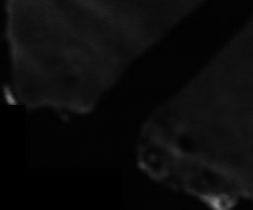
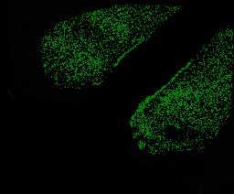
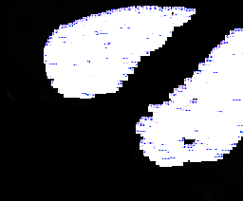
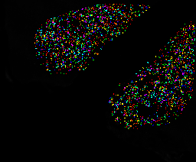
Title | Data | 1_6_section2_Registered | 1_6_section2_Registered: Binary Mask | 1_6_section2_Registered: Labels | 1_6_section2_Registered: Color Coded
Image Name | 1_6_section2_Registered
Pixel Size | 998 x 827
Calibrated Size
Calibration
Calibration Value | 0
Created Date
File Size | 10.23 MB

