Analysis Report
1 | LAS X Image Analysis Report

 |  |  |  | Calibration:
 |  | Analysis Date: | 4/10/2023 | Scanned Area:

 |  | Original Image |  | Processed Image
 |  | 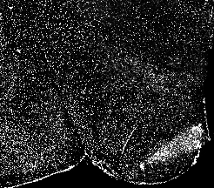 |  | 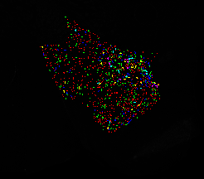

 |  | 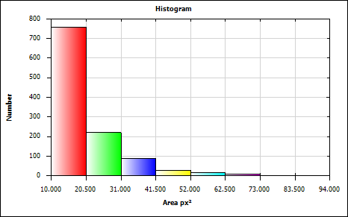
 |  | Mean
 |  | Minimum
 |  | Maximum |  | Approved By:
 |  | Standard Deviation

Feature Histogram

Histogram Statistics

Bin Statistics | Value
Count Excluded Below Number | 0.000
Total Number | 1117.000
Count Excluded Above Number | 0.000

Total [px²] | 21971.000
Mean [px²] | 19.670
Std Dev [px²] | 10.443
Standard Error [px²] | 0.312
Maximum [px²] | 94.000
Minimum [px²] | 10.000
2-S Range [px²] | 41.773
Median [px²] | 15.250
Mode [px²] | 15.250
Skewness | 2.227
Kurtosis | 7.010
Features | 1117
Specimen Area [px²] | 868756.000
Normalized Number | 0.000
Percent Number [%] | 0.000

Bin Data

Bin | Area [px²] Lower | Area [px²] Upper | Count | Percent of Total Number
Bin 1 | 10.000 | 20.500 | 758 | 67.860
Bin 2 | 20.500 | 31.000 | 220 | 19.696
Bin 3 | 31.000 | 41.500 | 87 | 7.789
Bin 4 | 41.500 | 52.000 | 28 | 2.507
Bin 5 | 52.000 | 62.500 | 14 | 1.253
Bin 6 | 62.500 | 73.000 | 8 | 0.716
Bin 7 | 73.000 | 83.500 | 1 | 0.090
Bin 8 | 83.500 | 94.000 | 1 | 0.090

Histogram Chart

Field Measurements
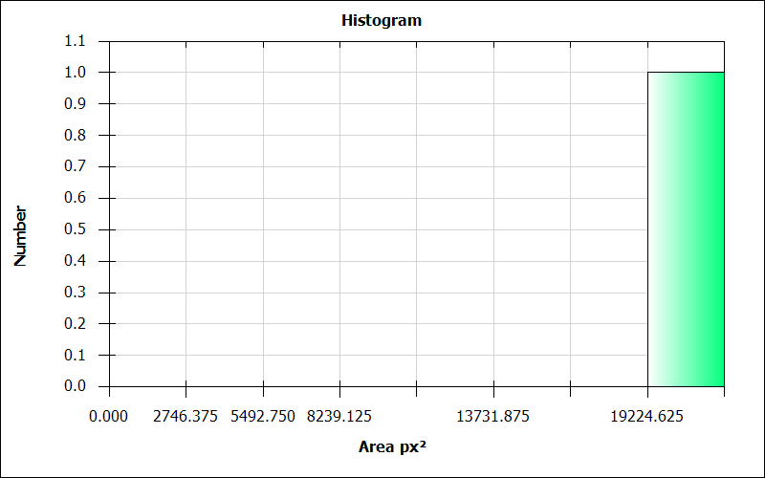
LAS X Automatic Field Measurement Results

Number | Images | Nuclei Count | Nuclei Count Per Area [pxˉ²] | Nuclei Area [px²] | Nuclei Area Fraction | Nuclei Average Intensity | Nuclei Sum Of Intensity | Nuclei Std Dev Intensity | ClassifierUser | ClassifierAuto
1 | 10_2_section1 | 1117.000 | 0.001 | 21971.000 | 0.025 | 156.429 | 3436903.000 | 0.000 | NewClass01 | NewClass01

LAS X Automatic Field Measurement Results (Full)

Number | Images | Nuclei Count | CRH Count | TRH Count | GHRH Count | Kiss1 Count | LepRb Count | AgRP Count | NPY Count | Ghrl Count | POMC Count | INR Count | GHSR1a Count | MC4R Count | Nuclei Count Per Area [pxˉ²] | CRH Count Per Area [pxˉ²] | TRH Count Per Area [pxˉ²] | GHRH Count Per Area [pxˉ²] | Kiss1 Count Per Area [pxˉ²] | LepRb Count Per Area [pxˉ²] | AgRP Count Per Area [pxˉ²] | NPY Count Per Area [pxˉ²] | Ghrl Count Per Area [pxˉ²] | POMC Count Per Area [pxˉ²] | INR Count Per Area [pxˉ²] | GHSR1a Count Per Area [pxˉ²] | MC4R Count Per Area [pxˉ²] | Nuclei Area [px²] | CRH Area [px²] | TRH Area [px²] | GHRH Area [px²] | Kiss1 Area [px²] | LepRb Area [px²] | AgRP Area [px²] | NPY Area [px²] | Ghrl Area [px²] | POMC Area [px²] | INR Area [px²] | GHSR1a Area [px²] | MC4R Area [px²] | Nuclei Area Fraction | CRH Area Fraction | TRH Area Fraction | GHRH Area Fraction | Kiss1 Area Fraction | LepRb Area Fraction | AgRP Area Fraction | NPY Area Fraction | Ghrl Area Fraction | POMC Area Fraction | INR Area Fraction | GHSR1a Area Fraction | MC4R Area Fraction | Nuclei Average Intensity | CRH Average Intensity | TRH Average Intensity | GHRH Average Intensity | Kiss1 Average Intensity | LepRb Average Intensity | AgRP Average Intensity | NPY Average Intensity | Ghrl Average Intensity | POMC Average Intensity | INR Average Intensity | GHSR1a Average Intensity | MC4R Average Intensity | Nuclei Sum Of Intensity | CRH Sum Of Intensity | TRH Sum Of Intensity | GHRH Sum Of Intensity | Kiss1 Sum Of Intensity | LepRb Sum Of Intensity | AgRP Sum Of Intensity | NPY Sum Of Intensity | Ghrl Sum Of Intensity | POMC Sum Of Intensity | INR Sum Of Intensity | GHSR1a Sum Of Intensity | MC4R Sum Of Intensity | Nuclei Std Dev Intensity | CRH Std Dev Intensity | TRH Std Dev Intensity | GHRH Std Dev Intensity | Kiss1 Std Dev Intensity | LepRb Std Dev Intensity | AgRP Std Dev Intensity | NPY Std Dev Intensity | Ghrl Std Dev Intensity | POMC Std Dev Intensity | INR Std Dev Intensity | GHSR1a Std Dev Intensity | MC4R Std Dev Intensity | ClassifierUser | ClassifierAuto
1 | 10_2_section1 | 1117.000 | 6.000 | 2.000 | 1.000 | 0.000 | 0.000 | 0.000 | 1.000 | 1.000 | 0.000 | 0.000 | 0.000 | 1.000 | 0.001 | 0.000 | 0.000 | 0.000 | 0.000 | 0.000 | 0.000 | 0.000 | 0.000 | 0.000 | 0.000 | 0.000 | 0.000 | 21971.000 | 7.000 | 274.000 | NaN | NaN | NaN | NaN | NaN | NaN | NaN | NaN | NaN | NaN | 0.025 | 0.000 | 0.000 | NaN | NaN | NaN | NaN | NaN | NaN | NaN | NaN | NaN | NaN | 156.429 | 53.143 | 133.226 | NaN | NaN | NaN | NaN | NaN | NaN | NaN | NaN | NaN | NaN | 3436903.000 | 372.000 | 36504.000 | NaN | NaN | NaN | NaN | NaN | NaN | NaN | NaN | NaN | NaN | 0.000 | 9.155 | 80.519 | NaN | NaN | NaN | NaN | NaN | NaN | NaN | NaN | NaN | NaN | NewClass01 | NewClass01

LAS X Automatic Field Measurement Summary

Statistics | Number | Nuclei Count | Nuclei Count Per Area [pxˉ²] | Nuclei Area [px²] | Nuclei Area Fraction | Nuclei Average Intensity | Nuclei Sum Of Intensity | Nuclei Std Dev Intensity
Total | 1.0 | 1117.000 | 0.001 | 21971.000 | 0.025 | 156.429 | 3436903.000 | 0.000
Mean | 1.0 | 1117.000 | 0.001 | 21971.000 | 0.025 | 156.429 | 3436903.000 | 0.000
Standard Deviation | 0.0 | 0.000 | 0.000 | 0.000 | 0.000 | 0.000 | 0.000 | 0.000
Standard Error | 0.0 | 0.000 | 0.000 | 0.000 | 0.000 | 0.000 | 0.000 | 0.000
Median | 1.0 | 1117.000 | 0.001 | 21971.000 | 0.025 | 156.429 | 3436903.000 | 0.000
Maximum | 1.0 | 1117.000 | 0.001 | 21971.000 | 0.025 | 156.429 | 3436903.000 | 0.000
Minimum | 0.0 | 0.000 | 0.000 | 0.000 | 0.000 | 0.000 | 0.000 | 0.000
2-S Range | 0.0 | 0.000 | 0.000 | 0.000 | 0.000 | 0.000 | 0.000 | 0.000

LAS X Automatic Field Measurement Summary (Full)

Statistics | Number | Nuclei Count | CRH Count | TRH Count | GHRH Count | Kiss1 Count | LepRb Count | AgRP Count | NPY Count | Ghrl Count | POMC Count | INR Count | GHSR1a Count | MC4R Count | Nuclei Count Per Area [pxˉ²] | CRH Count Per Area [pxˉ²] | TRH Count Per Area [pxˉ²] | GHRH Count Per Area [pxˉ²] | Kiss1 Count Per Area [pxˉ²] | LepRb Count Per Area [pxˉ²] | AgRP Count Per Area [pxˉ²] | NPY Count Per Area [pxˉ²] | Ghrl Count Per Area [pxˉ²] | POMC Count Per Area [pxˉ²] | INR Count Per Area [pxˉ²] | GHSR1a Count Per Area [pxˉ²] | MC4R Count Per Area [pxˉ²] | Nuclei Area [px²] | CRH Area [px²] | TRH Area [px²] | GHRH Area [px²] | Kiss1 Area [px²] | LepRb Area [px²] | AgRP Area [px²] | NPY Area [px²] | Ghrl Area [px²] | POMC Area [px²] | INR Area [px²] | GHSR1a Area [px²] | MC4R Area [px²] | Nuclei Area Fraction | CRH Area Fraction | TRH Area Fraction | GHRH Area Fraction | Kiss1 Area Fraction | LepRb Area Fraction | AgRP Area Fraction | NPY Area Fraction | Ghrl Area Fraction | POMC Area Fraction | INR Area Fraction | GHSR1a Area Fraction | MC4R Area Fraction | Nuclei Average Intensity | CRH Average Intensity | TRH Average Intensity | GHRH Average Intensity | Kiss1 Average Intensity | LepRb Average Intensity | AgRP Average Intensity | NPY Average Intensity | Ghrl Average Intensity | POMC Average Intensity | INR Average Intensity | GHSR1a Average Intensity | MC4R Average Intensity | Nuclei Sum Of Intensity | CRH Sum Of Intensity | TRH Sum Of Intensity | GHRH Sum Of Intensity | Kiss1 Sum Of Intensity | LepRb Sum Of Intensity | AgRP Sum Of Intensity | NPY Sum Of Intensity | Ghrl Sum Of Intensity | POMC Sum Of Intensity | INR Sum Of Intensity | GHSR1a Sum Of Intensity | MC4R Sum Of Intensity | Nuclei Std Dev Intensity | CRH Std Dev Intensity | TRH Std Dev Intensity | GHRH Std Dev Intensity | Kiss1 Std Dev Intensity | LepRb Std Dev Intensity | AgRP Std Dev Intensity | NPY Std Dev Intensity | Ghrl Std Dev Intensity | POMC Std Dev Intensity | INR Std Dev Intensity | GHSR1a Std Dev Intensity | MC4R Std Dev Intensity
Total | 1.0 | 1117.000 | 6.000 | 2.000 | 1.000 | 0.000 | 0.000 | 0.000 | 1.000 | 1.000 | 0.000 | 0.000 | 0.000 | 1.000 | 0.001 | 0.000 | 0.000 | 0.000 | 0.000 | 0.000 | 0.000 | 0.000 | 0.000 | 0.000 | 0.000 | 0.000 | 0.000 | 21971.000 | 7.000 | 274.000 | NaN | NaN | NaN | NaN | NaN | NaN | NaN | NaN | NaN | NaN | 0.025 | 0.000 | 0.000 | NaN | NaN | NaN | NaN | NaN | NaN | NaN | NaN | NaN | NaN | 156.429 | 53.143 | 133.226 | NaN | NaN | NaN | NaN | NaN | NaN | NaN | NaN | NaN | NaN | 3436903.000 | 372.000 | 36504.000 | NaN | NaN | NaN | NaN | NaN | NaN | NaN | NaN | NaN | NaN | 0.000 | 9.155 | 80.519 | NaN | NaN | NaN | NaN | NaN | NaN | NaN | NaN | NaN | NaN
Mean | 1.0 | 1117.000 | 6.000 | 2.000 | 1.000 | 0.000 | 0.000 | 0.000 | 1.000 | 1.000 | 0.000 | 0.000 | 0.000 | 1.000 | 0.001 | 0.000 | 0.000 | 0.000 | 0.000 | 0.000 | 0.000 | 0.000 | 0.000 | 0.000 | 0.000 | 0.000 | 0.000 | 21971.000 | 7.000 | 274.000 | NaN | NaN | NaN | NaN | NaN | NaN | NaN | NaN | NaN | NaN | 0.025 | 0.000 | 0.000 | NaN | NaN | NaN | NaN | NaN | NaN | NaN | NaN | NaN | NaN | 156.429 | 53.143 | 133.226 | NaN | NaN | NaN | NaN | NaN | NaN | NaN | NaN | NaN | NaN | 3436903.000 | 372.000 | 36504.000 | NaN | NaN | NaN | NaN | NaN | NaN | NaN | NaN | NaN | NaN | 0.000 | 9.155 | 80.519 | NaN | NaN | NaN | NaN | NaN | NaN | NaN | NaN | NaN | NaN
Standard Deviation | 0.0 | 0.000 | 0.000 | 0.000 | 0.000 | 0.000 | 0.000 | 0.000 | 0.000 | 0.000 | 0.000 | 0.000 | 0.000 | 0.000 | 0.000 | 0.000 | 0.000 | 0.000 | 0.000 | 0.000 | 0.000 | 0.000 | 0.000 | 0.000 | 0.000 | 0.000 | 0.000 | 0.000 | 0.000 | 0.000 | 0.000 | 0.000 | 0.000 | 0.000 | 0.000 | 0.000 | 0.000 | 0.000 | 0.000 | 0.000 | 0.000 | 0.000 | 0.000 | 0.000 | 0.000 | 0.000 | 0.000 | 0.000 | 0.000 | 0.000 | 0.000 | 0.000 | 0.000 | 0.000 | 0.000 | 0.000 | 0.000 | 0.000 | 0.000 | 0.000 | 0.000 | 0.000 | 0.000 | 0.000 | 0.000 | 0.000 | 0.000 | 0.000 | 0.000 | 0.000 | 0.000 | 0.000 | 0.000 | 0.000 | 0.000 | 0.000 | 0.000 | 0.000 | 0.000 | 0.000 | 0.000 | 0.000 | 0.000 | 0.000 | 0.000 | 0.000 | 0.000 | 0.000 | 0.000 | 0.000 | 0.000 | 0.000
Standard Error | 0.0 | 0.000 | 0.000 | 0.000 | 0.000 | 0.000 | 0.000 | 0.000 | 0.000 | 0.000 | 0.000 | 0.000 | 0.000 | 0.000 | 0.000 | 0.000 | 0.000 | 0.000 | 0.000 | 0.000 | 0.000 | 0.000 | 0.000 | 0.000 | 0.000 | 0.000 | 0.000 | 0.000 | 0.000 | 0.000 | 0.000 | 0.000 | 0.000 | 0.000 | 0.000 | 0.000 | 0.000 | 0.000 | 0.000 | 0.000 | 0.000 | 0.000 | 0.000 | 0.000 | 0.000 | 0.000 | 0.000 | 0.000 | 0.000 | 0.000 | 0.000 | 0.000 | 0.000 | 0.000 | 0.000 | 0.000 | 0.000 | 0.000 | 0.000 | 0.000 | 0.000 | 0.000 | 0.000 | 0.000 | 0.000 | 0.000 | 0.000 | 0.000 | 0.000 | 0.000 | 0.000 | 0.000 | 0.000 | 0.000 | 0.000 | 0.000 | 0.000 | 0.000 | 0.000 | 0.000 | 0.000 | 0.000 | 0.000 | 0.000 | 0.000 | 0.000 | 0.000 | 0.000 | 0.000 | 0.000 | 0.000 | 0.000
Median | 1.0 | 1117.000 | 6.000 | 2.000 | 1.000 | 0.000 | 0.000 | 0.000 | 1.000 | 1.000 | 0.000 | 0.000 | 0.000 | 1.000 | 0.001 | 0.000 | 0.000 | 0.000 | 0.000 | 0.000 | 0.000 | 0.000 | 0.000 | 0.000 | 0.000 | 0.000 | 0.000 | 21971.000 | 7.000 | 274.000 | NaN | NaN | NaN | NaN | NaN | NaN | NaN | NaN | NaN | NaN | 0.025 | 0.000 | 0.000 | NaN | NaN | NaN | NaN | NaN | NaN | NaN | NaN | NaN | NaN | 156.429 | 53.143 | 133.226 | NaN | NaN | NaN | NaN | NaN | NaN | NaN | NaN | NaN | NaN | 3436903.000 | 372.000 | 36504.000 | NaN | NaN | NaN | NaN | NaN | NaN | NaN | NaN | NaN | NaN | 0.000 | 9.155 | 80.519 | NaN | NaN | NaN | NaN | NaN | NaN | NaN | NaN | NaN | NaN
Maximum | 1.0 | 1117.000 | 6.000 | 2.000 | 1.000 | 0.000 | 0.000 | 0.000 | 1.000 | 1.000 | 0.000 | 0.000 | 0.000 | 1.000 | 0.001 | 0.000 | 0.000 | 0.000 | 0.000 | 0.000 | 0.000 | 0.000 | 0.000 | 0.000 | 0.000 | 0.000 | 0.000 | 21971.000 | 7.000 | 274.000 | 0.000 | 0.000 | 0.000 | 0.000 | 0.000 | 0.000 | 0.000 | 0.000 | 0.000 | 0.000 | 0.025 | 0.000 | 0.000 | 0.000 | 0.000 | 0.000 | 0.000 | 0.000 | 0.000 | 0.000 | 0.000 | 0.000 | 0.000 | 156.429 | 53.143 | 133.226 | 0.000 | 0.000 | 0.000 | 0.000 | 0.000 | 0.000 | 0.000 | 0.000 | 0.000 | 0.000 | 3436903.000 | 372.000 | 36504.000 | 0.000 | 0.000 | 0.000 | 0.000 | 0.000 | 0.000 | 0.000 | 0.000 | 0.000 | 0.000 | 0.000 | 9.155 | 80.519 | 0.000 | 0.000 | 0.000 | 0.000 | 0.000 | 0.000 | 0.000 | 0.000 | 0.000 | 0.000
Minimum | 0.0 | 0.000 | 0.000 | 0.000 | 0.000 | 0.000 | 0.000 | 0.000 | 0.000 | 0.000 | 0.000 | 0.000 | 0.000 | 0.000 | 0.000 | 0.000 | 0.000 | 0.000 | 0.000 | 0.000 | 0.000 | 0.000 | 0.000 | 0.000 | 0.000 | 0.000 | 0.000 | 0.000 | 0.000 | 0.000 | 0.000 | 0.000 | 0.000 | 0.000 | 0.000 | 0.000 | 0.000 | 0.000 | 0.000 | 0.000 | 0.000 | 0.000 | 0.000 | 0.000 | 0.000 | 0.000 | 0.000 | 0.000 | 0.000 | 0.000 | 0.000 | 0.000 | 0.000 | 0.000 | 0.000 | 0.000 | 0.000 | 0.000 | 0.000 | 0.000 | 0.000 | 0.000 | 0.000 | 0.000 | 0.000 | 0.000 | 0.000 | 0.000 | 0.000 | 0.000 | 0.000 | 0.000 | 0.000 | 0.000 | 0.000 | 0.000 | 0.000 | 0.000 | 0.000 | 0.000 | 0.000 | 0.000 | 0.000 | 0.000 | 0.000 | 0.000 | 0.000 | 0.000 | 0.000 | 0.000 | 0.000 | 0.000
2-S Range | 0.0 | 0.000 | 0.000 | 0.000 | 0.000 | 0.000 | 0.000 | 0.000 | 0.000 | 0.000 | 0.000 | 0.000 | 0.000 | 0.000 | 0.000 | 0.000 | 0.000 | 0.000 | 0.000 | 0.000 | 0.000 | 0.000 | 0.000 | 0.000 | 0.000 | 0.000 | 0.000 | 0.000 | 0.000 | 0.000 | NaN | NaN | NaN | NaN | NaN | NaN | NaN | NaN | NaN | NaN | 0.000 | 0.000 | 0.000 | NaN | NaN | NaN | NaN | NaN | NaN | NaN | NaN | NaN | NaN | 0.000 | 0.000 | 0.000 | NaN | NaN | NaN | NaN | NaN | NaN | NaN | NaN | NaN | NaN | 0.000 | 0.000 | 0.000 | NaN | NaN | NaN | NaN | NaN | NaN | NaN | NaN | NaN | NaN | 0.000 | 0.000 | 0.000 | NaN | NaN | NaN | NaN | NaN | NaN | NaN | NaN | NaN | NaN

Bin | Area [px²] Lower | Area [px²] Upper | Count | Percent of Total Number
Bin 1 | 0.000 | 2746.375 | 0 | 0.000
Bin 2 | 2746.375 | 5492.750 | 0 | 0.000
Bin 3 | 5492.750 | 8239.125 | 0 | 0.000
Bin 4 | 8239.125 | 10985.500 | 0 | 0.000
Bin 5 | 10985.500 | 13731.875 | 0 | 0.000
Bin 6 | 13731.875 | 16478.250 | 0 | 0.000
Bin 7 | 16478.250 | 19224.625 | 0 | 0.000
Bin 8 | 19224.625 | 21971.000 | 1 | 100.000

Field Histogram
Bin Statistics | Value
Count Excluded Below Number | 0.000
Total Number | 1.000
Count Excluded Above Number | 0.000

Total [px²] | 21971.000
Mean [px²] | 21971.000
Std Dev [px²] | 0.000
Standard Error [px²] | 0.000
Maximum [px²] | 21971.000
Minimum [px²] | 21971.000
2-S Range [px²] | 0.000
Median [px²] | 20597.813
Mode [px²] | 20597.813
Skewness | 0.000
Kurtosis | 0.000
Features | 1
Specimen Area [px²] | 868756.000
Normalized Number | 0.000
Percent Number [%] | 0.000
Histogram Chart

Images
Images

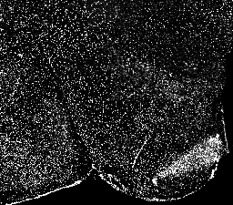
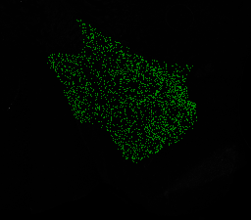
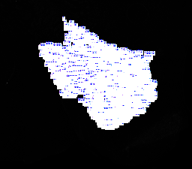
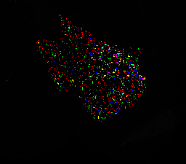
Title | Data | 10_2_section1 | 10_2_section1: Binary Mask | 10_2_section1: Labels | 10_2_section1: Color Coded
Image Name | 10_2_section1
Pixel Size | 994 x 874
Calibrated Size
Calibration
Calibration Value | 0
Created Date
File Size | 10.77 MB

