Analysis Report
1 | LAS X Image Analysis Report

 |  |  |  | Calibration:
 |  | Analysis Date: | 4/10/2023 | Scanned Area:

 |  | Original Image |  | Processed Image
 |  | 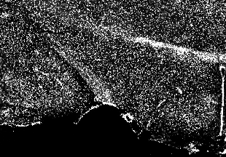 |  | 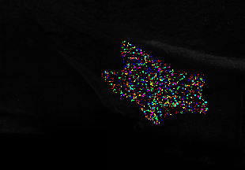

 |  | 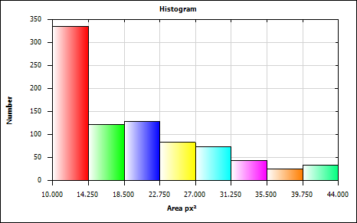
 |  | Mean
 |  | Minimum
 |  | Maximum |  | Approved By:
 |  | Standard Deviation

Feature Histogram

Histogram Statistics

Bin Statistics | Value
Count Excluded Below Number | 0.000
Total Number | 845.000
Count Excluded Above Number | 0.000

Total [px²] | 16518.000
Mean [px²] | 19.548
Std Dev [px²] | 8.722
Standard Error [px²] | 0.300
Maximum [px²] | 44.000
Minimum [px²] | 10.000
2-S Range [px²] | 34.888
Median [px²] | 16.375
Mode [px²] | 12.125
Skewness | 0.947
Kurtosis | 0.025
Features | 845
Specimen Area [px²] | 721762.000
Normalized Number | 0.000
Percent Number [%] | 0.000

Bin Data

Bin | Area [px²] Lower | Area [px²] Upper | Count | Percent of Total Number
Bin 1 | 10.000 | 14.250 | 335 | 39.645
Bin 2 | 14.250 | 18.500 | 122 | 14.438
Bin 3 | 18.500 | 22.750 | 128 | 15.148
Bin 4 | 22.750 | 27.000 | 83 | 9.822
Bin 5 | 27.000 | 31.250 | 74 | 8.757
Bin 6 | 31.250 | 35.500 | 43 | 5.089
Bin 7 | 35.500 | 39.750 | 26 | 3.077
Bin 8 | 39.750 | 44.000 | 34 | 4.024

Histogram Chart

Field Measurements
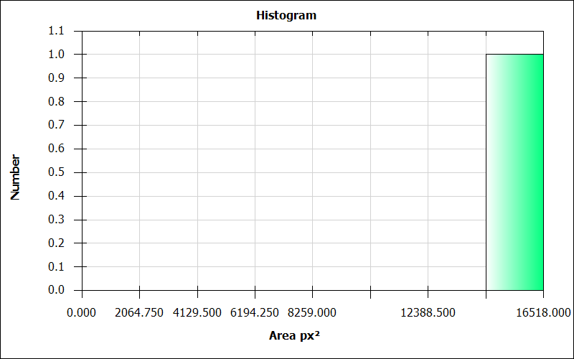
LAS X Automatic Field Measurement Results

Number | Images | Nuclei Count | Nuclei Count Per Area [pxˉ²] | Nuclei Area [px²] | Nuclei Area Fraction | Nuclei Average Intensity | Nuclei Sum Of Intensity | Nuclei Std Dev Intensity | ClassifierUser | ClassifierAuto
1 | 8_6_section1 | 845.000 | 0.001 | 16518.000 | 0.023 | 148.196 | 2447908.000 | 0.000 | NewClass01 | NewClass01

LAS X Automatic Field Measurement Results (Full)

Number | Images | Nuclei Count | CRH Count | TRH Count | GHRH Count | Kiss1 Count | LepRb Count | AgRP Count | NPY Count | Ghrl Count | POMC Count | INR Count | GHSR1a Count | MC4R Count | Nuclei Count Per Area [pxˉ²] | CRH Count Per Area [pxˉ²] | TRH Count Per Area [pxˉ²] | GHRH Count Per Area [pxˉ²] | Kiss1 Count Per Area [pxˉ²] | LepRb Count Per Area [pxˉ²] | AgRP Count Per Area [pxˉ²] | NPY Count Per Area [pxˉ²] | Ghrl Count Per Area [pxˉ²] | POMC Count Per Area [pxˉ²] | INR Count Per Area [pxˉ²] | GHSR1a Count Per Area [pxˉ²] | MC4R Count Per Area [pxˉ²] | Nuclei Area [px²] | CRH Area [px²] | TRH Area [px²] | GHRH Area [px²] | Kiss1 Area [px²] | LepRb Area [px²] | AgRP Area [px²] | NPY Area [px²] | Ghrl Area [px²] | POMC Area [px²] | INR Area [px²] | GHSR1a Area [px²] | MC4R Area [px²] | Nuclei Area Fraction | CRH Area Fraction | TRH Area Fraction | GHRH Area Fraction | Kiss1 Area Fraction | LepRb Area Fraction | AgRP Area Fraction | NPY Area Fraction | Ghrl Area Fraction | POMC Area Fraction | INR Area Fraction | GHSR1a Area Fraction | MC4R Area Fraction | Nuclei Average Intensity | CRH Average Intensity | TRH Average Intensity | GHRH Average Intensity | Kiss1 Average Intensity | LepRb Average Intensity | AgRP Average Intensity | NPY Average Intensity | Ghrl Average Intensity | POMC Average Intensity | INR Average Intensity | GHSR1a Average Intensity | MC4R Average Intensity | Nuclei Sum Of Intensity | CRH Sum Of Intensity | TRH Sum Of Intensity | GHRH Sum Of Intensity | Kiss1 Sum Of Intensity | LepRb Sum Of Intensity | AgRP Sum Of Intensity | NPY Sum Of Intensity | Ghrl Sum Of Intensity | POMC Sum Of Intensity | INR Sum Of Intensity | GHSR1a Sum Of Intensity | MC4R Sum Of Intensity | Nuclei Std Dev Intensity | CRH Std Dev Intensity | TRH Std Dev Intensity | GHRH Std Dev Intensity | Kiss1 Std Dev Intensity | LepRb Std Dev Intensity | AgRP Std Dev Intensity | NPY Std Dev Intensity | Ghrl Std Dev Intensity | POMC Std Dev Intensity | INR Std Dev Intensity | GHSR1a Std Dev Intensity | MC4R Std Dev Intensity | ClassifierUser | ClassifierAuto
1 | 8_6_section1 | 845.000 | 991.000 | 11.000 | 5.000 | 2.000 | 3.000 | 0.000 | 3.000 | 4.000 | 1.000 | 1.000 | 1.000 | 1.000 | 0.001 | 0.001 | 0.000 | 0.000 | 0.000 | 0.000 | 0.000 | 0.000 | 0.000 | 0.000 | 0.000 | 0.000 | 0.000 | 16518.000 | 5152.000 | 660.000 | NaN | NaN | NaN | NaN | NaN | NaN | NaN | NaN | NaN | NaN | 0.023 | 0.007 | 0.001 | NaN | NaN | NaN | NaN | NaN | NaN | NaN | NaN | NaN | NaN | 148.196 | 234.414 | 146.267 | NaN | NaN | NaN | NaN | NaN | NaN | NaN | NaN | NaN | NaN | 2447908.000 | 1207700.000 | 96536.000 | NaN | NaN | NaN | NaN | NaN | NaN | NaN | NaN | NaN | NaN | 0.000 | 30.468 | 81.087 | NaN | NaN | NaN | NaN | NaN | NaN | NaN | NaN | NaN | NaN | NewClass01 | NewClass01

LAS X Automatic Field Measurement Summary

Statistics | Number | Nuclei Count | Nuclei Count Per Area [pxˉ²] | Nuclei Area [px²] | Nuclei Area Fraction | Nuclei Average Intensity | Nuclei Sum Of Intensity | Nuclei Std Dev Intensity
Total | 1.0 | 845.000 | 0.001 | 16518.000 | 0.023 | 148.196 | 2447908.000 | 0.000
Mean | 1.0 | 845.000 | 0.001 | 16518.000 | 0.023 | 148.196 | 2447908.000 | 0.000
Standard Deviation | 0.0 | 0.000 | 0.000 | 0.000 | 0.000 | 0.000 | 0.000 | 0.000
Standard Error | 0.0 | 0.000 | 0.000 | 0.000 | 0.000 | 0.000 | 0.000 | 0.000
Median | 1.0 | 845.000 | 0.001 | 16518.000 | 0.023 | 148.196 | 2447908.000 | 0.000
Maximum | 1.0 | 845.000 | 0.001 | 16518.000 | 0.023 | 148.196 | 2447908.000 | 0.000
Minimum | 0.0 | 0.000 | 0.000 | 0.000 | 0.000 | 0.000 | 0.000 | 0.000
2-S Range | 0.0 | 0.000 | 0.000 | 0.000 | 0.000 | 0.000 | 0.000 | 0.000

LAS X Automatic Field Measurement Summary (Full)

Statistics | Number | Nuclei Count | CRH Count | TRH Count | GHRH Count | Kiss1 Count | LepRb Count | AgRP Count | NPY Count | Ghrl Count | POMC Count | INR Count | GHSR1a Count | MC4R Count | Nuclei Count Per Area [pxˉ²] | CRH Count Per Area [pxˉ²] | TRH Count Per Area [pxˉ²] | GHRH Count Per Area [pxˉ²] | Kiss1 Count Per Area [pxˉ²] | LepRb Count Per Area [pxˉ²] | AgRP Count Per Area [pxˉ²] | NPY Count Per Area [pxˉ²] | Ghrl Count Per Area [pxˉ²] | POMC Count Per Area [pxˉ²] | INR Count Per Area [pxˉ²] | GHSR1a Count Per Area [pxˉ²] | MC4R Count Per Area [pxˉ²] | Nuclei Area [px²] | CRH Area [px²] | TRH Area [px²] | GHRH Area [px²] | Kiss1 Area [px²] | LepRb Area [px²] | AgRP Area [px²] | NPY Area [px²] | Ghrl Area [px²] | POMC Area [px²] | INR Area [px²] | GHSR1a Area [px²] | MC4R Area [px²] | Nuclei Area Fraction | CRH Area Fraction | TRH Area Fraction | GHRH Area Fraction | Kiss1 Area Fraction | LepRb Area Fraction | AgRP Area Fraction | NPY Area Fraction | Ghrl Area Fraction | POMC Area Fraction | INR Area Fraction | GHSR1a Area Fraction | MC4R Area Fraction | Nuclei Average Intensity | CRH Average Intensity | TRH Average Intensity | GHRH Average Intensity | Kiss1 Average Intensity | LepRb Average Intensity | AgRP Average Intensity | NPY Average Intensity | Ghrl Average Intensity | POMC Average Intensity | INR Average Intensity | GHSR1a Average Intensity | MC4R Average Intensity | Nuclei Sum Of Intensity | CRH Sum Of Intensity | TRH Sum Of Intensity | GHRH Sum Of Intensity | Kiss1 Sum Of Intensity | LepRb Sum Of Intensity | AgRP Sum Of Intensity | NPY Sum Of Intensity | Ghrl Sum Of Intensity | POMC Sum Of Intensity | INR Sum Of Intensity | GHSR1a Sum Of Intensity | MC4R Sum Of Intensity | Nuclei Std Dev Intensity | CRH Std Dev Intensity | TRH Std Dev Intensity | GHRH Std Dev Intensity | Kiss1 Std Dev Intensity | LepRb Std Dev Intensity | AgRP Std Dev Intensity | NPY Std Dev Intensity | Ghrl Std Dev Intensity | POMC Std Dev Intensity | INR Std Dev Intensity | GHSR1a Std Dev Intensity | MC4R Std Dev Intensity
Total | 1.0 | 845.000 | 991.000 | 11.000 | 5.000 | 2.000 | 3.000 | 0.000 | 3.000 | 4.000 | 1.000 | 1.000 | 1.000 | 1.000 | 0.001 | 0.001 | 0.000 | 0.000 | 0.000 | 0.000 | 0.000 | 0.000 | 0.000 | 0.000 | 0.000 | 0.000 | 0.000 | 16518.000 | 5152.000 | 660.000 | NaN | NaN | NaN | NaN | NaN | NaN | NaN | NaN | NaN | NaN | 0.023 | 0.007 | 0.001 | NaN | NaN | NaN | NaN | NaN | NaN | NaN | NaN | NaN | NaN | 148.196 | 234.414 | 146.267 | NaN | NaN | NaN | NaN | NaN | NaN | NaN | NaN | NaN | NaN | 2447908.000 | 1207700.000 | 96536.000 | NaN | NaN | NaN | NaN | NaN | NaN | NaN | NaN | NaN | NaN | 0.000 | 30.468 | 81.087 | NaN | NaN | NaN | NaN | NaN | NaN | NaN | NaN | NaN | NaN
Mean | 1.0 | 845.000 | 991.000 | 11.000 | 5.000 | 2.000 | 3.000 | 0.000 | 3.000 | 4.000 | 1.000 | 1.000 | 1.000 | 1.000 | 0.001 | 0.001 | 0.000 | 0.000 | 0.000 | 0.000 | 0.000 | 0.000 | 0.000 | 0.000 | 0.000 | 0.000 | 0.000 | 16518.000 | 5152.000 | 660.000 | NaN | NaN | NaN | NaN | NaN | NaN | NaN | NaN | NaN | NaN | 0.023 | 0.007 | 0.001 | NaN | NaN | NaN | NaN | NaN | NaN | NaN | NaN | NaN | NaN | 148.196 | 234.414 | 146.267 | NaN | NaN | NaN | NaN | NaN | NaN | NaN | NaN | NaN | NaN | 2447908.000 | 1207700.000 | 96536.000 | NaN | NaN | NaN | NaN | NaN | NaN | NaN | NaN | NaN | NaN | 0.000 | 30.468 | 81.087 | NaN | NaN | NaN | NaN | NaN | NaN | NaN | NaN | NaN | NaN
Standard Deviation | 0.0 | 0.000 | 0.000 | 0.000 | 0.000 | 0.000 | 0.000 | 0.000 | 0.000 | 0.000 | 0.000 | 0.000 | 0.000 | 0.000 | 0.000 | 0.000 | 0.000 | 0.000 | 0.000 | 0.000 | 0.000 | 0.000 | 0.000 | 0.000 | 0.000 | 0.000 | 0.000 | 0.000 | 0.000 | 0.000 | 0.000 | 0.000 | 0.000 | 0.000 | 0.000 | 0.000 | 0.000 | 0.000 | 0.000 | 0.000 | 0.000 | 0.000 | 0.000 | 0.000 | 0.000 | 0.000 | 0.000 | 0.000 | 0.000 | 0.000 | 0.000 | 0.000 | 0.000 | 0.000 | 0.000 | 0.000 | 0.000 | 0.000 | 0.000 | 0.000 | 0.000 | 0.000 | 0.000 | 0.000 | 0.000 | 0.000 | 0.000 | 0.000 | 0.000 | 0.000 | 0.000 | 0.000 | 0.000 | 0.000 | 0.000 | 0.000 | 0.000 | 0.000 | 0.000 | 0.000 | 0.000 | 0.000 | 0.000 | 0.000 | 0.000 | 0.000 | 0.000 | 0.000 | 0.000 | 0.000 | 0.000 | 0.000
Standard Error | 0.0 | 0.000 | 0.000 | 0.000 | 0.000 | 0.000 | 0.000 | 0.000 | 0.000 | 0.000 | 0.000 | 0.000 | 0.000 | 0.000 | 0.000 | 0.000 | 0.000 | 0.000 | 0.000 | 0.000 | 0.000 | 0.000 | 0.000 | 0.000 | 0.000 | 0.000 | 0.000 | 0.000 | 0.000 | 0.000 | 0.000 | 0.000 | 0.000 | 0.000 | 0.000 | 0.000 | 0.000 | 0.000 | 0.000 | 0.000 | 0.000 | 0.000 | 0.000 | 0.000 | 0.000 | 0.000 | 0.000 | 0.000 | 0.000 | 0.000 | 0.000 | 0.000 | 0.000 | 0.000 | 0.000 | 0.000 | 0.000 | 0.000 | 0.000 | 0.000 | 0.000 | 0.000 | 0.000 | 0.000 | 0.000 | 0.000 | 0.000 | 0.000 | 0.000 | 0.000 | 0.000 | 0.000 | 0.000 | 0.000 | 0.000 | 0.000 | 0.000 | 0.000 | 0.000 | 0.000 | 0.000 | 0.000 | 0.000 | 0.000 | 0.000 | 0.000 | 0.000 | 0.000 | 0.000 | 0.000 | 0.000 | 0.000
Median | 1.0 | 845.000 | 991.000 | 11.000 | 5.000 | 2.000 | 3.000 | 0.000 | 3.000 | 4.000 | 1.000 | 1.000 | 1.000 | 1.000 | 0.001 | 0.001 | 0.000 | 0.000 | 0.000 | 0.000 | 0.000 | 0.000 | 0.000 | 0.000 | 0.000 | 0.000 | 0.000 | 16518.000 | 5152.000 | 660.000 | NaN | NaN | NaN | NaN | NaN | NaN | NaN | NaN | NaN | NaN | 0.023 | 0.007 | 0.001 | NaN | NaN | NaN | NaN | NaN | NaN | NaN | NaN | NaN | NaN | 148.196 | 234.414 | 146.267 | NaN | NaN | NaN | NaN | NaN | NaN | NaN | NaN | NaN | NaN | 2447908.000 | 1207700.000 | 96536.000 | NaN | NaN | NaN | NaN | NaN | NaN | NaN | NaN | NaN | NaN | 0.000 | 30.468 | 81.087 | NaN | NaN | NaN | NaN | NaN | NaN | NaN | NaN | NaN | NaN
Maximum | 1.0 | 845.000 | 991.000 | 11.000 | 5.000 | 2.000 | 3.000 | 0.000 | 3.000 | 4.000 | 1.000 | 1.000 | 1.000 | 1.000 | 0.001 | 0.001 | 0.000 | 0.000 | 0.000 | 0.000 | 0.000 | 0.000 | 0.000 | 0.000 | 0.000 | 0.000 | 0.000 | 16518.000 | 5152.000 | 660.000 | 0.000 | 0.000 | 0.000 | 0.000 | 0.000 | 0.000 | 0.000 | 0.000 | 0.000 | 0.000 | 0.023 | 0.007 | 0.001 | 0.000 | 0.000 | 0.000 | 0.000 | 0.000 | 0.000 | 0.000 | 0.000 | 0.000 | 0.000 | 148.196 | 234.414 | 146.267 | 0.000 | 0.000 | 0.000 | 0.000 | 0.000 | 0.000 | 0.000 | 0.000 | 0.000 | 0.000 | 2447908.000 | 1207700.000 | 96536.000 | 0.000 | 0.000 | 0.000 | 0.000 | 0.000 | 0.000 | 0.000 | 0.000 | 0.000 | 0.000 | 0.000 | 30.468 | 81.087 | 0.000 | 0.000 | 0.000 | 0.000 | 0.000 | 0.000 | 0.000 | 0.000 | 0.000 | 0.000
Minimum | 0.0 | 0.000 | 0.000 | 0.000 | 0.000 | 0.000 | 0.000 | 0.000 | 0.000 | 0.000 | 0.000 | 0.000 | 0.000 | 0.000 | 0.000 | 0.000 | 0.000 | 0.000 | 0.000 | 0.000 | 0.000 | 0.000 | 0.000 | 0.000 | 0.000 | 0.000 | 0.000 | 0.000 | 0.000 | 0.000 | 0.000 | 0.000 | 0.000 | 0.000 | 0.000 | 0.000 | 0.000 | 0.000 | 0.000 | 0.000 | 0.000 | 0.000 | 0.000 | 0.000 | 0.000 | 0.000 | 0.000 | 0.000 | 0.000 | 0.000 | 0.000 | 0.000 | 0.000 | 0.000 | 0.000 | 0.000 | 0.000 | 0.000 | 0.000 | 0.000 | 0.000 | 0.000 | 0.000 | 0.000 | 0.000 | 0.000 | 0.000 | 0.000 | 0.000 | 0.000 | 0.000 | 0.000 | 0.000 | 0.000 | 0.000 | 0.000 | 0.000 | 0.000 | 0.000 | 0.000 | 0.000 | 0.000 | 0.000 | 0.000 | 0.000 | 0.000 | 0.000 | 0.000 | 0.000 | 0.000 | 0.000 | 0.000
2-S Range | 0.0 | 0.000 | 0.000 | 0.000 | 0.000 | 0.000 | 0.000 | 0.000 | 0.000 | 0.000 | 0.000 | 0.000 | 0.000 | 0.000 | 0.000 | 0.000 | 0.000 | 0.000 | 0.000 | 0.000 | 0.000 | 0.000 | 0.000 | 0.000 | 0.000 | 0.000 | 0.000 | 0.000 | 0.000 | 0.000 | NaN | NaN | NaN | NaN | NaN | NaN | NaN | NaN | NaN | NaN | 0.000 | 0.000 | 0.000 | NaN | NaN | NaN | NaN | NaN | NaN | NaN | NaN | NaN | NaN | 0.000 | 0.000 | 0.000 | NaN | NaN | NaN | NaN | NaN | NaN | NaN | NaN | NaN | NaN | 0.000 | 0.000 | 0.000 | NaN | NaN | NaN | NaN | NaN | NaN | NaN | NaN | NaN | NaN | 0.000 | 0.000 | 0.000 | NaN | NaN | NaN | NaN | NaN | NaN | NaN | NaN | NaN | NaN

Bin | Area [px²] Lower | Area [px²] Upper | Count | Percent of Total Number
Bin 1 | 0.000 | 2064.750 | 0 | 0.000
Bin 2 | 2064.750 | 4129.500 | 0 | 0.000
Bin 3 | 4129.500 | 6194.250 | 0 | 0.000
Bin 4 | 6194.250 | 8259.000 | 0 | 0.000
Bin 5 | 8259.000 | 10323.750 | 0 | 0.000
Bin 6 | 10323.750 | 12388.500 | 0 | 0.000
Bin 7 | 12388.500 | 14453.250 | 0 | 0.000
Bin 8 | 14453.250 | 16518.000 | 1 | 100.000

Field Histogram
Bin Statistics | Value
Count Excluded Below Number | 0.000
Total Number | 1.000
Count Excluded Above Number | 0.000

Total [px²] | 16518.000
Mean [px²] | 16518.000
Std Dev [px²] | 0.000
Standard Error [px²] | 0.000
Maximum [px²] | 16518.000
Minimum [px²] | 16518.000
2-S Range [px²] | 0.000
Median [px²] | 15485.625
Mode [px²] | 15485.625
Skewness | 0.000
Kurtosis | 0.000
Features | 1
Specimen Area [px²] | 721762.000
Normalized Number | 0.000
Percent Number [%] | 0.000
Histogram Chart

Images
Images

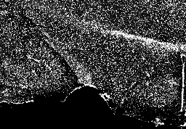
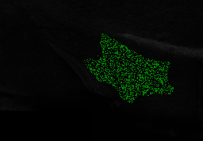
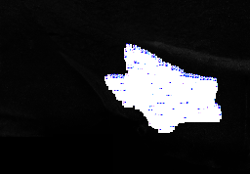
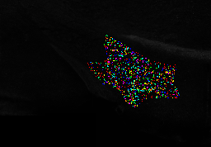
Title | Data | 8_6_section1 | 8_6_section1: Binary Mask | 8_6_section1: Labels | 8_6_section1: Color Coded
Image Name | 8_6_section1
Pixel Size | 1018 x 709
Calibrated Size
Calibration
Calibration Value | 0
Created Date
File Size | 8.948 MB

