Hoja1
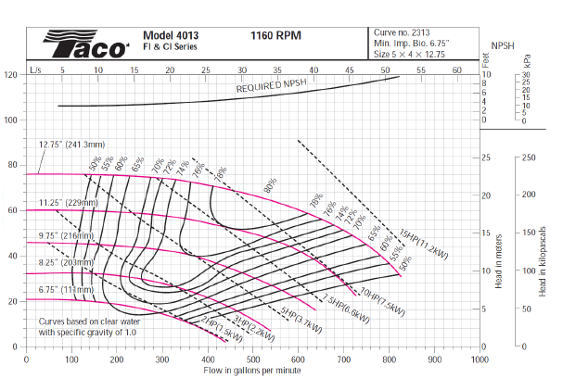
 | TDH
Q (gpm) | H (pies)
0 | 30
100 | 32.45
200 | 39.8
300 | 52.05
400 | 69.2
500 | 91.25
600 | 118.2

Hoja1 (2)
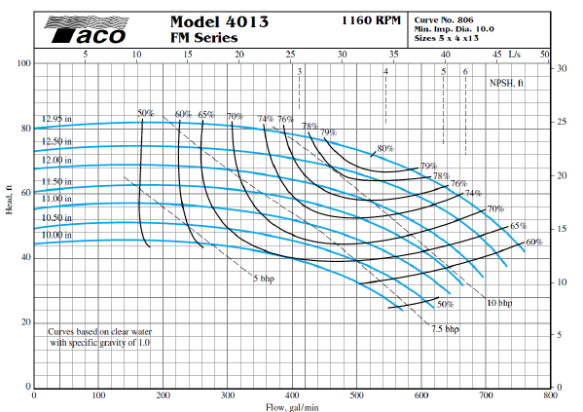
 | TDH
Q (gpm) | H (pies)
0 | 30
100 | 32.45
200 | 39.8
300 | 52.05
400 | 69.2
500 | 91.25
600 | 118.2

