lotoideas
www.lotoideas.com

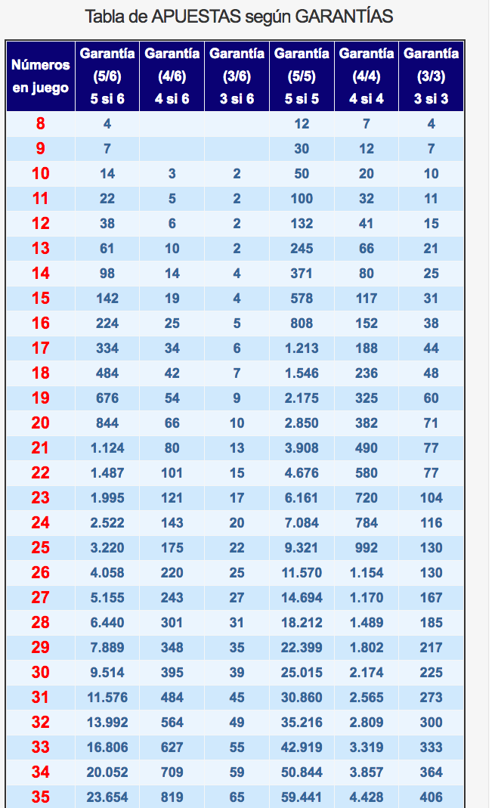

PUNTO DE VENTA Nº 36845

