Dashboard
UR5 Pick-and-Place — Trajectory Tracking Analysis

Run: startup, hold, small_joint_1, return_to_start, path/straight_to_pick, path/pick_to_place, path/place_to_straight, settle | Controller-mode label: effort | Offline evidence report
Total Samples | Logged Duration | Median Sample Interval | EE Position RMSE | EE Max Error |  | Final Logged EE Error |  |  | Controller Mode
1,406 | 28.59 s | 20.0 ms | 58.53 mm | 208.14 mm |  | 27.01 mm |  |  | effort

1. Joint Position Tracking (Reference vs Actual) |  |  | 2. Joint Position Tracking Error |  |  |  | 3. Joint Error Statistics
J1 (Shoulder Pan)
 | Reference | Actual
J2 (Shoulder Lift)
 | Reference | Actual
J1 Position Error
 | Signed error | Zero
J2 Position Error
 | Signed error | Zero
 |  |  |  |  |  |  | Joint | RMSE (deg) |  |  | Max abs (deg)
 |  |  |  |  |  |  | J1 | 2.795 |  |  | 8.212
 |  |  |  |  |  |  | J2 | 1.809 |  |  | 7.075
 |  |  |  |  |  |  | J3 | 1.764 |  |  | 7.778
 |  |  |  |  |  |  | J4 | 2.887 |  |  | 10.577
 |  |  |  |  |  |  | J5 | 3.299 |  |  | 9.795
 |  |  |  |  |  |  | J6 | 4.669 |  |  | 16.797

 |  |  |  |  |  |  | Highlight = largest observed joint metric; no quality classification is implied.

J3 (Elbow)
 | Reference | Actual
J4 (Wrist 1)
 | Reference | Actual
J3 Position Error
 | Signed error | Zero
J4 Position Error
 | Signed error | Zero

 |  |  |  |  |  |  | 4. End-Effector Error Statistics

 |  |  |  |  |  |  | Metric |  |  | Value
 |  |  |  |  |  |  | 3D RMSE (mm) |  |  | 58.532
 |  |  |  |  |  |  | Maximum (mm) |  |  | 208.141
 |  |  |  |  |  |  | Final logged sample (mm) |  |  | 27.014
 |  |  |  |  |  |  | Mean (mm) |  |  | 40.462
 |  |  |  |  |  |  | Population std (mm) |  |  | 42.296

 |  |  |  |  |  |  | Peak: 208.141 mm at t = 23.690 s Final means last valid logged sample, not verified task completion. Translational XYZ only; orientation not recorded.

J5 (Wrist 2)
 | Reference | Actual
J6 (Wrist 3)
 | Reference | Actual
J5 Position Error
 | Signed error | Zero
J6 Position Error
 | Signed error | Zero

5. End-Effector Trajectory (3D View) |  | 6. End-Effector Position Error (XYZ) |  |  | 7. End-Effector Total Error

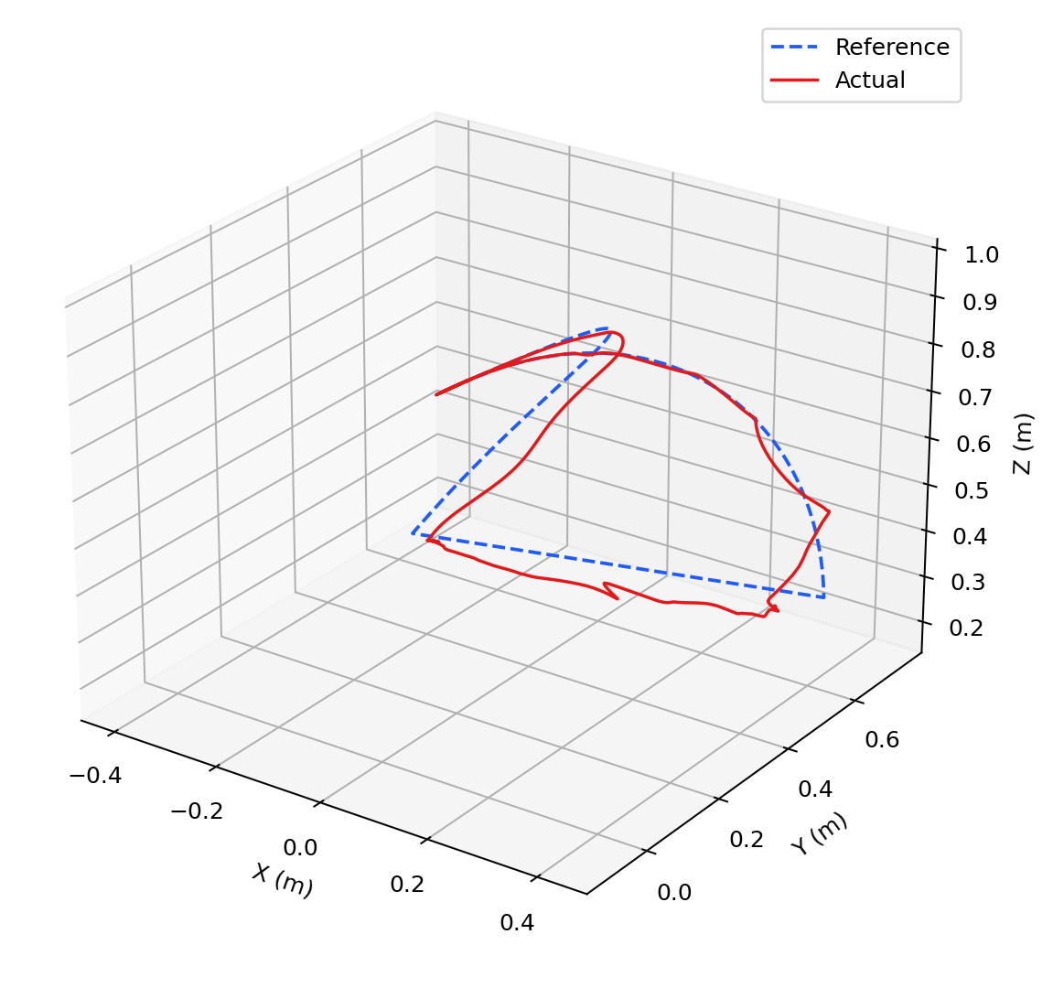
Signed XYZ Components and 3D Magnitude
 | X signed | Y signed | Z signed | 3D magnitude
3D Error — peak 208.14 mm at 23.69 s
 | 3D magnitude

 |  | 8. Joint Velocity vs Position Error — J5 |  |  | 9. XY and XZ End-Effector Projection

J5 Actual Velocity vs Signed Position Error
 | J5 actual velocity | J5 signed position error
Top View — XY Plane
 | Reference | Actual
Side View — XZ Plane
 | Reference | Actual

Static embedded matplotlib view generated from full-resolution CSV data; it is not Excel-rotatable.

Methods/limitations: metrics use every valid source sample; no interpolation or chart downsampling. Logged duration is the timestamp span, not a verified task-cycle duration. Error convention is reference minus actual. Missing payload, effort, and gains remain N/A. The report covers end-effector XYZ translation only; no measured orientation is present. See Metrics and Run_Info for validation details.

Joint_Tracking
UR5 Joint Tracking — Enlarged Reference vs Actual
All six joints use full-resolution calculated arrays. Reference is dashed blue; actual is solid red. Angles are degrees and time is relative seconds.

J1 — Shoulder Pan
 | Reference | Actual
J2 — Shoulder Lift
 | Reference | Actual

J3 — Elbow
 | Reference | Actual
J4 — Wrist 1
 | Reference | Actual

J5 — Wrist 2
 | Reference | Actual
J6 — Wrist 3
 | Reference | Actual

Interpretation: the reference and actual trajectories are plotted at the original sample resolution; no interpolation or display-only resampling is used.

Joint_Errors
UR5 Joint Tracking Errors — Enlarged Signed Error Views
Position error = reference minus actual. Green is signed error; dashed black is zero reference. Each title reports the absolute peak and relative timestamp.

J1 — Shoulder Pan error | peak 8.212 deg at t=23.69 s
 | Position error | Zero
J2 — Shoulder Lift error | peak 7.075 deg at t=23.75 s
 | Position error | Zero

J3 — Elbow error | peak 7.778 deg at t=23.69 s
 | Position error | Zero
J4 — Wrist 1 error | peak 10.577 deg at t=23.67 s
 | Position error | Zero

J5 — Wrist 2 error | peak 9.795 deg at t=21.50 s
 | Position error | Zero
J6 — Wrist 3 error | peak 16.797 deg at t=18.68 s
 | Position error | Zero

Peak annotations are computed from the full-resolution signed error arrays and use relative chart time. A peak is not a quality classification.

EE_Analysis
UR5 End-Effector Analysis — Trajectory and Cartesian Error
Translation-only analysis in the base_link/tool0 frame. Reference is dashed blue, actual is solid red, signed components use X/Y/Z colors, and total Cartesian error is black.

Top View — XY Plane
 | Reference | Actual
Side View — XZ Plane
 | Reference | Actual

Signed XYZ Components and 3D Magnitude
 | X signed | Y signed | Z signed | 3D magnitude
Total Cartesian Error — peak 208.141 mm at t=23.69 s
 | 3D magnitude
 | RMSE statistics
 | 3D RMSE | 58.532
 | Maximum | 208.141
 | Final logged | 27.014
 | Mean | 40.462
 | Population std | 42.296

 | Final logged means the last valid logged sample; it is not claimed as verified task completion accuracy. No EE orientation signal is present.

The 3D trajectory is a static embedded plot for LibreOffice portability. Native Excel/Calc charts show the time-series and XY/XZ projections. All metrics use the full-resolution source data.

Velocity_Analysis
UR5 Joint Velocity vs Position Error — Enlarged Views
Blue uses the left axis (actual velocity in deg/s); red uses the right axis (signed position error in deg). Time is relative seconds.

J1 — Shoulder Pan | error peak 8.212 deg at t=23.69 s
 | Actual velocity (deg/s) | Signed position error (deg)
J2 — Shoulder Lift | error peak 7.075 deg at t=23.75 s
 | Actual velocity (deg/s) | Signed position error (deg)

J3 — Elbow | error peak 7.778 deg at t=23.69 s
 | Actual velocity (deg/s) | Signed position error (deg)
J4 — Wrist 1 | error peak 10.577 deg at t=23.67 s
 | Actual velocity (deg/s) | Signed position error (deg)

J5 — Wrist 2 | error peak 9.795 deg at t=21.50 s
 | Actual velocity (deg/s) | Signed position error (deg)
J6 — Wrist 3 | error peak 16.797 deg at t=18.68 s
 | Actual velocity (deg/s) | Signed position error (deg)

The two Y axes are intentionally independent: do not compare their vertical distances directly. All velocity and error calculations use the logged values after unit conversion.

