Sheet1
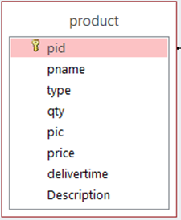

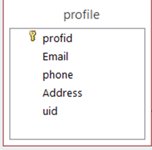
 |  |  | invoice
 |  |  |  | ID_Inv
 |  |  | order id
 |  |  | paymentmethod
 |  |  | invoicedate
 |  |  | Discount
 |  |  | total price

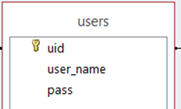
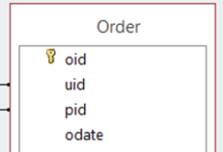

 |  | roleid
 |  |  | qtyO
page table |  |  | shipmentaddress
pageid
pagename

 | Acclist
 | ACCLIST ID
 | pageid
 | roleid

