Sheet1
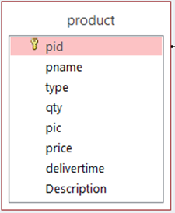

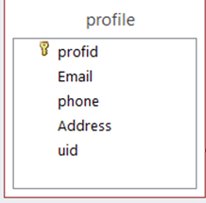
 | invoice
 |  | ID_Inv
 | order id
 | paymentmethod
 | invoicedate
 | Discount
 | total price

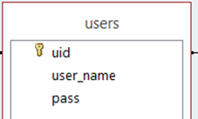
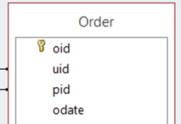

rol
 | qtyO
 | shipmentaddress

