HowTo
ver. 1.0 | How to use this file (Decision making tool) | Have a questions or looking for others Excel tools? Visit: |  | https://github.com/sergey-frolov-pets/excel-helpers

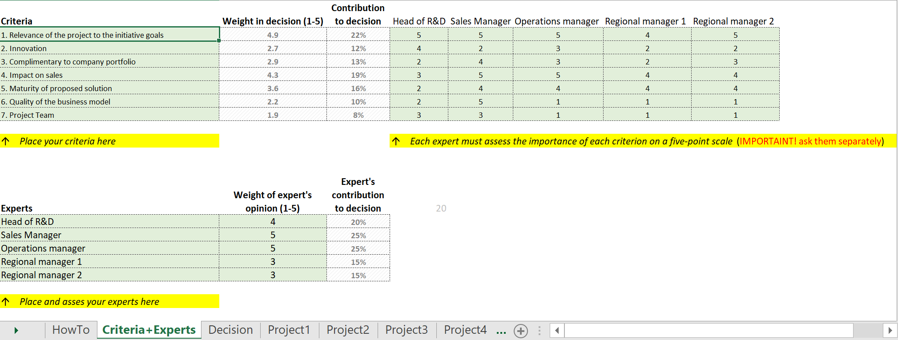
2
3
1
 | Sheet "Criteria + Experts"
 |  |  | Step | Action

 |  |  | Sheet "Criteria + Experts"
 |  |  | 1 | Enter/edit the list of criteria to asses your options (if you do not know what to choose - collect ideas from your experts.
 |  |  |  | Add or delete rows with Criteria if necessary.

 |  |  | 2 | Fill the list of experts and estimate how their opinion important for your decision.
 |  |  |  | Add or delete rows with Experts if necessary.

 |  |  | 3 | Ask EACH expert (strictly separately!) to asses importance of each criterion
 |  |  |  | Add or delete columns with Experts if necessary.

 |  |  | Sheet "Project..."
 |  |  | 1 | Copy ANY sheet with project and rename it with short name of your option
 |  |  |  | Do not use white spaces between words in Sheet name (use "Project_1", but not "Project 1") - otherwise, formulas will not work

 |  |  | 2 | Criteria names will be taken from Sheet "Critera+Experts"
 |  |  |  | Add or delete rows with Criteria by copy/paste rows if necessary.

 |  |  | 3 | Asses each criterion using 5-points scale (5 - the best option)
 | Sheet "Project..." |  |  | You need to prepare clear rules, how to measure criteria and put them in written form on Sheet Criteria+Experts
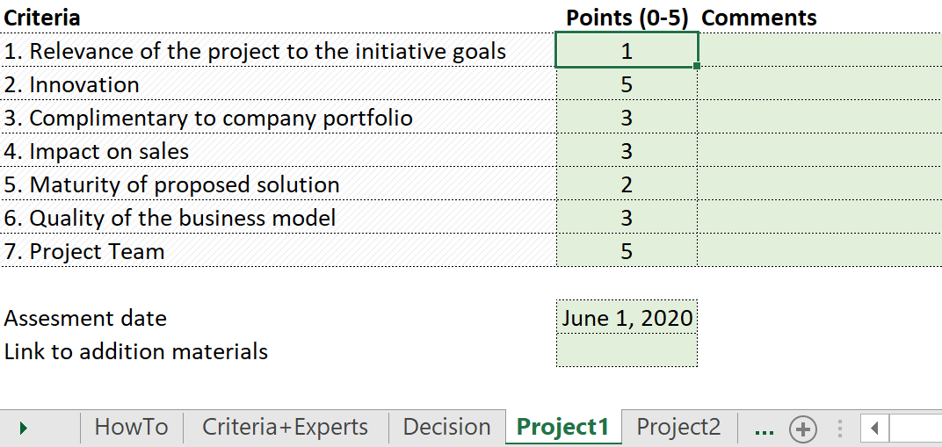
1
2
3
4
 |  |  | 4 | Is a good idea to put any additional information about the option below the list with criteria

 |  |  | Sheet "Decision"
 |  |  | 1 | Choose how many options can be included into final decision

 |  |  | 2 | Type OR copy sheet name of each option to the list
 |  |  |  | Add or delete rows with Criteria by copy/paste rows if necessary.

 |  |  | 3 | You will see rank of your options in column Total score…

 |  |  | 4 | Add Comments, or review your assesments on other sheets if necessary

 |  |  | The tool is based on Decision support systems techniques and can easily be extended with multi-points scales, pair-estimation technique for experts or criteria, etc.
 | Sheet "Decision" |  | https://en.wikipedia.org/wiki/Decision_support_system
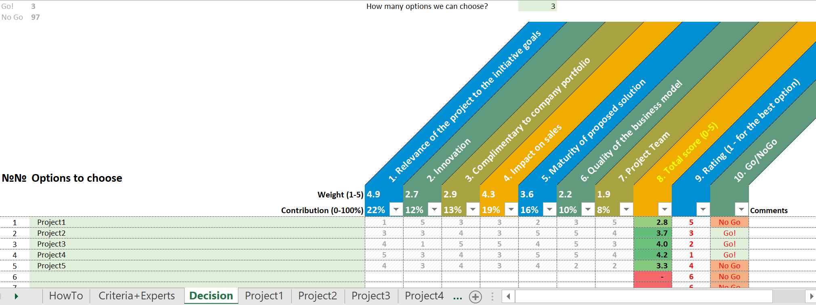
4
3
2
1

 |  |  | This program is free software: you can redistribute it and/or modify
 |  |  | it under the terms of the GNU General Public License as published by
 |  |  | the Free Software Foundation, either version 3 of the License, or
 |  |  | (at your option) any later version.

 |  |  | This program is distributed in the hope that it will be useful,
 |  |  | but WITHOUT ANY WARRANTY; without even the implied warranty of
 |  |  | MERCHANTABILITY or FITNESS FOR A PARTICULAR PURPOSE. See the
 |  |  | GNU General Public License for more details.

 |  |  | You should have received a copy of the GNU General Public License
 |  |  | along with this program. If not, see
 |  |  | https://www.gnu.org/licenses/

