HowTo
ver. 1.0 | How to use this file (Histogram maker tool) | Have a questions or looking for others Excel tools? Visit: | https://github.com/sergey-frolov-pets/excel-helpers
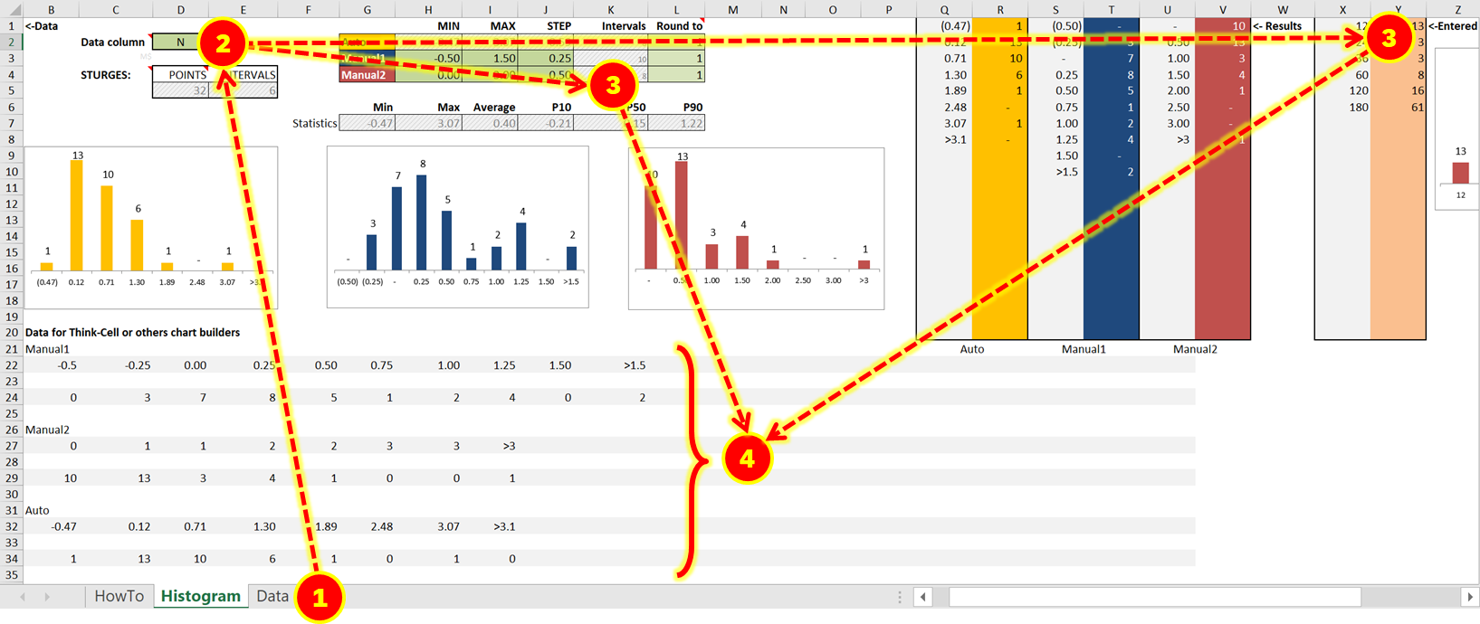
 |  |  | Step | Action
 |  |  | 1 | Open the sheet ‘Data’ and copy your data points into any of Columns starting from Row 1
 |  |  | 2 | Go back to the sheet ‘Histogram’ and enter your data column name from the sheet ‘Data’ into cell D2
 |  |  | 3 | You have two ‘Manual’ histograms to play with (you can change Min value, Max value and Step of histogram in cells H3:J4), one ‘Auto’ histogram, built based on statistics formulas and you also can enter histogram points manually in columns X,Y.
 |  |  | 4 | After preparation of histogram(s) you need, you can copy any of four options from Rows 22-39 and paste them directly to the Think-Cell diagram. You can also see data set statistics in cells G7:L7.

 |  |  | This tool is based on Sturges' formula:
 |  |  | https://en.wikipedia.org/wiki/Histogram#Sturges'_formula

 |  |  | This program is free software: you can redistribute it and/or modify
 |  |  | it under the terms of the GNU General Public License as published by
 |  |  | the Free Software Foundation, either version 3 of the License, or
 |  |  | (at your option) any later version.

 |  |  | This program is distributed in the hope that it will be useful,
 |  |  | but WITHOUT ANY WARRANTY; without even the implied warranty of
 |  |  | MERCHANTABILITY or FITNESS FOR A PARTICULAR PURPOSE. See the
 |  |  | GNU General Public License for more details.

 |  |  | You should have received a copy of the GNU General Public License
 |  |  | along with this program. If not, see
 |  |  | https://www.gnu.org/licenses/

Histogram
12 | 13
24 | 3
36 | 3
60 | 8
120 | 16
180 | 61
<-Data |  |  |  |  |  | MIN | MAX | STEP | Intervals | Round to |  |  |  |  | (0.47) | 1 | (0.50) | - | - | 10 | <- Results | 12 | 13 | <-Entered | 6
 | Data column | N |  |  | Auto | -0.47 | 3.07 | 0.59 | 8 | 1 |  |  |  |  | 0.12 | 13 | (0.25) | 3 | 0.50 | 13 |  | 24 | 3
 | M$ |  | O$ |  | Manual1 | -0.50 | 1.50 | 0.25 | 10 | 1 |  |  |  |  | 0.71 | 10 | - | 7 | 1.00 | 3 |  | 36 | 3
 | STURGES: | POINTS | INTERVALS |  | Manual2 | 0.00 | 3.00 | 0.50 | 8 | 1 |  |  |  |  | 1.30 | 6 | 0.25 | 8 | 1.50 | 4 |  | 60 | 8
 |  | 32 | 6 |  |  |  |  |  |  |  |  |  |  |  | 1.89 | 1 | 0.50 | 5 | 2.00 | 1 |  | 120 | 16
 |  |  |  |  | Min | Max | Average | P10 | P50 | P90 |  |  |  |  | 2.48 | - | 0.75 | 1 | 2.50 | - |  | 180 | 61
 |  |  |  | Statistics | -0.47 | 3.07 | 0.40 | -0.21 | 0.15 | 1.22 |  |  |  |  | 3.07 | 1 | 1.00 | 2 | 3.00 | -
(0.50) | -
(0.25) | 3
- | 7
0.25 | 8
0.50 | 5
0.75 | 1
1.00 | 2
1.25 | 4
1.50 | -
>1.5 | 2
 |  |  |  |  |  |  |  |  |  |  |  |  |  |  | >3.1 | - | 1.25 | 4 | >3 | 1
(0.47) | 1
0.12 | 13
0.71 | 10
1.30 | 6
1.89 | 1
2.48 | -
3.07 | 1
>3.1 | -
- | 10
0.50 | 13
1.00 | 3
1.50 | 4
2.00 | 1
2.50 | -
3.00 | -
>3 | 1
 |  |  |  |  |  |  |  |  |  |  |  |  |  |  |  |  | 1.50 | -
 |  |  |  |  |  |  |  |  |  |  |  |  |  |  |  |  | >1.5 | 2

Data for Think-Cell or others chart builders
Manual1 |  |  |  |  |  |  |  |  |  |  |  |  |  |  | Auto |  | Manual1 |  | Manual2
-0.5 | -0.25 | 0.00 | 0.25 | 0.50 | 0.75 | 1.00 | 1.25 | 1.50 | >1.5

0 | 3 | 7 | 8 | 5 | 1 | 2 | 4 | 0 | 2

Manual2
0 | 1 | 1 | 2 | 2 | 3 | 3 | >3

10 | 13 | 3 | 4 | 1 | 0 | 0 | 1

Auto
-0.47 | 0.12 | 0.71 | 1.30 | 1.89 | 2.48 | 3.07 | >3.1

1 | 13 | 10 | 6 | 1 | 0 | 1 | 0

Entered
12 | 24 | 36 | 60 | 120 | 180 | 0 | 0 | 0 | 0 | 0 | 0 | 0 | 0 | 0 | 0 | 0 | 0 | 0 | 0

13 | 3 | 3 | 8 | 16 | 61 | 0 | 0 | 0 | 0 | 0 | 0 | 0 | 0 | 0 | 0 | 0 | 0 | 0 | 0

