HowTo
ver. 1.0 | How to use this file (Agenda builder tool) | Have a questions or looking for others Excel tools? Visit: |  | https://github.com/sergey-frolov-pets/excel-helpers

1
1
 | Phase 1. Initialization
 |  |  | Step | Action

 |  |  | Phase 1. Initialization
 |  |  | 0 | Prepare the file for your event preparation by saving templete with new filename.
 |  |  |  | (it can be something like YYYY-MM-DD_EventName_v01.xlsx)

 |  |  | 1 | Put `Event name` and `Event dates` to cells `B2` and `K3`.
2
 |  |  | 2 | Prepare the event skeleton, by setting placeholders for each timeblock during the event.
 |  |  |  | Add or delete timeblocks in the template by copy/paste rows if necessary.

 |  |  | Phase 2. Collect Options/Candidates
 |  |  | 1 | Prepare Categories of timeblocks with the amount of necessary speakers/providers per category.
 |  |  |  | You have to find at least 1-2 backup options per category

 |  |  | 2 | Create initial list of canditates/options for each category. You will review it many times in future.
 |  |  |  | Is good idea to collect maximum possible options just from the beginning - you will have more time to estimate and approve them.
 |  |  |  | HINT: Your can place to this table ANY tasks to be tracked, not only presentations or restaurans.

2
 |  |  | 3 | Do not forget to put all contacts for the options to the table below - it will save a lot of time for ALL preparation team.
 | Phase 2. Collect Options/Candidates |  |  | Add backup contacts to the table as well.
1
 |  |  | Phase 3. Tracking preparation status
 |  |  | 1 | To place the option to the event schedule just put `= [Cell_with_option_topic_name]` in column F.
 |  |  |  | Duration, Company, Presenter and Facilitator will be taken from Options/Candidates table automatically.

 |  |  | 2 | Column C in Options/Candidates table contains test for the option in the row.
 |  |  |  | Cell will be Green, if option is in the schedule, Grey if not and Red, if option is in the schedule more than in one place.

 |  |  | 3 | Now you can organize regular review of you Event preparation status. In Options/Candidates table
 |  |  |  | copy Column L and paste the Column to the same position. Put the review date in cell [L38].
 |  |  |  | Write the current preparation status for each option in column L.
 |  |  |  | Next time you will see the progress and can focus on unchanged/stale statuses.

3
 |  |  | This program is free software: you can redistribute it and/or modify
 |  |  | it under the terms of the GNU General Public License as published by
 |  |  | the Free Software Foundation, either version 3 of the License, or
 |  |  | (at your option) any later version.

 |  |  | This program is distributed in the hope that it will be useful,
 |  |  | but WITHOUT ANY WARRANTY; without even the implied warranty of
 |  |  | MERCHANTABILITY or FITNESS FOR A PARTICULAR PURPOSE. See the
 |  |  | GNU General Public License for more details.

 |  |  | You should have received a copy of the GNU General Public License
 |  |  | along with this program. If not, see
 |  |  | https://www.gnu.org/licenses/

 | Phase 3. Tracking preparation status

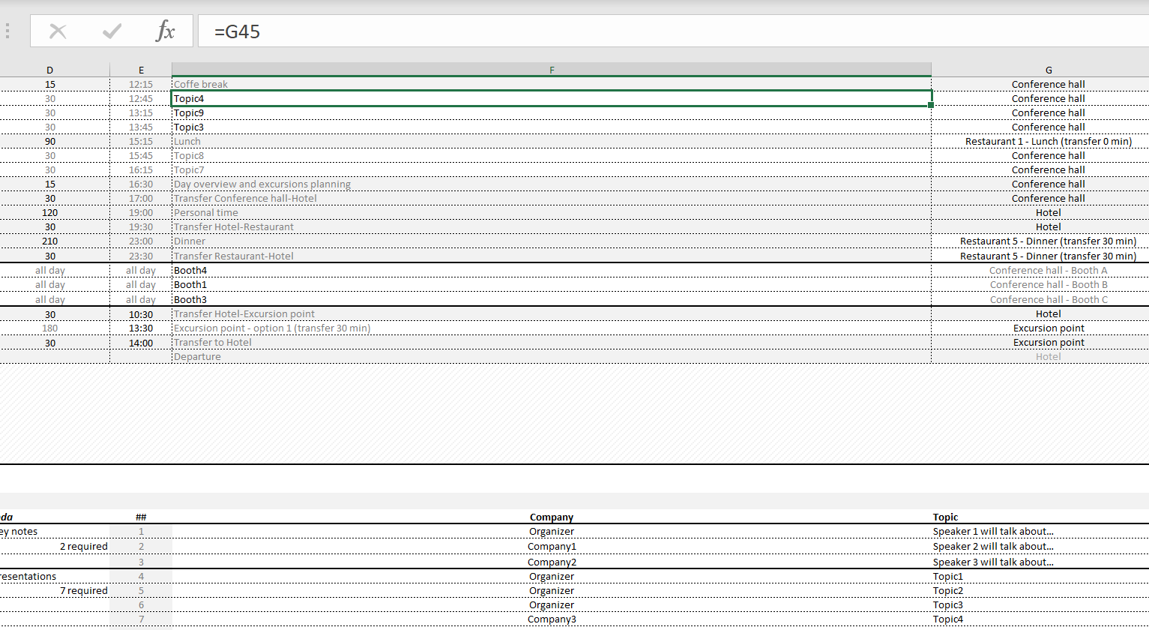

1

1

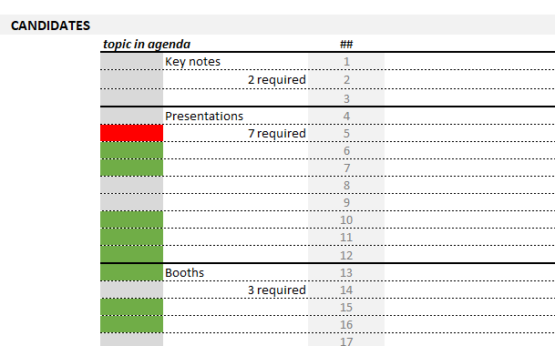

2

3

