Main
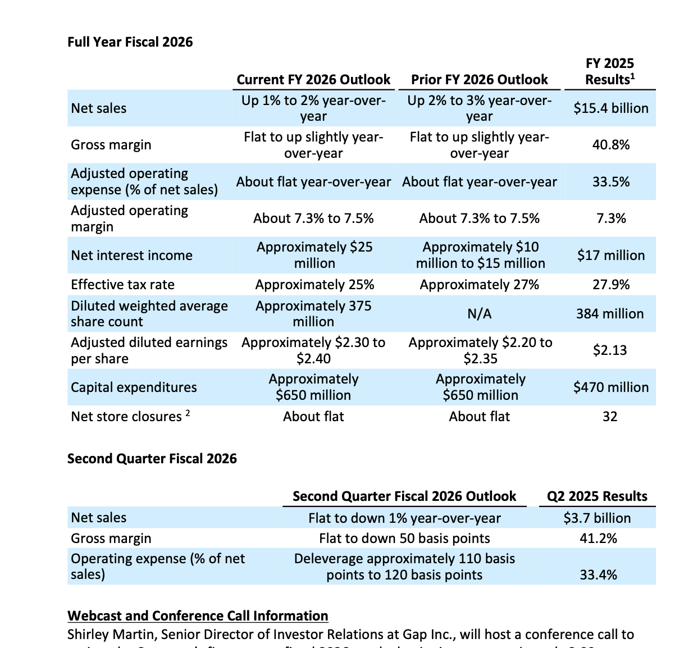
CEO | Mr. Richard Dickson | P | 23
CFO |  | S | 351 | Q226
Employees | 79,000 | MC | 8,248
HQ: San Fransisco, CA |  | C | 2,485 | Q226
 |  | D | 1,493 | Q226
Brands |  | EV | 7,256
Old Navy
Gap
Banana Republic
Athleta

Press Release
Q226
Q126
Q425
Q325
Q225

