Main
CEO | Tony Spring
CFO |  |  |  |  |  |  | Adjustment
Founded | 1858 |  |  | P | 16.06 |  | 17.22
Founder | Rowland Hussey Macy; ownership remained in the family until 1862 |  |  | S | 263 | Q126 | 263
 | 1992 bankruptcy |  |  | MC | 4,224 |  | 4,528
 |  |  |  | C | 1,294 | Q126 | 1,294
 |  |  |  | D | 2,432 | Q126 | 2,128
 |  |  |  | EV | 5,362 |  | 5,362

Fin Releases |  | News | Contains |  | 58%
Q125 |  | 2024-08-22 | BoD announces 18.24 cent dividend |  | 31%
Q424 |  | 2025-08-12 | Q225 earnings date: 9/3/25
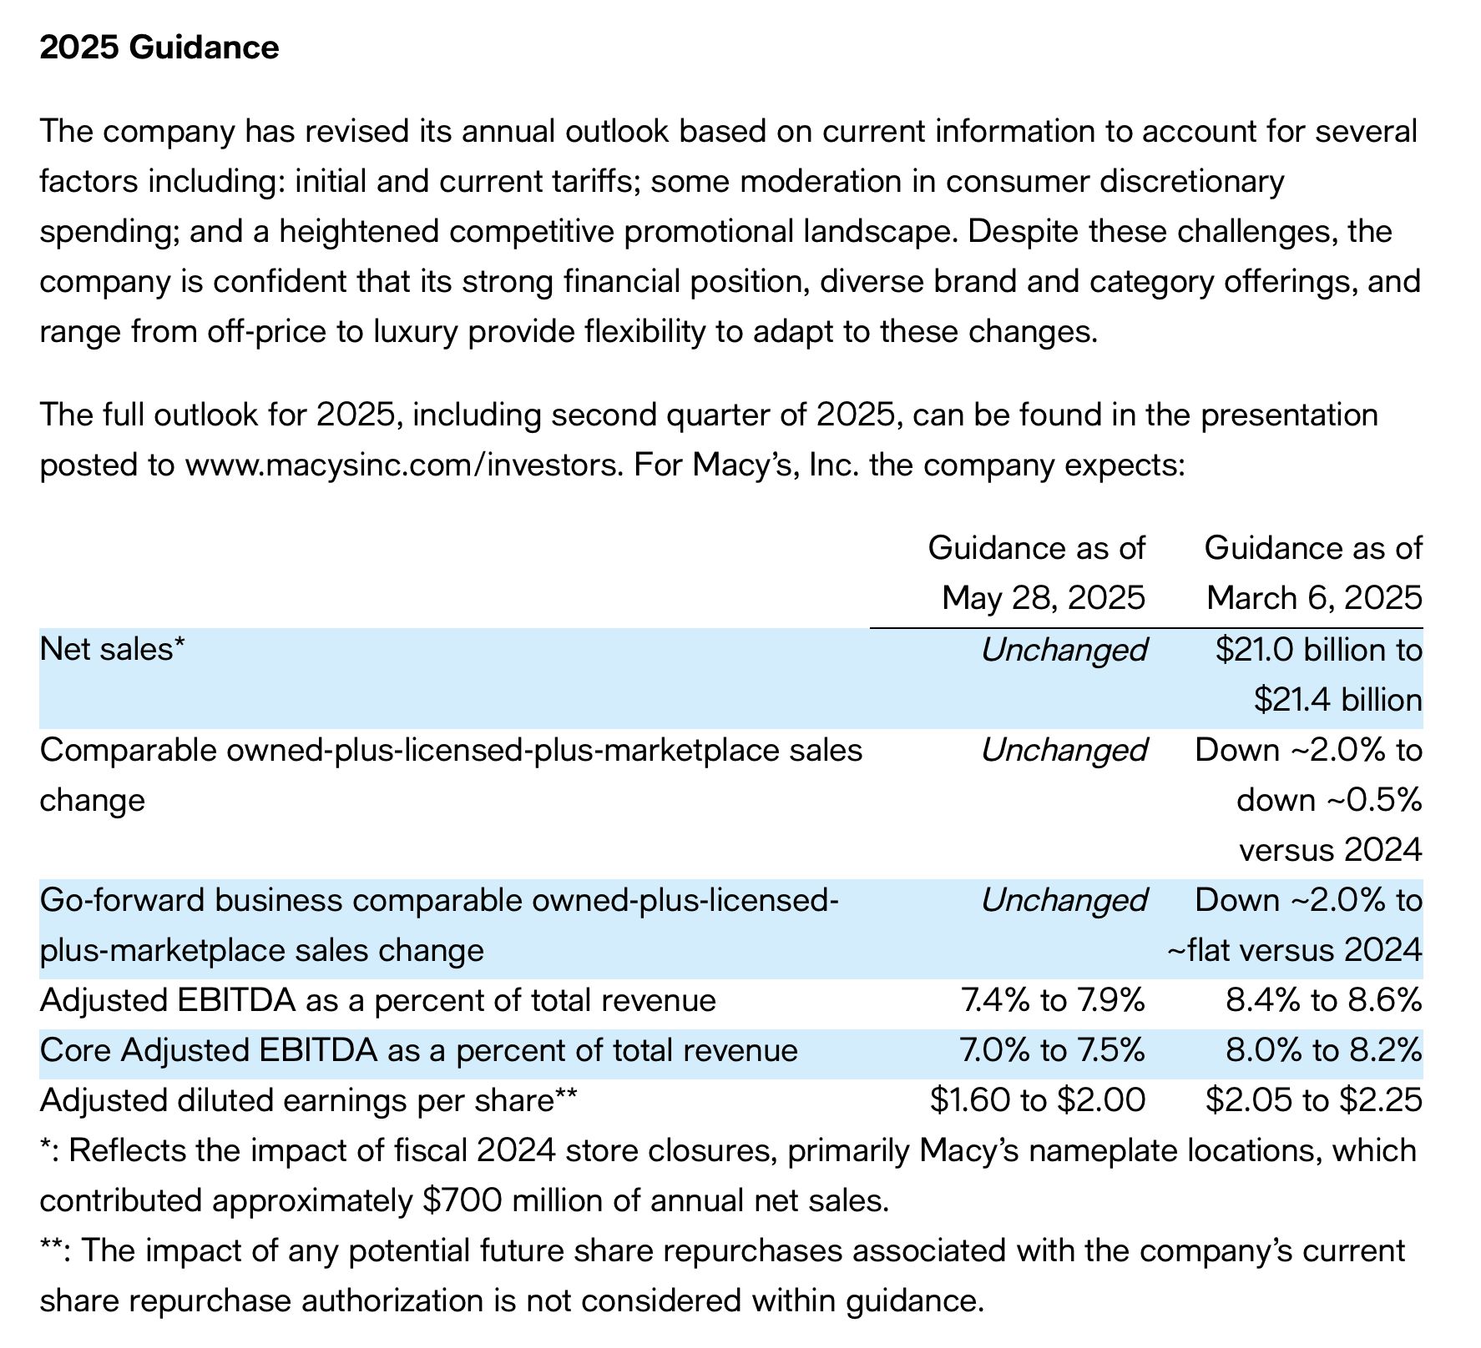
 |  | 2025-07-28 | Amending Ttnder offer on bonds | NC | 1,138
 |  | 2025-07-14 | Pricing of Senior Notes;$500m @ 7.3755 |  | 4
 |  | 2025-07-14 | Annoucing tender offer

