Main
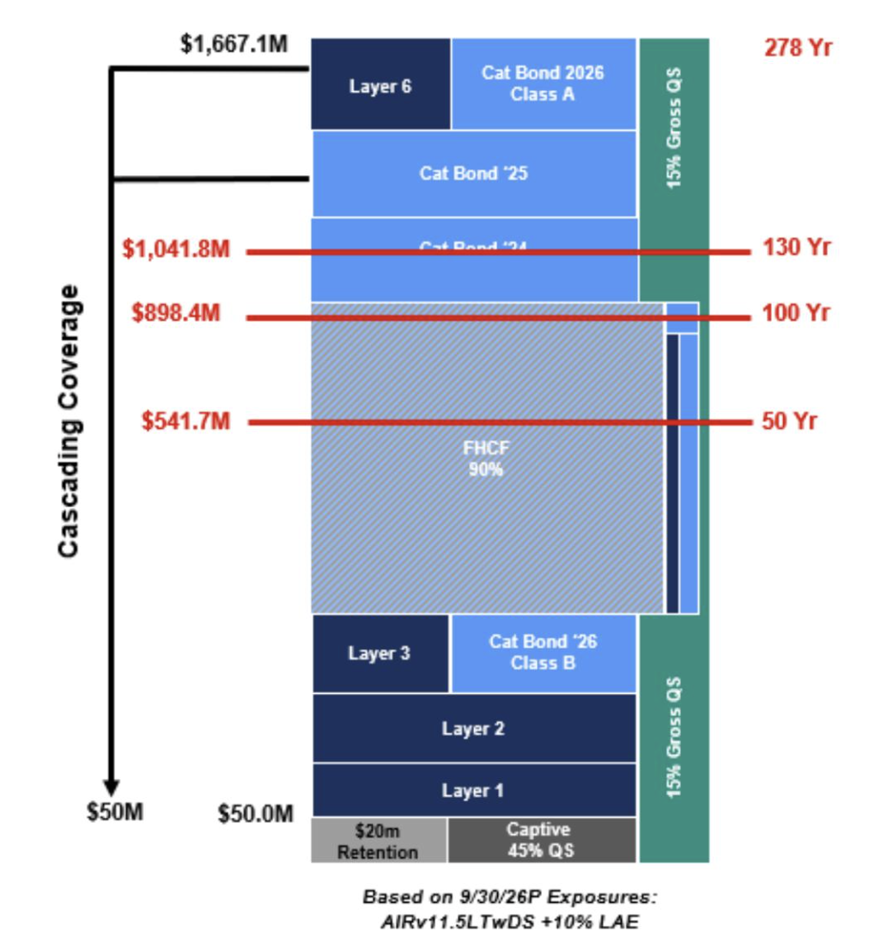
 |  | Opening | 11
 |  | YTD | -3%
American Costal Insurance Co. |  | P | 11.1 | Q126
CEO |  | S | 48
CFO |  | MC | 535
HQ | St. Petersburg, FL | C | 239 | Q126
Employees | 65 | D | 149 | Q425
 |  | EV | 445
RBC
 |  | BV | 318
 |  |  | 7

Press Releases | Analyst Coverage
Q1'26 | Raymond
 | Tieton Capital
 | Titan Capital

