Main
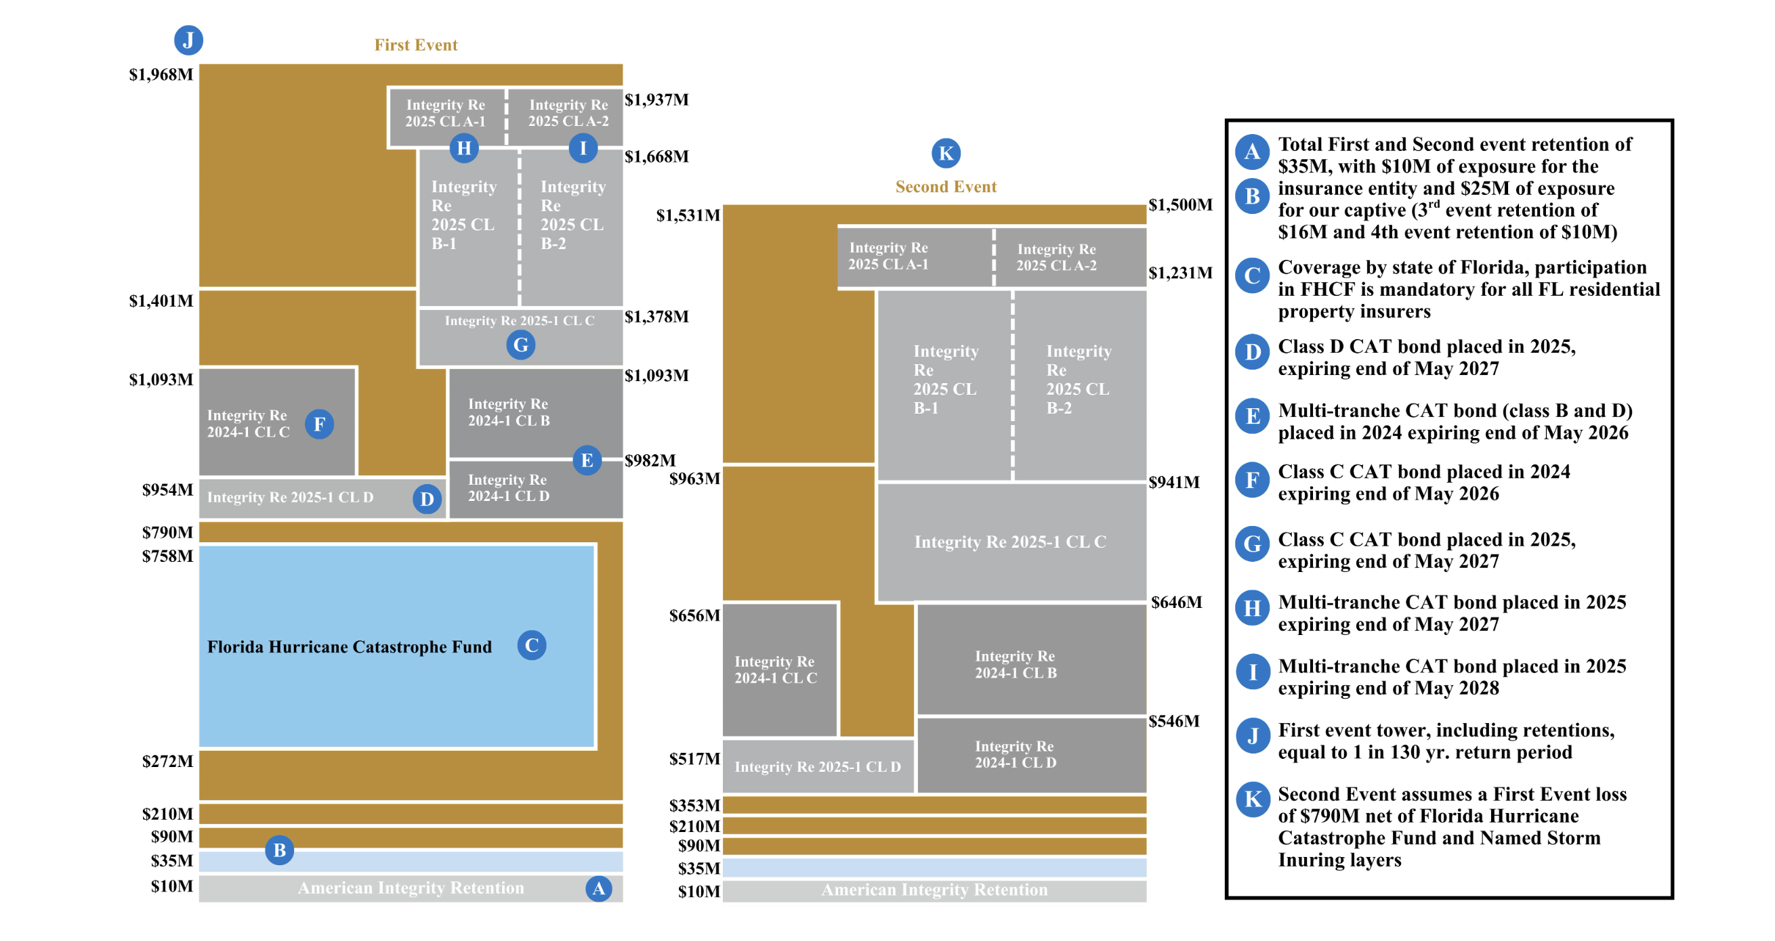
Company: American Integrity Insurance Group Inc
Subsidiary: American Integrity Insurance Group
Provides: Residential Property Insurance
Seeded By: Sowell & Co: https://www.sowellco.com/ |  |  |  |  |  |  |  | P | 16.60
CEO: Robert Ritchie |  |  |  |  |  |  |  | S | 20 | Q126
CFO: Brian Foley; former: Ben Lurie |  |  |  |  |  |  |  | MC | 325
HQ: Tampa FL |  |  |  |  |  |  |  | C | 226 | Q126 |  |  |  | Catastrophe Reinsurance Tower
Founded 2006 |  |  |  |  |  |  |  | D | 1 | Q126 |  |  |  | A. Primary Retention; the deductible AII keeps. Before reinsurers pay AII absorbs 1st $35M ($10M = Insurance Exposure; $25M = Captive Exposure)
IPO: 2025 |  |  |  |  |  |  |  | EV | 99 |  |  |  |  | B. Co-Participation Layer. AII still shares some losses even after reinsurers begin to pay. (3rd event retention = $16M; 4th Event retention = $10M)
Hurricane Szn: June 1st - Nov 30th |  |  |  |  |  |  |  |  |  |  |  |  |  | C. Florida Hurricane Catastrophe Fund (FHCF) - state sponsored reinsruance. Mandatory for state of FL residential insurers.
Internal Software: ouchstone from AIR (Verisk), Risk Modeler from RMS (Moody’s), RiskInsight from Karen Clark & Company, Opterrix |  |  |  |  |  |  |  | CPS | 12 |  |  |  |  | D. Class D CAT bond placed in 2025. Investors buy bonds, if no catastrophe --> earns interest, if catastrophe, loses principal)
Employees: 313 as of 12/31/2026 |  |  |  |  |  |  |  | BVPS | 17.1 |  |  |  |  | E. Multi-Tranche CAT bond (Expires May 2026) - additional Capital market reinsurance
 |  |  |  |  |  |  |  | BV | 335 | 300 |  |  |  | F. Class C CAT bond placed in 2024 expiring end of May 2026
 |  |  |  |  |  |  |  |  | 0.97 | 15 |  |  |  | G. Class C CAT bond, expiring May 2027
Susbsidiaries |  |  |  |  |  |  |  |  |  |  |  |  |  | H. Multi-Tranche CAT bond (Expires May 2027)
American Integrity Insurance Group, LLC (AIIG), holding company formed in Texas in 2006 |  |  |  |  |  |  |  |  |  |  |  |  |  | I. Multi-tranche CAT bond placed in 2025 expiring end of May 2028
American Integrity Insurance Company (AIIC) is a corporation that operates as a Florida-domiciled admitted insurance company. Core ops performed by other subsidiaries, but employs accounting dept |  |  |  |  |  |  |  |  |  |  |  |  |  | J. Probability of an event occuring in any given year that exausts the tower
American Integrity MGA, LLC (AIMGA) operates as a Texas domiciled managing general agency to produce, underwrite, negotiate, bind, and administer policies |  |  |  |  |  |  |  |  |  |  |  |  |  | 0.77%
American Integrity Claims Services, LLC (AICS) manages all non-catastrophe claims for AIIC and, on an as needed basis,
Pinnacle Analytics, LLC (Pinnacle) is responsible for performing ongoing reinsurance related analytical and modeling
Pinnacle Insurance Consultants, LLC (PIC) acts as the agent of record of policies that are assumed from Citizens |  |  |  |  |  |  |  |  |  |  |  |  |  | Expected value of the Third Event exposure
 |  |  |  |  |  |  |  |  |  |  |  |  |  | Known
News | Contains | Earnings | Earnings Transcript |  |  |  |  |  |  |  |  |  |  | third event retention is $85M ater $10M
2026-05-06 | Increasing Total Insured Value | Q425 |  |  |  |  |  |  |  |  |  |  |  | Florida averages ~1.5 per year historically
2026-04-06 | New CFO | Q325 |  |  |  |  |  |  |  |  |  |  |  | Probablity of 3+ named storms hitting Florida in one season :
 |  | Q225 |  |  |  |  |  |  |  |  |  |  |  | P(1st tower exhausted) = 1/130 or 0.77% in any given year
 |  | Q125 |  |  |  |  |  |  |  |  |  |  |  | P(second tower stressed) = P(first event) * P(second event | 1st tower exhausted) = 0.0077 * .093 = .07%
 |  |  |  |  |  |  |  |  |  |  |  |  |  | P(third event) = .0077 * 0.25 = 0.179%

 |  |  |  |  |  |  |  |  |  |  |  |  |  | 0.0179% | 5,591
 |  |  |  |  |  |  |  |  |  |  |  |  |  | 0.77%
 |  |  |  |  |  |  |  |  |  |  |  |  |  | 0.07%

Triangle: Incurred Losses and Allocated LAE, Net of Reinsurance ($k)
Accident Year | 2015 | 2016 | 2017 | 2018 | 2019 | 2020 | 2021 | 2022 | 2023 | 2024 | 2025 | Reported remainig | Model Remaining
2015 | 42,003 | 39,623 | 46,877 | 47,555 | 48,545 | 48,672 | 48,426 | 48,853 | 49,012 | 48,895 | 49,086 | 19 | 119
2016 |  | 53,192 | 51,879 | 54,306 | 56,499 | 57,282 | 60,983 | 61,206 | 61,568 | 60,855 | 60,791 | 66 | 64
2017 |  |  | 57,286 | 48,820 | 26,956 | 24,139 | 22,535 | 18,846 | 19,453 | 19,172 | 19,363 | 25 | 17
2018 |  |  |  | 89,565 | 78,270 | 82,013 | 86,354 | 83,734 | 84,985 | 83,191 | 83,072 | 72 | 61
2019 |  |  |  |  | 104,651 | 107,979 | 118,580 | 118,187 | 121,378 | 119,509 | 118,987 | 553 | 454
2020 |  |  |  |  |  | 93,727 | 133,001 | 134,531 | 140,552 | 139,361 | 139,337 | 1,344 | 1,178
2021 |  |  |  |  |  |  | 78,605 | 110,218 | 114,801 | 116,366 | 116,347 | 2,008 | 1,741
2022 |  |  |  |  |  |  |  | 91,299 | 72,343 | 71,726 | 76,236 | 5,388 | 4,860
2023 |  |  |  |  |  |  |  |  | 88,840 | 90,307 | 94,161 | 5,337 | 4,609
2024 |  |  |  |  |  |  |  |  |  | 94,189 | 84,378 | 11,054 | 6,879
2025 |  |  |  |  |  |  |  |  |  |  | 99,847 |  | 54,273
 |  |  |  |  |  |  |  |  |  |  | 941,605

Triangle: Cumulative Paid Losses and Allocated LAE, Net of Reinsurance ($k)
Accident Year | 2015 | 2016 | 2017 | 2018 | 2019 | 2020 | 2021 | 2022 | 2023 | 2024 | 2025
2015 | 20,564 | 32,681 | 40,904 | 45,050 | 47,492 | 48,396 | 48,316 | 48,796 | 48,905 | 48,878 | 48,967
2016 |  | 31,282 | 42,759 | 49,237 | 54,877 | 56,557 | 60,486 | 61,012 | 61,187 | 60,759 | 60,727
2017 |  |  | 25,224 | 40,067 | 24,925 | 22,207 | 21,343 | 18,371 | 19,012 | 19,091 | 19,346
2018 |  |  |  | 45,454 | 72,404 | 77,680 | 83,699 | 82,836 | 83,761 | 83,091 | 83,011
2019 |  |  |  |  | 58,982 | 95,405 | 112,510 | 116,637 | 117,975 | 118,521 | 118,533
2020 |  |  |  |  |  | 58,376 | 120,360 | 130,048 | 136,788 | 137,474 | 138,159
2021 |  |  |  |  |  |  | 48,184 | 99,498 | 108,814 | 113,529 | 114,606
2022 |  |  |  |  |  |  |  | 49,437 | 56,876 | 65,080 | 71,376
2023 |  |  |  |  |  |  |  |  | 55,107 | 80,487 | 89,552
2024 |  |  |  |  |  |  |  |  |  | 56,037 | 77,499
2025 |  |  |  |  |  |  |  |  |  |  | 45,574
 |  |  |  |  |  |  |  |  |  |  | 867,350

 | 49.0% | 82.5% | 87.3% | 94.7% | 97.8% | 99.4% | 99.8% | 99.9% | 99.8% | 100.0% | 99.8%
 |  | 58.8% | 82.4% | 90.7% | 97.1% | 98.7% | 99.2% | 99.7% | 99.4% | 99.8% | 99.9%
 |  |  | 44.0% | 82.1% | 92.5% | 92.0% | 94.7% | 97.5% | 97.7% | 99.6% | 99.9%
 |  |  |  | 50.7% | 92.5% | 94.7% | 96.9% | 98.9% | 98.6% | 99.9% | 99.9%
 |  |  |  |  | 56.4% | 88.4% | 94.9% | 98.7% | 97.2% | 99.2% | 99.6%
 |  |  |  |  |  | 62.3% | 90.5% | 96.7% | 97.3% | 98.6% | 99.2%
 |  |  |  |  |  |  | 61.3% | 90.3% | 94.8% | 97.6% | 98.5%
 |  |  |  |  |  |  |  | 54.1% | 78.6% | 90.7% | 93.6%
 |  |  |  |  |  |  |  |  | 62.0% | 89.1% | 95.1%
 |  |  |  |  |  |  |  |  |  | 59.5% | 91.8%
 |  |  |  |  |  |  |  |  |  |  | 45.6%

 | Year
Payout curve | 1 | 2 | 3 | 4 | 5 | 6 | 7 | 8
 | 55%

