Main
 |  | $M
 |  | P | 94
 |  | Shares | 786 | Q324 | Molybdenum | Zinc Ore
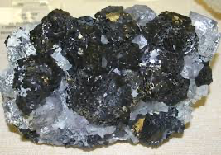
Production |  | MC | 73,762
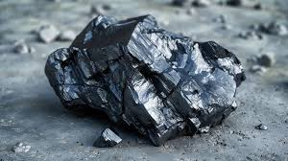
copper |  | Cash | 2,974 | Q324
molybdenum |  | Debt | 6,257 | Q324
zinc |  | EV | 77,046
silver

Locations
Peru
Mexico
Argentina
Chile
Ecuador

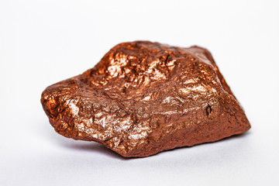
Catalysts |  |  |  |  | Copper Ore
Global Electrification and Decarbonization | copper used for renewable energy, Evs, and grid infrastructure |  |  |  |  | Silver Ore
Aeerospace and Defense | Molybdenum and gold for high tech and aerospace
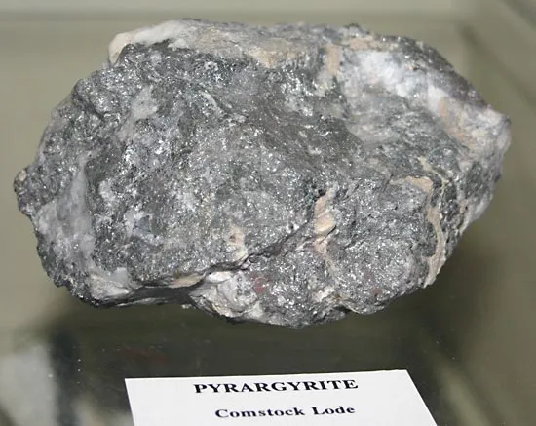
Fertilizaer | Sulfuric acid supports agricultural output

