Main
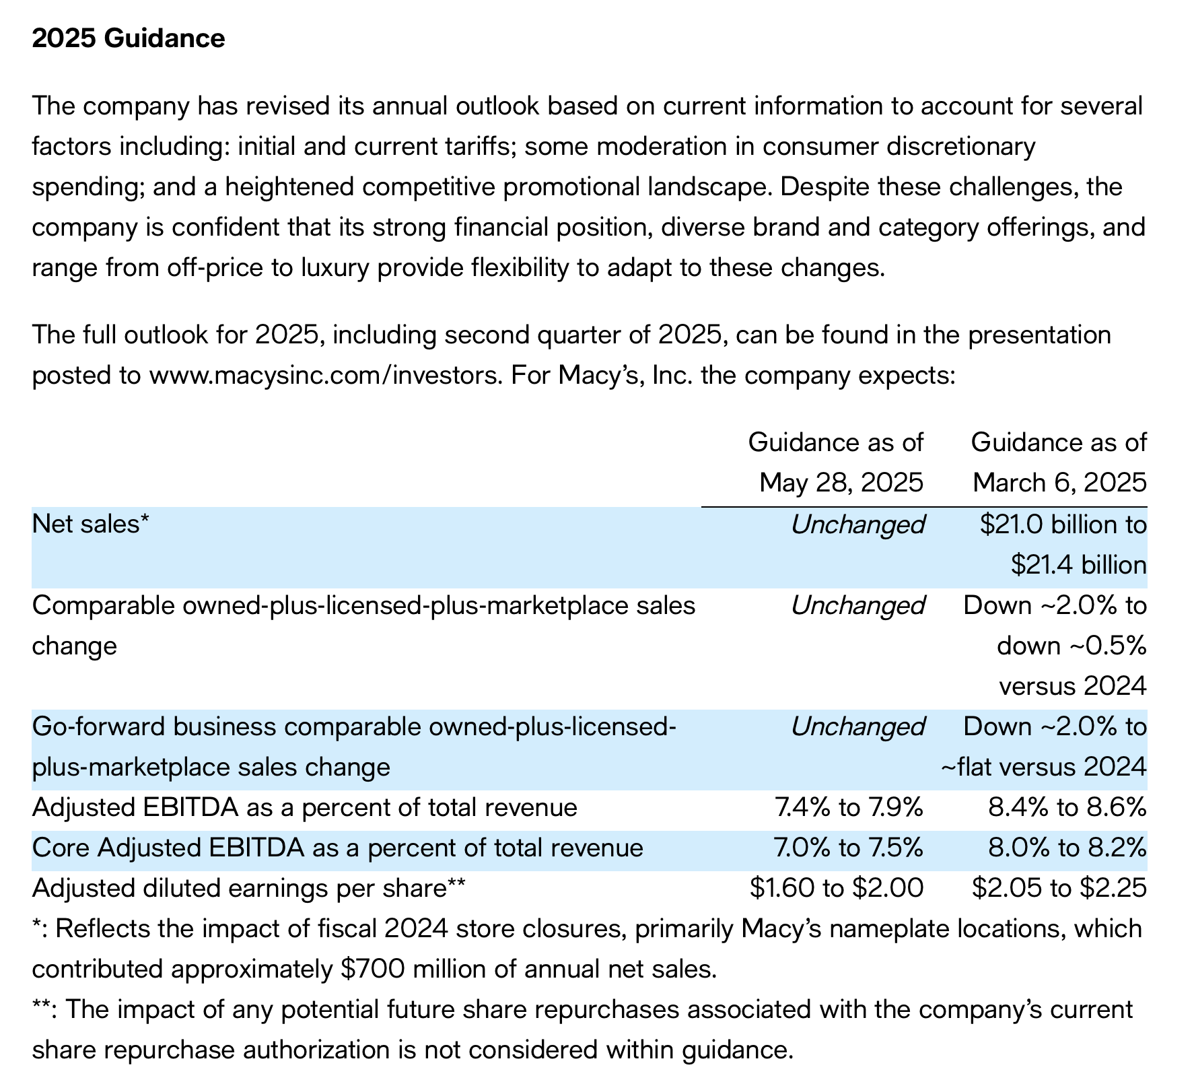
CEO | Tony Spring
CFO
Founded | 1858 |  |  | P | 15
Founder | Rowland Hussey Macy; ownership remained in the family until 1862 |  |  | S | 272 | Q125
 | 1992 bankruptcy |  |  | MC | 4,171
 |  |  |  | C | 932 | Q125
 |  |  |  | D | 2,780 | Q125
 |  |  |  | EV | 6,019

Fin Releases |  | News | Contains |  | 67%
Q125 |  | 2024-08-22 | BoD announces 18.24 cent dividend |  | 22%
Q424 |  | 2025-08-12 | Q225 earnings date: 9/3/25
 |  | 2025-07-28 | Amending Ttnder offer on bonds | NC | 1,848
 |  | 2025-07-14 | Pricing of Senior Notes;$500m @ 7.3755 |  | 7
 |  | 2025-07-14 | Annoucing tender offer

