Main
Pre-Feasiblity --> Feasibiliy Study --> Permitting/Enviromental approvals --> Final Investment Decision ---> Construction ---> First Production
Company: Ivanhoe Electric |  |  |  |  |  | Opening | 7.98
CEO | Taylor Melvin |  |  |  |  | YTD | 90%
CFO | Jordan Neeser |  |  |  |  | Price | 15.2
2022 CEO | Robert Friedland |  |  |  |  | Shares | 133 | Q225
 |  |  |  |  |  | MC | 2,017
 |  |  |  |  |  | Cash | 89 | Q225
Projects | Location | Area | Metal | Feasibility Study | Stage | Debt | 70 | Q225
Santa Cruz | Arizona | 6,000 sqft | Cu | Link | Exploration | EV | 1,999
Tintic | Utah |  | Cu, Ag, Au | S-K 1300 | Exploration
Hog Heaven | Montana |  | Cu, Ag, Au |  | Exploration
JV w/ Saud Arabaian Mining Co. |  |  |  |  | Exploration

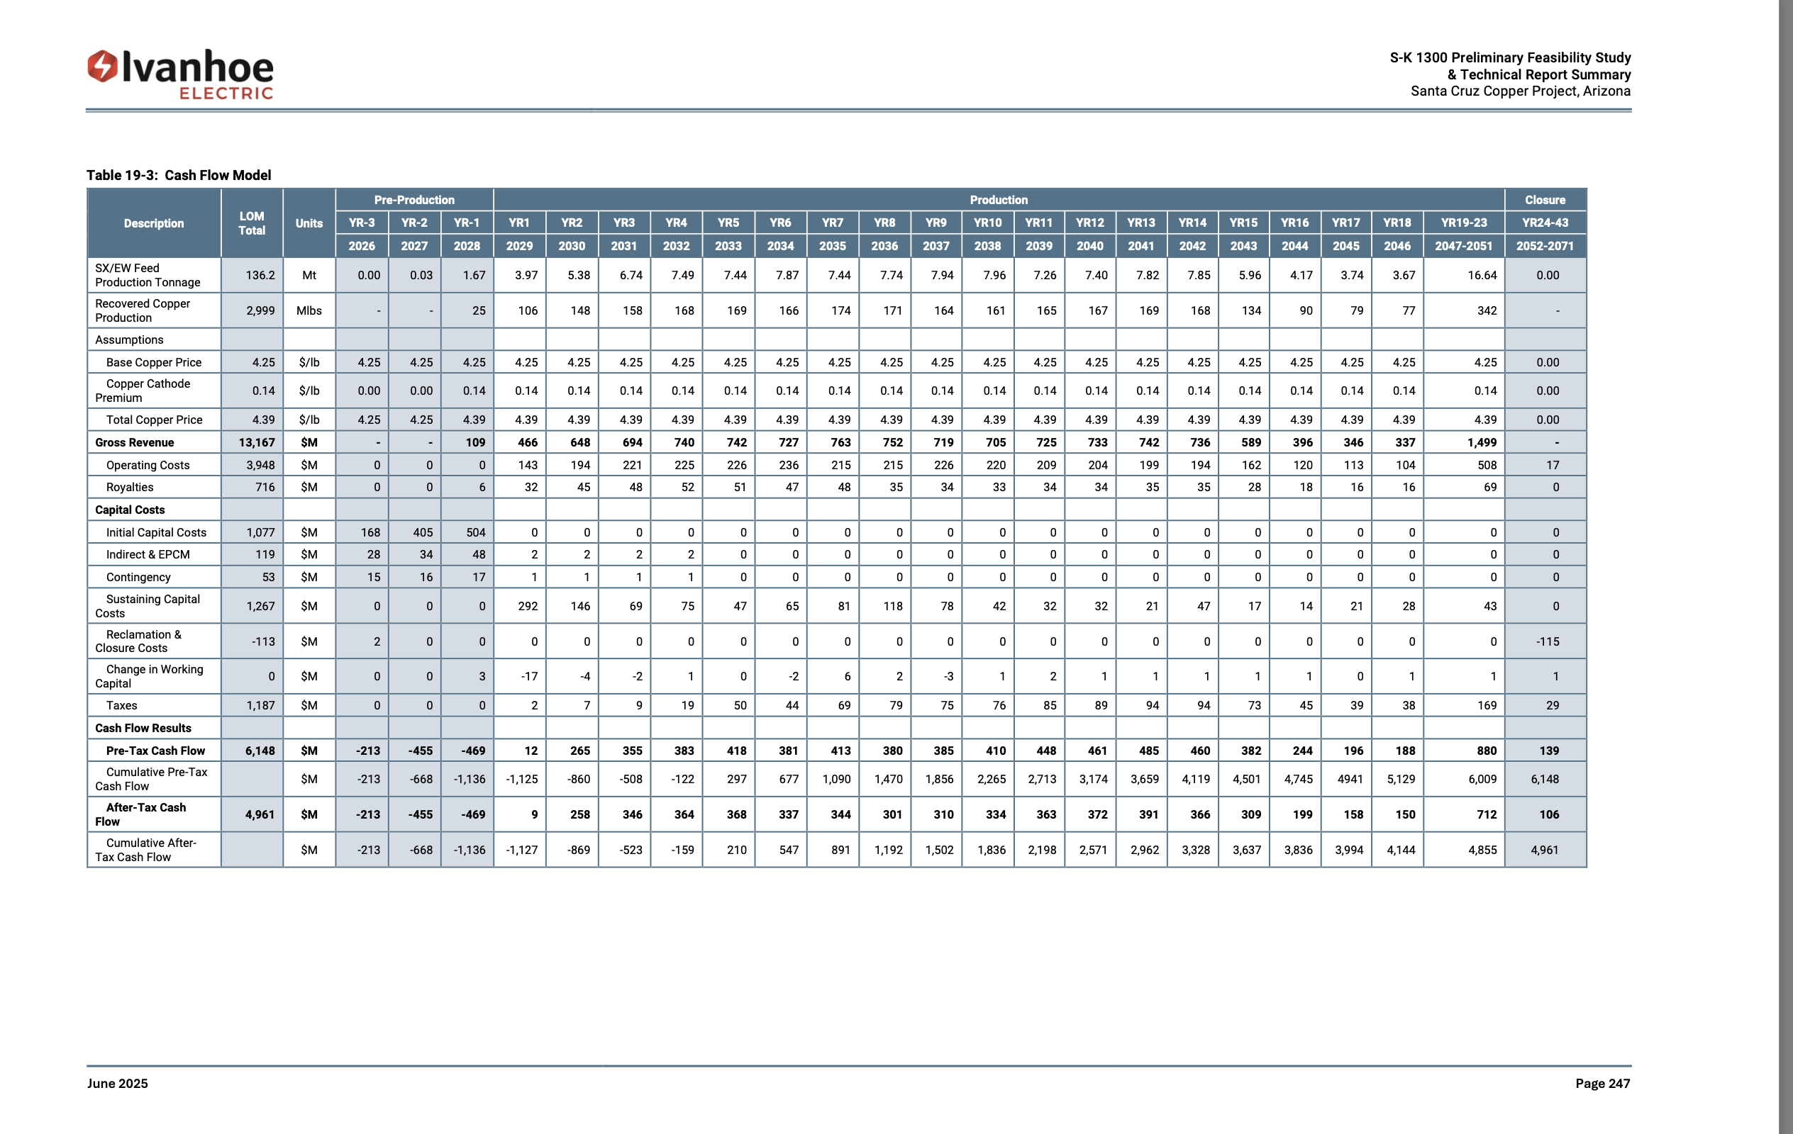
Tintic Specific News
2022-09-20
2022-11-22
2024-03-14

Hog Heaven
2023-10-09
2024-02-05
2024-04-02

Economics
Mine Size | 19,300 Acres
Mine Life | 23
Construction Years | 3
Years Until Extraction | -4
Years Until Mine Close | -26
NPV (Based on PFS) | $1.4B

Santa Cruz
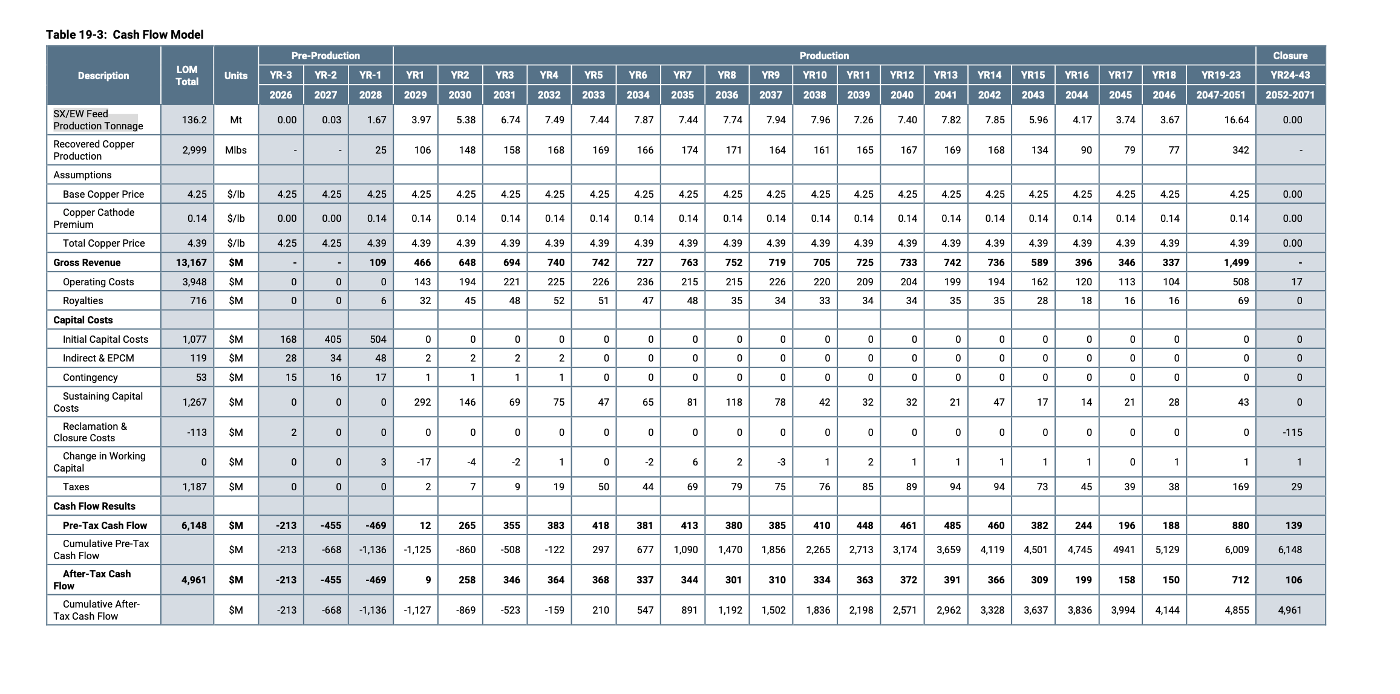
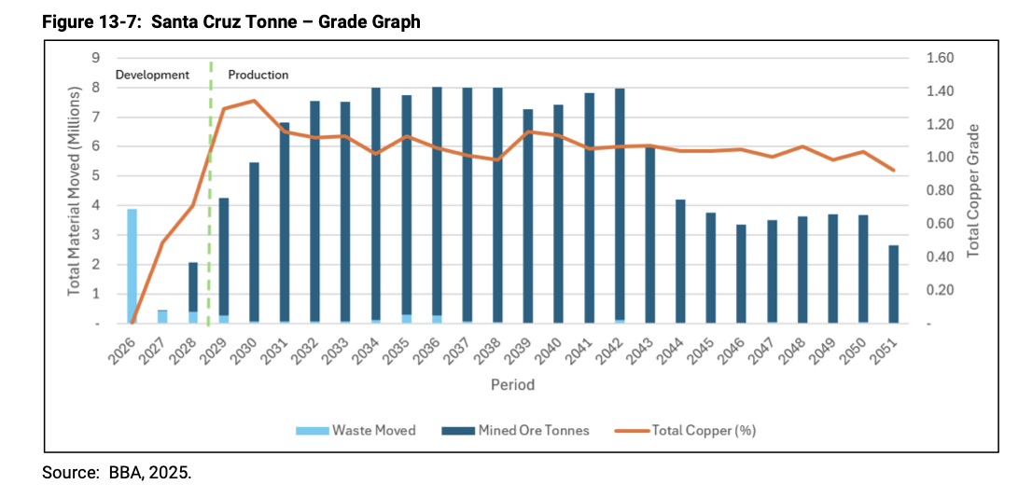
 |  |  |  |  |  |  |  |  |  |  |  |  |  |  |  |  | Study

 |  |  |  |  |  |  |  |  |  |  |  |  |  |  |  |  | One Metric Tonne | 1,000kg
 |  |  |  |  |  |  |  |  |  |  |  |  |  |  |  |  | One Pound | 0.45kg
 |  |  |  |  |  |  |  |  |  |  |  |  |  |  |  |  | lbs per tonne | 2,205
 |  |  |  |  |  |  |  |  |  |  |  |  |  |  |  |  | Domain mix: Leach + flotation

 |  |  | LOM | Units | Pre-Production |  |  | Production |  |  |  |  |  |  |  |  |  |  |  |  |  |  |  |  |  |  | Closure
 |  | Years |  |  | 3 | 2 | 1 | 1 | 2 | 3 | 4 | 5 | 6 | 7 | 8 | 9 | 10 | 11 | 12 | 13 | 14 | 15 | 16 | 17 | 18 | 19-23 | 24-43
 |  |  |  |  | 2026 | 2027 | 2028 | 2029 | 2030 | 2031 | 2032 | 2033 | 2034 | 2035 | 2036 | 2037 | 2038 | 2039 | 2040 | 2041 | 2042 | 2043 | 2044 | 2045 | 2046 | 2047-2051 | 2052-2071

 |  | SX/EW Production Tonnage | 136 | Mt | 0 | 0 | 2 | 4 | 5 | 7 | 7 | 7 | 8 | 7 | 8 | 8 | 8 | 7 | 7 | 8 | 8 | 6 | 4 | 4 | 4 | 17 | 0
1% | 92% | Recovered Cu | 2,983 | Mlbs |  | 0 | 37 | 87 | 118 | 148 | 164 | 163 | 172 | 163 | 170 | 174 | 174 | 159 | 162 | 171 | 172 | 131 | 91 | 82 | 80 | 365 | 0
 |  | Base Cu Price | 4.25 | $/lb | 4 | 4 | 4 | 4 | 4 | 4 | 4 | 4 | 4 | 4 | 4 | 4 | 4 | 4 | 4 | 4 | 4 | 4 | 4 | 4 | 4 | 4 | 4
 |  | Cu Cathode Premium | 0.14 | $/lb | 0 | 0 | 0 | 0 | 0 | 0 | 0 | 0 | 0 | 0 | 0 | 0 | 0 | 0 | 0 | 0 | 0 | 0 | 0 | 0 | 0 | 0 | 0
 |  | Total Copper Price | 4.39 | $/lb | 4 | 4 | 4 | 4 | 4 | 4 | 4 | 4 | 4 | 4 | 4 | 4 | 4 | 4 | 4 | 4 | 4 | 4 | 4 | 4 | 4 | 4 | 4
 |  | Gross Revenue | 13,089 | $/lb | 0 | 1 | 155 | 382 | 517 | 648 | 720 | 715 | 757 | 715 | 744 | 764 | 765 | 698 | 712 | 752 | 755 | 573 | 401 | 360 | 353 | 1600 | 0
 |  | Operating Costs | 3,951 | $M | 0 | 0 | 0 | 143 | 194 | 221 | 225 | 226 | 236 | 215 | 215 | 226 | 220 | 209 | 204 | 199 | 194 | 162 | 120 | 113 | 104 | 508 | 17
 |  | Royalties | 716 | $M | 0 | 0 | 6 | 32 | 45 | 48 | 52 | 51 | 47 | 48 | 35 | 34 | 33 | 34 | 34 | 35 | 35 | 28 | 18 | 16 | 16 | 69 | 0
 |  | Initial Capital Costs | 1,077 | $M | 168 | 405 | 504 | 0 | 0 | 0 | 0 | 0 | 0 | 0 | 0 | 0 | 0 | 0 | 0 | 0 | 0 | 0 | 0 | 0 | 0 | 0 | 0
 |  | Indirect & EPCM | 118 | $M | 28 | 34 | 48 | 2 | 2 | 2 | 2 | 0 | 0 | 0 | 0 | 0 | 0 | 0 | 0 | 0 | 0 | 0 | 0 | 0 | 0 | 0 | 0
 |  | Contingency | 52 | $M | 15 | 16 | 17 | 1 | 1 | 1 | 1 | 0 | 0 | 0 | 0 | 0 | 0 | 0 | 0 | 0 | 0 | 0 | 0 | 0 | 0 | 0 | 0
 |  | Sustaining Capital Costs | 1,268 | $M | 0 | 0 | 0 | 292 | 146 | 69 | 75 | 47 | 65 | 81 | 118 | 78 | 42 | 32 | 32 | 21 | 47 | 17 | 14 | 21 | 28 | 43 | 0
 |  | Reclamation & Closure Costs | (113) | $M | 2 | 0 | 0 | 0 | 0 | 0 | 0 | 0 | 0 | 0 | 0 | 0 | 0 | 0 | 0 | 0 | 0 | 0 | 0 | 0 | 0 | 0 | -115
 |  | Change in Working Capital | (5) | $M | 0 | 0 | 3 | -17 | -4 | -2 | 1 | 0 | -2 | 6 | 2 | -3 | 1 | 2 | 1 | 1 | 1 | 1 | 1 | 0 | 1 | 1 | 1
 |  | Taxes | 1,185 | $M | 0 | 0 | 0 | 2 | 7 | 9 | 19 | 50 | 44 | 69 | 79 | 75 | 76 | 85 | 89 | 94 | 94 | 73 | 45 | 39 | 38 | 169 | 29
 |  | Pre-tax Cash Flow | 4,840 | $M | -213 | -454 | -423 | -73 | 126 | 300 | 345 | 341 | 367 | 296 | 295 | 354 | 393 | 336 | 352 | 402 | 384 | 292 | 203 | 171 | 166 | 810 | 68
 |  | Taxes | 1,185 | $M | 0 | 0 | 0 | 2 | 7 | 9 | 19 | 50 | 44 | 69 | 79 | 75 | 76 | 85 | 89 | 94 | 94 | 73 | 45 | 39 | 38 | 169 | 29
 |  | After Tax Cash Flow | 3,655 | $M | -213 | -454 | -423 | -75 | 119 | 291 | 326 | 291 | 323 | 227 | 216 | 279 | 317 | 251 | 263 | 308 | 290 | 219 | 158 | 132 | 128 | 641 | 39

 |  |  |  |  | -193.63636364 | -374.89504132 | -317.45169825 | -51.383447133 | 74.113276004 | 164.34244668 | 167.42572319 | 135.96693002 | 136.90190808 | 87.694593129 | 75.814028038 | 88.751106182 | 91.957509247 | 66.135049807 | 62.866900658 | 67.029634108 | 57.352056633 | 39.413366823 | 25.834624755 | 19.569211129 | 17.285958689 | 65.094387624 | 1.2029057442
 |  | 10% | NPV @ 10% Disc | 507.3850662

