Main
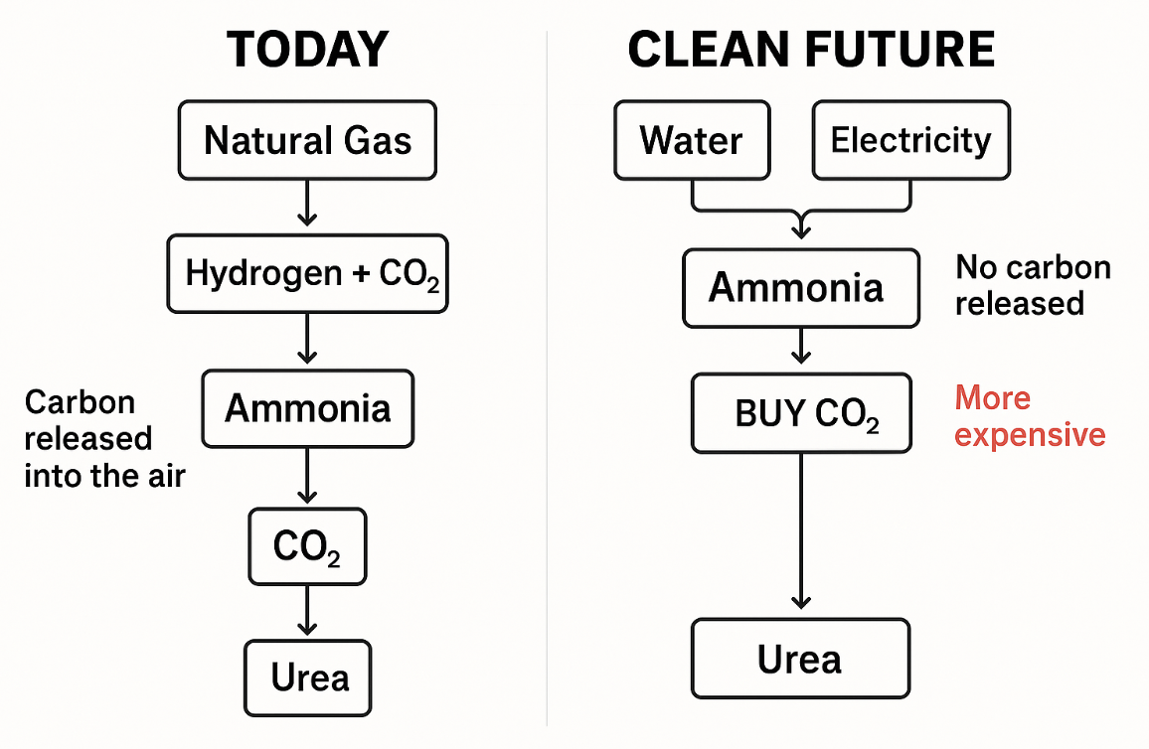
CF Industries
CEO | W Anthony Will
CFO | Greg Cameron | P | 78.52
 |  | S | 170 | Q424
 |  | MC | 13,312
 |  | C | 1,614 | Q424
 |  | D | 2,971 | Q424
 |  | EV | 14,669

corn, wheat, barley
corn, cotton, lettuce, tomamtoes, peppers
corn.wheat, tobacco, pasture and hay

Notes
Traditional ammonia is made by combining hydrogen (H₂) from natural gas and nitrogen (N₂) from the air.
Making hydrogen from natural gas (steam methane reforming) releases large amounts of CO₂ as a byproduct.
Ammonia (NH₃) production needs only hydrogen and nitrogen, not carbon, so excess CO₂ is vented unless captured.
Urea (NH₂CONH₂) production uses some of the CO₂ by reacting it with ammonia, but not all CO₂ is used.
There is always leftover CO₂ beyond what is needed for urea — today most fertilizer plants emit this excess CO₂.
Switching to green hydrogen (electrolysis of water using renewable energy) would eliminate CO₂ emissions but remove the free CO₂ source for urea.
If CF or others fully transition to green hydrogen, they would need to buy or capture CO₂ separately to continue making urea — increasing costs.
CO₂ itself is not bad (plants breathe it), but excess CO₂ in the atmosphere traps heat and causes climate change?
Blue ammonia (natural gas + carbon capture) is a transitional solution that captures most CO₂ but still relies on fossil fuel feedstock.
Clean ammonia strategy risks for CF include higher urea production costs, carbon sourcing challenges, and long-term profitability pressures if green ammonia fully replaces gas-based processes.

Press Release
Q424 | nat gas shortage Iran/Egypt (would be an indication less nitrogen is made which impacts ammonia prod) + china restrictions on urea exports
 | u.s corn planting projected to increase, good for nitrogen fertilizer demand
 | Brazil has record high urea imports
 | India inventories are low; they'll need to purchase soon
 | Europe; 25% of ammonia and 20% of urea capacity offline --> weak european supply
 | Russia: urea exports growing

