Main
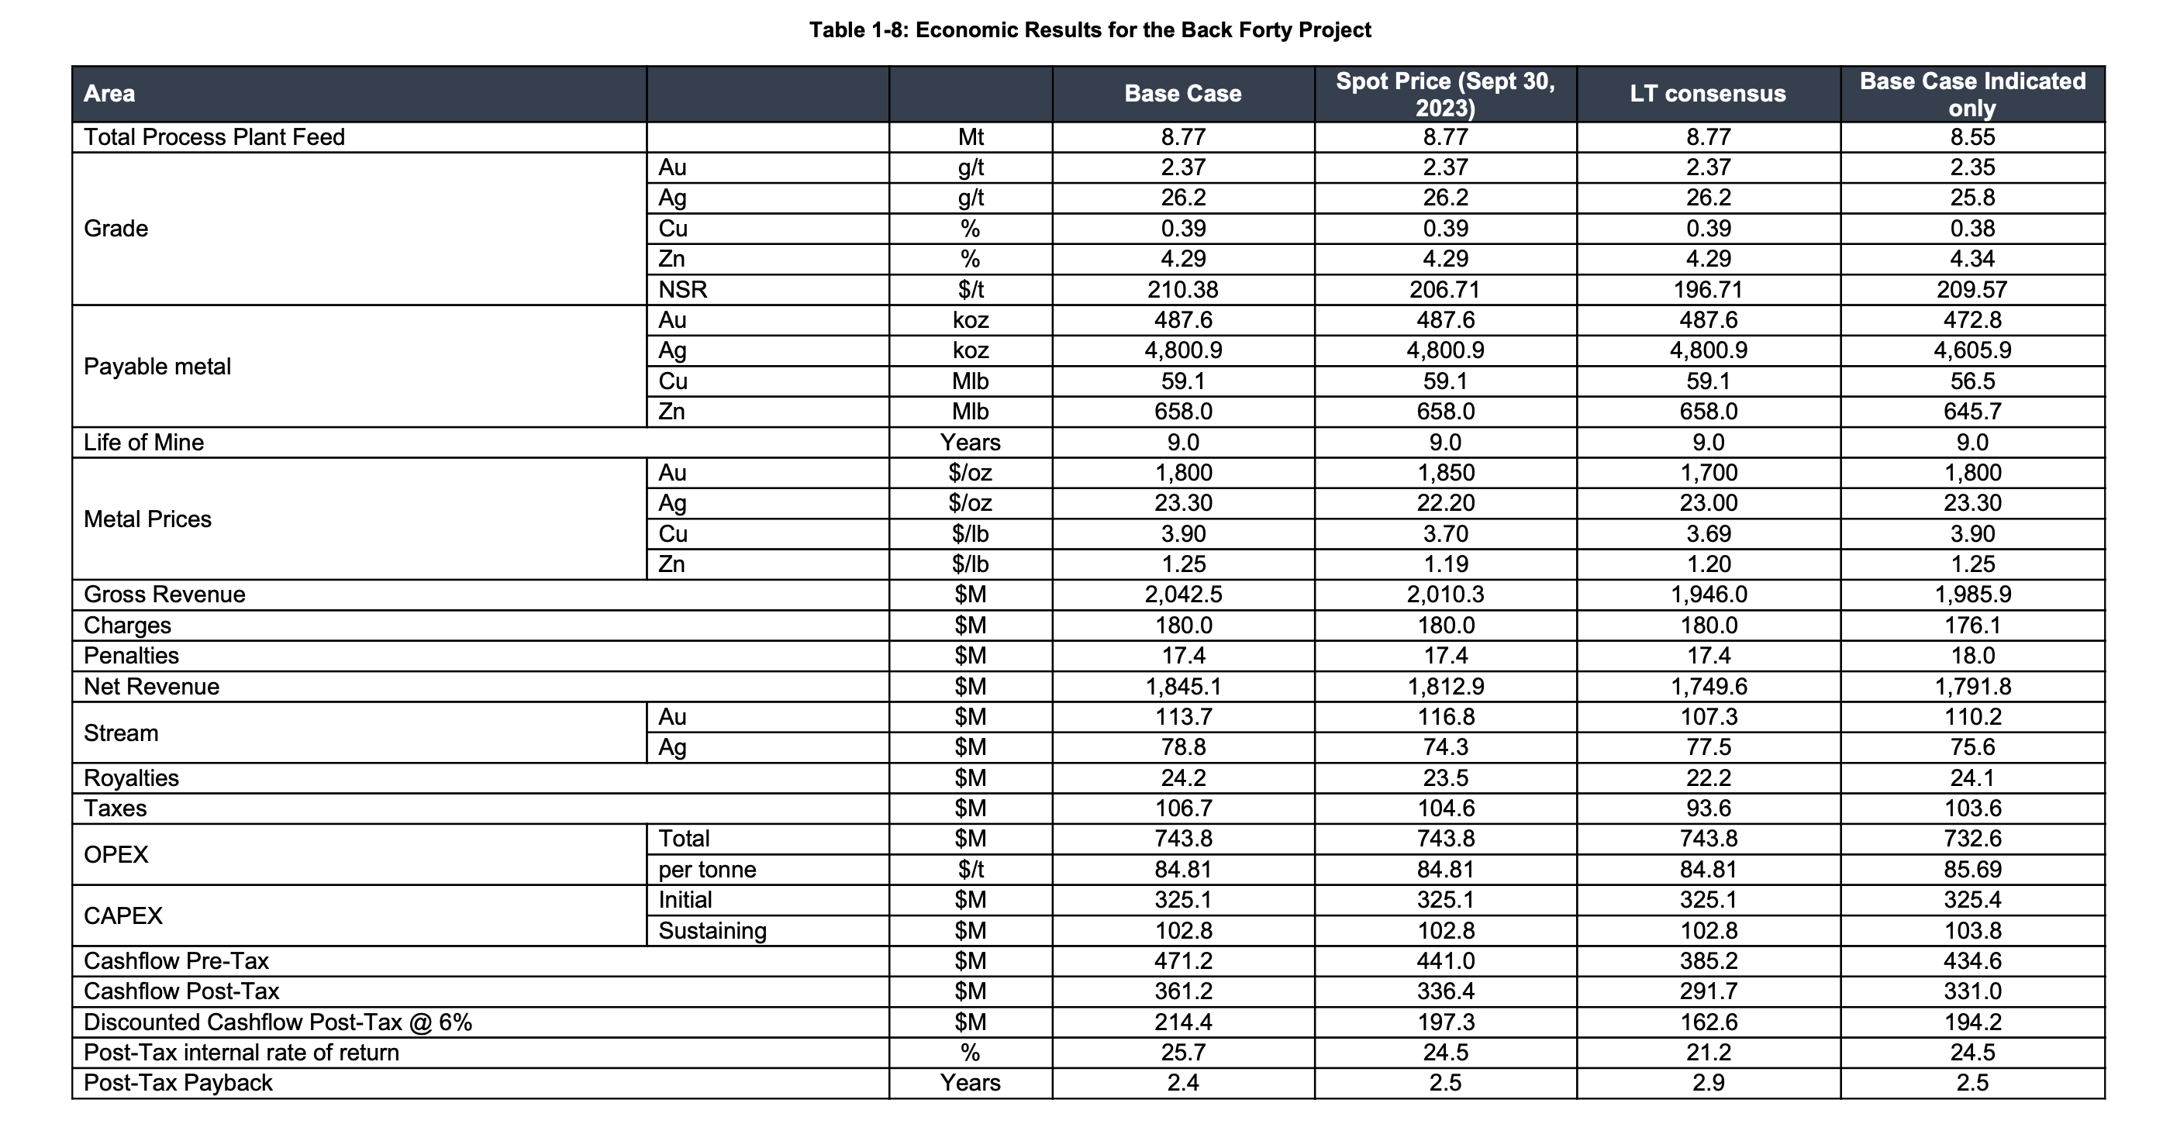
 |  |  |  |  |  |  |  |  |  |  |  | 3 |  | 1216%
 |  |  |  |  |  |  |  |  |  |  | P | 0.19
Mines | Location | Commenced | Produces |  |  |  |  |  |  |  | S | 94 | Q324
Don David Gold Mine | Oaxaca, MX | 2010 | Dore |  |  |  |  |  |  |  | MC | 18
 |  |  |  |  |  |  |  |  |  |  | C | 5 | Q324
 |  |  |  |  |  |  |  |  |  |  | D | 0 | Q324
 |  |  |  |  |  |  |  |  |  |  | EV | 12

conversions
 |  | Gold Price Per oz | 2,600
1 gram ---> oz --> | 0.03215 | Silver Price Per oz | 30
 | 22 |  |  |  |  |  |  |  |  |  |  | 10,000
1 tonne = 1 Kilo = 10 kg/tonne |  |  |  |  |  |  |  |  |  |  |  | 52,632
 |  |  |  |  |  |  |  |  |  |  |  | 10,000
Open Pit |  |  |  |  |  |  |  |  |  |  |  | 131,579
Calssification | NSR cut-off ($/t) | Tonnes(000s) | AU (g/t) | AU (Moz) | Ag (g/t) | Ag (Moz) | Zn (%) | Zn (Mbs) | Cu (%) | Cu (lbs)
Indicated | 33 | 9,360 | 2.41 | 725 | 28 | 8,444 | 3.74 | 772 | 0.36 | 74
Inferred | 33 | 5,666 | 2.70 | 49 | 49 | 889 | 1.31 | 16 | 0.35 | 4

UG Long Hole
Calssification | NSR cut-off ($/t) | Tonnes(000s) | AU (g/t) | AU (Moz) | Ag (g/t) | Ag (Moz) | Zn (%) | Zn (Mbs) | Cu (%) | Cu (lbs)
Indicated | 73 | 5,137 | 1.86 | 306 | 24 | 3,972 | 2.65 | 300 | 0.41 | 47
Inferred | 73 | 627 | 2.00 | 40 | 26 | 526 | 2.89 | 40 | 0.37 | 5

Total Indicated | 106 | 14,497 | 4 | 1,031 | 52 | 12,416 | 6 | 1,072 | 1 | 121
Total Inferred | 106 | 6,293 | 5 | 89 | 75 | 1,415 | 4 | 56 | 1 | 9

 |  |  | 201.45 |  | 27 |  | 37.40 | <-- kg of zinc per tonne of ore
 |  |  |  |  |  |  | 0.037 | <-- tonnes of zinc per tonne of ore
 |  |  | 310 |  |  |  | 81 | <-- usd per tonne
 |  |  |  |  |  |  | 82 | <-- pounds
 |  |  |  |  |  |  | 1 kilo -- 2.2046

 |  |  |  |  |  |  | 1% metal content = 10kg/tonne = 22.046 lbs/tonne

