main
CEO | Diane Garrett | P | 2.20 |  | 6%
https://vrify.com/press-releases/hycroft-mining-announces-new-website-and-first-fully-interactive-virtual-site-tour-with-vrify-2022-09-20 |  | S | 24 | 2.32 |  |  |  | Sulfide Ore Processing
 |  | MC | 53 | 6% |  |  |  | 1. Complex Metallurgy
 |  | C | 59 |  |  |  |  |  | Oxide ores are simpler to process because they can be trated using heap leaching (low cost). Cyanide solutions are used to dissolve the gold and silver, then recovered from the solution
 |  | D | 119 |  |  |  |  |  | Sulfide Ores require more processing becaue gold and silver are locked within sulfide minerals like pyrite or arsenopyrite, so the sulfide first needs to be oxidized or broken down
 |  | EV | 114 |  |  |  |  | 2. Processing Steps: sulfide ores require pre-tratment before extracting the metals
drill program results |  |  |  |  |  |  |  |  | Pressure oxidation (POX): used high temp, pressure, and oxygen to oxidze the sulfides (energy intensive)
Vortex Zone |  |  |  |  |  |  |  |  | Roasting: involves heatign the ore to high temp to oxidize the sulfides, generates sulfur dioxide, which requires costly pollution control systems
meter interval | 52 |  |  |  |  |  |  |  | Bio-oxidationL uses bacteria to oxidize the sulfides (cheaper) but is slower and requires right conditions
grades | 2.47 g/t Au |  |  |  |  |  |  | 3. Energy Costs: Sulfure ore processing requires more enery for crushing, grinding, and pre-treatment
 | 25.5 g/t Af=g |  |  |  |  |  |  | 4. Environmetal Regulations: sulfire ore generates more toxic by products (sulfure dioxide/acid mine drainage)
 |  |  |  |  |  |  |  | 5. Recovery Rates: Sulfide ore result in lower recovery compared to oxide ores so not all of the gold/silver can be extracted
 |  |  |  |  |  |  |  | 6. More capital intensive
 |  |  |  |  |  |  |  | 7. Skilled labor

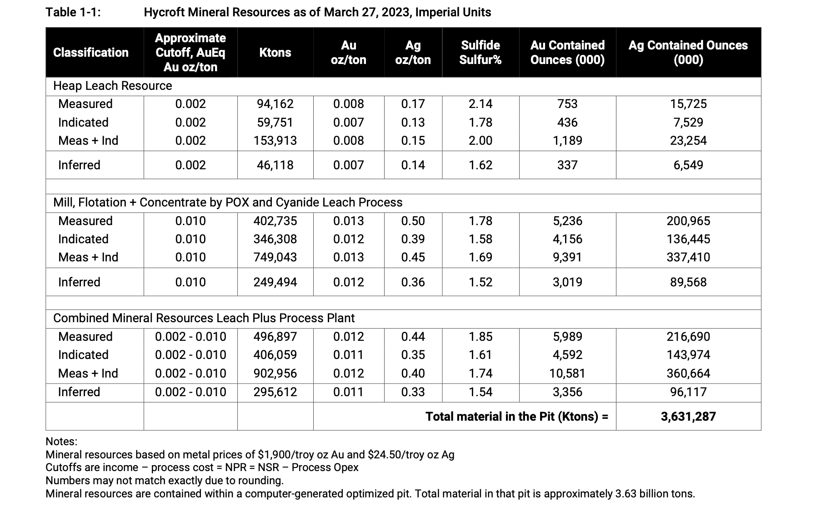
 |  |  |  | Takeaway
 |  |  |  | most of the metals rely on sulfide ore, requiring complex and expensive processing methods (POX, roasting)
 |  |  |  | Economic Viability: w/o feasibility plan, these resources are just numbers. High costs for processing sulfide ore
 |  |  |  | Dilution risks: weak financials increases liklihood of future equity dilution, hurting existing shareholders
 |  |  |  | Execution Uncertainty: feasibility study lag suggest difficulty in optimizing project

 |  |  |  | short thesis: high processing costs (sulfide ore), negative net cash, dependency on future funding and studies. Lack of finalized feasibility and ongoing exploration suggests company struggling to deterine cost-effective way to unlock the value of tis resources

 |  |  |  |  |  | import yfinance as yf
 |  |  |  |  |  | import pandas as pd
 |  |  |  |  |  | import seaborn as sns
 |  |  |  |  |  | import matplotlib.pyplot as plt

 |  |  |  |  |  | # List of tickers
 |  |  |  |  |  | tickers = [
 |  |  |  |  |  | 'RGLD', 'SSRM', 'NG', 'USAU', 'HYMC'
 |  |  |  |  |  | ]

 |  |  |  |  |  | # Download data
 |  |  |  |  |  | data = yf.download(tickers, period="1y", group_by='ticker') # Adjust period for a longer analysis

 |  |  |  |  |  | # Extract closing prices
 |  |  |  |  |  | closing_prices = data.xs('Close', level=1, axis=1)

Press Releases | Contains |  |  |  |  | # Save to CSV for reference
2020-06-01 | Mudrick capital (blank check co) acquires Hycroft |  |  |  |  | closing_prices.to_csv('stock_prices.csv')
2020-07-01 | leadership change
2020-08-10 | ramping up operations, higher-than-expected gold recoveries, and expanding infrastructure to position the mine for increased production. |  |  |  |  | # Calculate the correlation matrix
2020-08-31 | Dr. Diane R garret PHD appointed to CEO |  |  |  |  | correlation_matrix = closing_prices.corr()
2020-09-29 | equity offering to raise capital for capex to fund construction of a new leach pad
2020-11-09 | Q3'20 results: focused on improving safety, enhancing operations, progressing leach pad construction, and securing $83.1 million through a public offering to support future growth and large-scale sulfide processing plans. |  |  |  |  | # Display the correlation matrix
2021-03-24 |  |  |  |  |  | print("Correlation Matrix:")
 | expected output: 45-55k oz of gold and 400-450k oz of silver |  |  |  |  | print(correlation_matrix)
 | capital spending ($14m-$18m): variability drilling, material characterization, and metallurgical testing ($9-$11m)
 | leach pad construction and long lead items deferred to 2022 ($4m-$5m) |  |  |  |  | # Plot the correlation matrix as a heatmap
 | plan to stockpile 300k tons of sulfide ore for future testing |  |  |  |  | plt.figure(figsize=(10, 8))
2021-11-10 | discontinued pre-commercial scale mining at its run-of-mine operation to conserve cash and focus on technical studies for sulfide ore processing. |  |  |  |  | sns.heatmap(correlation_matrix, annot=True, cmap="coolwarm", fmt=".2f", linewidths=0.5)
2022-03-15 | AMC investment ---> meme stock, this shit is trash |  |  |  |  | plt.title("Correlation Matrix of Stock Prices")
2022-07-18 | largest exploration in nearly a decadr |  |  |  |  | plt.show()
2022-09-13 | initizl drill result
2023-01-19 | completed phase I drilling |  |  |  |  | early 20th century: high grade silver (Ag) and alunite (aluminum potassium sulfate mineral) werte mined in the southern district
2023-05-01 | launches phase II |  |  |  |  | 1941-1943: Cinnbar (a mercury sulfide mineral) was mined
 |  |  |  |  |  | 1966 Duval Corp explored for native sulfur but instead found elevated Au and Ag values, though no significant sulfur deposits
 |  |  |  |  |  | 1977 Cordex Syndicate identified potential for a bulk-tonnage, low-grade gold silver deposit through mapping and rock chip sampling
 |  |  |  |  |  | 1981-1982 hometake mining: conducted surface sampling and exploration drilling confirming the site'spotential
 |  |  |  |  |  | 1983 Heap Leach op: mining began as a small heap leach op at the Lewis Mine
 |  |  |  |  |  | 1985-1999 vista gold: acquired Hycroft ppty and neighboring Lewis and crofoot mines
 |  |  |  |  |  | focused drilling (3,212 holes totaling 965,552 ft) on oxide gold in the central, bay, and brimstone zones
 |  |  |  |  |  | produced: 1.2m ounces (Moz) of Au; 2.5 Moz Ag
 |  |  |  |  |  | 1998 operatiosn ceased, transitioning the mine into care and maintenance through 2007
 |  |  |  |  |  | 2007 Allied Nevada reactivated the mine and expanded operations
 |  |  |  |  |  | built a 21k gallon per min Merill crow plant to process leach solutions for gold recovery
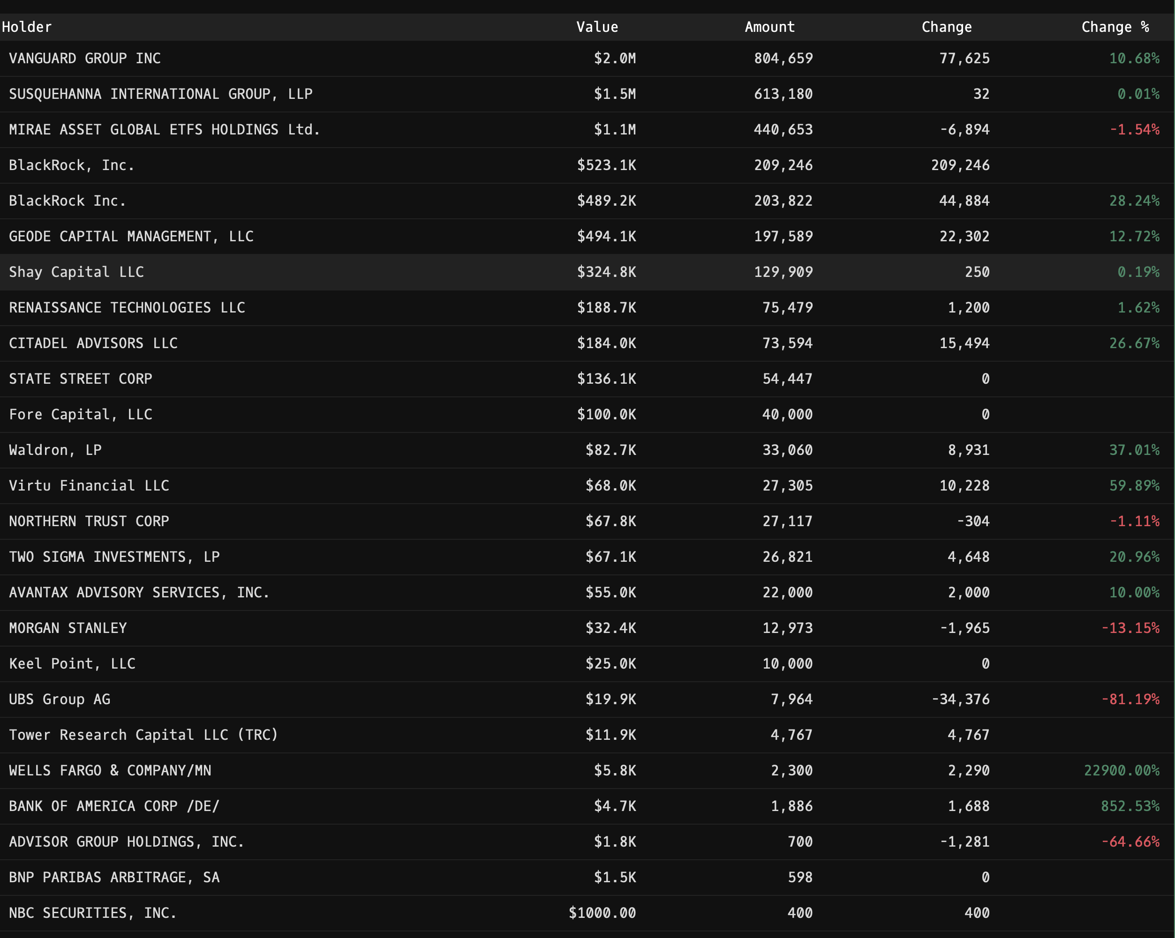
 |  |  |  |  |  | constructed 3 stage crushing facility
 |  |  |  |  |  | increased leach pad space to more than 20msqft
 |  |  |  |  |  | 900,000 oz Au and 5moz of Ag sold during this period
 |  |  |  |  |  | mining ceased again in 2015 due to low metal prices, but leaching of previously mined ore continued until 2018
 |  |  |  |  |  | 2018 Allied Nevada rebranded as Hycroft Mining corp and began constructing new leach pads
 |  |  |  |  |  | 2019 minng resumes, focuse don oxide ore while transitioning and sulfide minerals were set aside for future processing
 |  |  |  |  |  | continued production of gold and silver until 2021
 |  |  |  |  |  | 2019-2022: 105,500 oz of Au; 615,000 oz Ag produced during 2019-2022
 |  |  |  |  |  | 2021 active mining operations were terminated but the nmine retains its potential for future development

 |  |  |  |  |  |  | Faults
 |  |  |  |  |  |  | Fault: fracture or break in earths crust where rocks on either side move relatvie to each other
 |  |  |  |  |  |  | Normal : one block moves downward relative to the other
 |  |  |  |  |  |  | Reverse: one block moves upward due to compression
 |  |  |  |  |  |  | Strike-Slip faults: horizontal motion between blocks (san adreas )

 |  |  |  |  |  |  | Faults provide pathways fpr hydrothermal fluids to mvoe through rock
 |  |  |  |  |  |  | minerals like Ag and Au are deposited when these fluids cool or reach with the surrounding rock
 |  |  |  |  |  |  | High grade Au or Ag is often found along or near faults ecause the fluids concentrate there
 |  |  |  |  |  |  | Faults create fractures and voids where minerals can crystallize

