Sheet2
$M
Discount rate | 5%

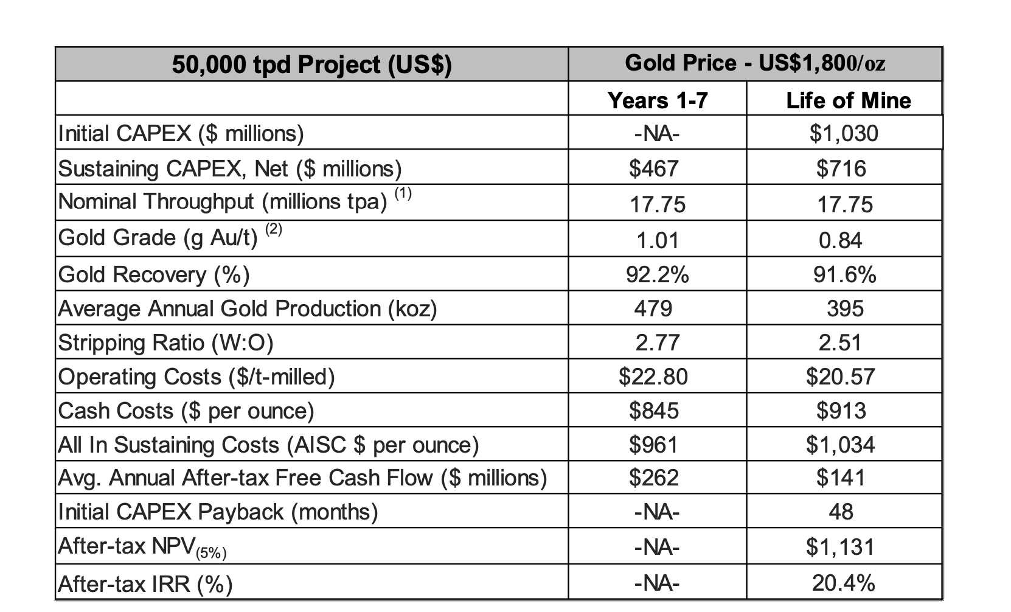
Year | Capex | Cashflows
0 | -1030
1 |  | 262 | 249.52380952
2 |  | 262 | 237.64172336
3 |  | 262 | 226.32545082
4 |  | 262 | 215.5480484
5 |  | 262 | 205.28385561
6 |  | 262 | 195.50843392
7 |  | 262 | 186.19850849
8 |  | 141 | 95.434350046
9 |  | 141 | 90.889857187
10 |  | 141 | 86.561768749
11 |  | 141 | 82.439779761
12 |  | 141 | 78.514075963
13 |  | 141 | 74.775310441
14 |  | 141 | 71.214581372
15 |  | 141 | 67.823410831

NPV |  | $2,163.68 | 1,133.68
 |  |  | 71,426
 |  |  | 63.003163546

